Sheet1
Instructional Planning
 |  | (The process of systematically planning, developing, evaluating and managing the instructional process by using principles of teaching and learning - D.O. 42, s. 2016)

Detailed Lesson Plan

DLP No.: | Learning Area: |  |  | Grade Level: | Quarter: | Duration: |  | Date:
12 | TLE - Dressmaking |  |  | 8 | 1 | 48 |  | 2017-06-28
Learning Competency/ies: |  |  | Classify sewing machines |  |  |  | Code:
(Taken from the Curriculum Guide) |  |  |  |  |  |  | TLE_HEDM7/8UT-Oa-b-1
Key Concepts / Understandings to be Developed |  |  | Demonstrates understanding in the use of sewing machines in dressmaking/tailoring.
Domain |  | Adapted Cognitive Process Dimensions (D.O. No. 8, s. 2015) |  | Objectives: Using a power point presentation of the types of sewing machines, the students with 75% accuracy are expected to:
Knowledge The fact or condition of knowing something with familiarity gained through experience or association |  | Remembering |  | Identify the types of sewing.
 |  | Understanding

Skills The ability and capacity acquired through deliberate, systematic, and sustained effort to smoothly and adaptively carryout complex activities or the ability, coming from one's knowledge, practice, aptitude, etc., to do something |  | Applying
 |  | Analyzing
 |  | Evaluating |  | Describe the type of sewing machines according to their uses and functions.
 |  | Creating

Attitude |  | Organization |  | Explain a method of care and maintenance for the sewing machines.
Values |  | Valuing |  | Share an experience in relation to the operation and maintenance of sewing machines.
2. Content |  |  |  | Types and uses of sewing machines
3. Learning Resources |  |  |  | LMs , TV, Laptop, Sewing Machines
4. Procedures
4.1 Introductory Activity |  |  | Present a sewing machine to the class. What kind of sewing machine is this? Ask a volunteer students to share how to operate the machine.

5 |  | minutes
4.2 Activity |  |  | Name Game After showing the slides with the different sewing machines, let the group identify and give the function of the equipment being flashed on the screen. The first group to do so gets a point.

12 |  | minutes

4.3 Analysis |  |  | Answer the following questions: What are the types of sewing machines? How does each machine is operated? State some important care and maintenance for these machines?
10 |  | minutes
4.4 Abstraction |  |  | Guide the students in identifying the types of sewing machines. Types of Sewing Equipment 1. Lockstitch Sewing Machine. This is usually used in homes and sometimes in school. This is also called ―Domestic Sewing Machine It is run by foot and may also be converted to electric power machine. 2. Hi-Speed Lockstitch Sewing Machine. This is sometimes called „straight stitching machine‖ or industrial sewing machine. It has automatic lubrication and is used by tailors and dressmakers. 3. Over Edging Machine. Other companies call it ―small machine‖. It finishes the raw edges of the pattern for construction. 4. Embroidery Machine. This is used in making fancy stitches and in making different kinds of embroidery stitches on fabrics for the Barong Tagalog, pillow cases, linen, and other novelty items. 5. Button Holer Machine. This is used in making buttonholes on garments. 6. Button Attachment Machine. This is used in attaching buttons to the garments. 7. Double Needle Machine. This is used in the construction of the different kinds of clothing especially for the inseam, outseam and side seam. 8. Bartacking Machine. This is used in reinforcing the opening and closing of pockets For the details see the Learning Module; Information Sheet no. 1.1 on pages 13 to 16
10 |  | minutes
4.5 Application |  |  | Identify the sewing machines available in the dressmaking shop and be able to explain the uses of each kind.
10 |  | minutes
4.6 Assessment |  |  | Tests |  | 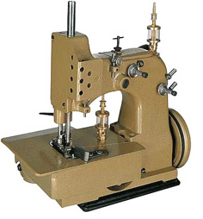 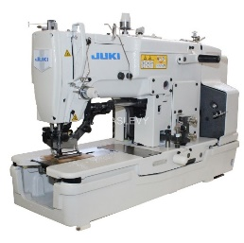 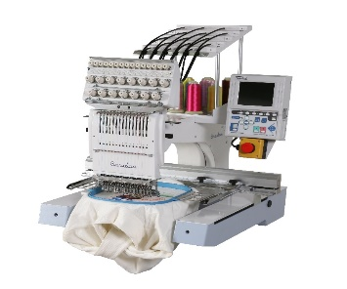 A. Name the different sewing equipment used in most garment industries.
10 |  | minutes
 |  |  | Enhancing / improving the day’s lesson |  | Research about the Hi-Speed Machine, its parts and its operation.
3 |  | minutes
4.8 Concluding Activity |  |  | Write your insights rearding the statement.
2 |  | minutes | Well-selected sewing machine is essential for achieving good results. It should be used correctly in accordance with the job requirements.
5. Remarks
6. Reflections
A. No. of learners who earned 80% in the evaluation. |  |  |  |  | C. Did the remedial lessons work? No. of learners who have caught up with the lesson.
B. No. of learners who require additional activities for remediation. |  |  |  |  | D. No. of learners who continue to require remediation.
E. Which of my learning strategies worked well? Why did these work?
F. What difficulties did I encounter which my principal or supervisor can help me solve?
G. What innovation or localized materials did I use/discover which I wish to share with other teachers?
Prepared by: |  |  |  |  | Inspected by: | __________________________
Name: | Analie A. Tubilla |  |  |  | School: | Sangat NHS
Position/ Designation: | SST 1 |  |  |  | Division: | CEBU PROVINCE
Contact Number: |  |  |  |  | Email address:

Bibliography:

LM - Technology and Livelihood Education – Dressmaking/Tailoring

Appendices:

DLP no. 12
LM pages 13-15
Tesst Activity: A. Classification of sewing equipment

 |  |  |  |  |  |  |  |  | attitude
 |  |  |  |  |  |  |  |  | Receiving Phenomena
 |  |  |  |  |  |  |  |  | Responding to Phenomena
 |  |  |  |  |  |  |  |  | Valuing
 |  |  |  |  |  |  |  |  | Organization
 |  |  |  |  |  |  |  |  | Internalizing values
 |  |  |  |  |  |  |  |  | assignment
 |  |  |  |  |  |  |  |  | Reinforcing / strengthening the day’s lesson
 |  |  |  |  |  |  |  |  | Enriching / inspiring the day’s lesson
 |  |  |  |  |  |  |  |  | Enhancing / improving the day’s lesson
 |  |  |  |  |  |  |  |  | Preparing for the new lesson

 |  |  |  |  |  |  |  |  | assessment
 |  |  |  |  |  |  |  |  | Observation
 |  |  |  |  |  |  |  |  | Talking to Learners/ Conferencing
 |  |  |  |  |  |  |  |  | Anlysis of Learners' Products
 |  |  |  |  |  |  |  |  | Tests

