Sheet1
Instructional Planning
 |  | (The process of systematically planning, developing, evaluating and managing the instructional process by using principles of teaching and learning - D.O. 42, s. 2016)

Detailed Lesson Plan

DLP No.: | Learning Area: |  |  | Grade Level: | Quarter: | Duration: |  | Date:
24 | TLE - Dressmaking |  |  | 8 | 1 | 48 |  | 2017-07-14
Learning Competency/ies: |  |  | Read specifications |  |  |  | Code:
(Taken from the Curriculum Guide) |  |  |  |  |  |  | TLE_HEDM7/8ID-Og-5
Key Concepts / Understandings to be Developed |  |  | Demonstrates understanding in making design for dressmaking/tailoring.
Domain |  | Adapted Cognitive Process Dimensions (D.O. No. 8, s. 2015) |  | Objectives: Through an interactive discussion, the students with 75% accuracy are expected to:
Knowledge The fact or condition of knowing something with familiarity gained through experience or association |  | Remembering
 |  | Understanding |  | Discuss the importance of a garment design specifications.

Skills The ability and capacity acquired through deliberate, systematic, and sustained effort to smoothly and adaptively carryout complex activities or the ability, coming from one's knowledge, practice, aptitude, etc., to do something |  | Applying
 |  | Analyzing
 |  | Evaluating |  | Appraise the viability of the specification of a garment design.
 |  | Creating

Attitude |  | Receiving Phenomena |  | Identify with interest what are included in the specification of a garment design.
Values |  | Internalizing values |  | Display clarity in the specifications of a garment design.
2. Content |  |  |  | Principles of design
3. Learning Resources |  |  |  | LMs , TV, Laptop, Color Wheel
4. Procedures
4.1 Introductory Activity |  |  | Show a sample specifications of a garment design. Let the class describe what is included in the specifications of design… Are you ready to make a specifications of your garment design?

5 |  | minutes
4.2 Activity |  |  | An interactive discussions on reading of the specifications of a garment design.

12 |  | minutes
4.3 Analysis |  |  | What is a specification of a garment design? Can you tell me the components of a specification of design based on the sample given?
10 |  | minutes
4.4 Abstraction |  |  | 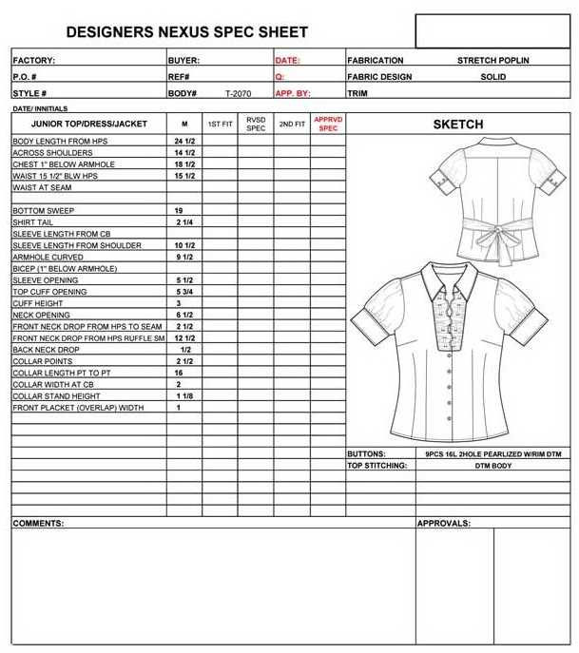 Explain the importance of specifications of a garment design and how to read specifications… Specifications of a garment design includes the measurement lines, the kind of fabric and other materials required.
10 |  | minutes
4.5 Application |  |  | Make a specification of a garment design and use your bondpaper for the activity.
10 |  | minutes
4.6 Assessment |  |  | Tests |  | Explain the importance of reading specifications of a garment design.
10 |  | minutes
4.7 Assignment |  |  | Preparing for the new lesson |  | How to apply principles of design in garment construction?
3 |  | minutes
4.8 Concluding Activity |  |  | Write a reflective journal of the statement.
2 |  | minutes | Clothing is a form of self-expression-there are hints about who you are in what you wear.
5. Remarks
6. Reflections
A. No. of learners who earned 80% in the evaluation. |  |  |  |  | C. Did the remedial lessons work? No. of learners who have caught up with the lesson.
B. No. of learners who require additional activities for remediation. |  |  |  |  | D. No. of learners who continue to require remediation.
E. Which of my learning strategies worked well? Why did these work?
F. What difficulties did I encounter which my principal or supervisor can help me solve?
G. What innovation or localized materials did I use/discover which I wish to share with other teachers?
Prepared by: |  |  |  |  | Inspected by: | __________________________
Name: | Analie A. Tubilla |  |  |  | School: | Sangat NHS
Position/ Designation: | SST 1 |  |  |  | Division: | CEBU PROVINCE
Contact Number: |  |  |  |  | Email address:

 |  |  |  |  |  |  |  |  | attitude
 |  |  |  |  |  |  |  |  | Receiving Phenomena
 |  |  |  |  |  |  |  |  | Responding to Phenomena
 |  |  |  |  |  |  |  |  | Valuing
 |  |  |  |  |  |  |  |  | Organization
 |  |  |  |  |  |  |  |  | Internalizing values
 |  |  |  |  |  |  |  |  | assignment
 |  |  |  |  |  |  |  |  | Reinforcing / strengthening the day’s lesson
 |  |  |  |  |  |  |  |  | Enriching / inspiring the day’s lesson
 |  |  |  |  |  |  |  |  | Enhancing / improving the day’s lesson
 |  |  |  |  |  |  |  |  | Preparing for the new lesson

 |  |  |  |  |  |  |  |  | assessment
 |  |  |  |  |  |  |  |  | Observation
 |  |  |  |  |  |  |  |  | Talking to Learners/ Conferencing
 |  |  |  |  |  |  |  |  | Anlysis of Learners' Products
 |  |  |  |  |  |  |  |  | Tests

