Sheet1
Instructional Planning
 |  | (The process of systematically planning, developing, evaluating and managing the instructional process by using principles of teaching and learning - D.O. 42, s. 2016)

Detailed Lesson Plan

DLP No.: | Learning Area: |  |  | Grade Level: | Quarter: | Duration: |  | Date:
35 | TLE - Dressmaking |  |  | 8 | 1 | 48 |  | July 31 - August 1
Learning Competency/ies: |  |  | Observe regular cleaning of machine |  |  |  | Code:
(Taken from the Curriculum Guide) |  |  |  |  |  |  | TLE_HEDM7/8BM-Oi-7
Key Concepts / Understandings to be Developed |  |  | Demonstrate understanding in the importance of regular cleaning of every machine.
Domain |  | Adapted Cognitive Process Dimensions (D.O. No. 8, s. 2015) |  | Objectives:Given a powerpoint presentation,the students with 75% accuracy are expected to:
Knowledge The fact or condition of knowing something with familiarity gained through experience or association |  | Remembering
 |  | Understanding |  | Discuss the importance of regular cleaning for every machines.

Skills The ability and capacity acquired through deliberate, systematic, and sustained effort to smoothly and adaptively carryout complex activities or the ability, coming from one's knowledge, practice, aptitude, etc., to do something |  | Applying |  | Demonstrate the proper ways of cleaning the sewing machine.
 |  | Analyzing
 |  | Evaluating
 |  | Creating

Attitude |  | Responding to Phenomena |  | Follow correct procedures in cleaning the machine.
Values |  | Valuing |  | Display proper behavior of cleaning the equipment and tools.
2. Content |  |  |  | Care of Sewing Machine
3. Learning Resources |  |  |  | LMs , TV, Laptop,Sewing Mchine(Realias), Cleaning tools
4. Procedures
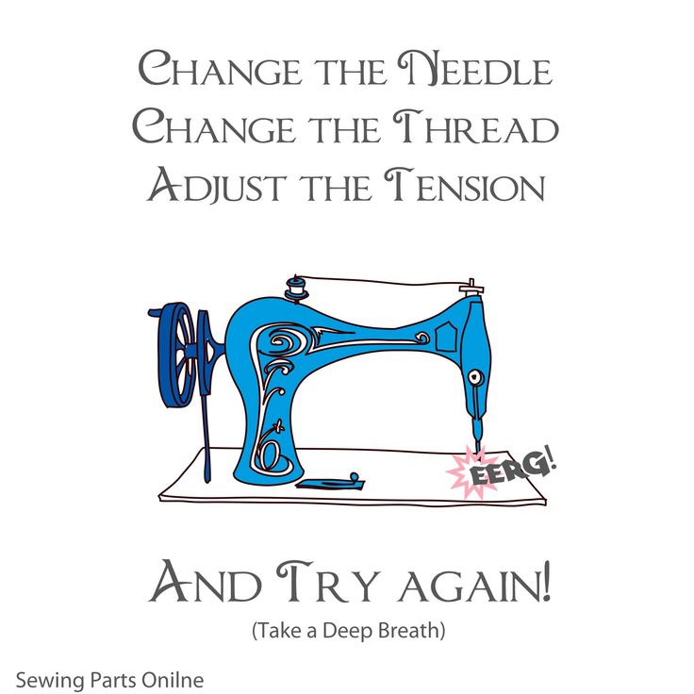
4.1 Introductory Activity |  |  | Post a quotation :Solicit ideas from the students what they understood from the post.

5 |  | minutes
4.2 Activity |  |  | Conduct an actual demonstration on how to to clean the sewing machine properly. (Refer to LMs pg.97 - 98.

15 |  | minutes

4.3 Analysis |  |  | Why should regular cleaning be observed and practice to sewing machine?
10 |  | minutes
4.4 Abstraction |  |  | To avoid problems and malfunction of sewing machine, cleaning and maintenance shoul be strictly observed / followed.
3 |  | minutes
4.5 Application |  |  | Perform return demonstration on cleaning the sewing machine (individual ),
15 |  | minutes
4.6 Assessment |  |  | Tests |  | Performance based (with rubrics) (Pls see LMs pg.101)
 |  | minutes
4.7 Assignment |  |  | Enhancing / improving the day’s lesson |  | Practice proper ways of cleaning any equipment at home.
 |  | minutes
4.8 Concluding Activity |  |  | By following correct procedures, you will make work easier, more challenging and interesting.
 |  | minutes
5. Remarks
6. Reflections
A. No. of learners who earned 80% in the evaluation. |  |  |  |  | C. Did the remedial lessons work? No. of learners who have caught up with the lesson.
B. No. of learners who require additional activities for remediation. |  |  |  |  | D. No. of learners who continue to require remediation.
E. Which of my learning strategies worked well? Why did these work?
F. What difficulties did I encounter which my principal or supervisor can help me solve?
G. What innovation or localized materials did I use/discover which I wish to share with other teachers?
Prepared by: |  |  |  |  | Inspected by: | __________________________
Name: | Analie A. Tubilla |  |  |  | School: | Sangat NHS
Position/ Designation: | SST I |  |  |  | Division: | CEBU PROVINCE
Contact Number: |  |  |  |  | Email address:

 |  |  |  |  |  |  |  |  | attitude
 |  |  |  |  |  |  |  |  | Receiving Phenomena
 |  |  |  |  |  |  |  |  | Responding to Phenomena
 |  |  |  |  |  |  |  |  | Valuing
 |  |  |  |  |  |  |  |  | Organization
 |  |  |  |  |  |  |  |  | Internalizing values
 |  |  |  |  |  |  |  |  | assignment
 |  |  |  |  |  |  |  |  | Reinforcing / strengthening the day’s lesson
 |  |  |  |  |  |  |  |  | Enriching / inspiring the day’s lesson
 |  |  |  |  |  |  |  |  | Enhancing / improving the day’s lesson
 |  |  |  |  |  |  |  |  | Preparing for the new lesson

 |  |  |  |  |  |  |  |  | assessment
 |  |  |  |  |  |  |  |  | Observation
 |  |  |  |  |  |  |  |  | Talking to Learners/ Conferencing
 |  |  |  |  |  |  |  |  | Anlysis of Learners' Products
 |  |  |  |  |  |  |  |  | Tests

