Sheet1
Instructional Planning
 |  | (The process of systematically planning, developing, evaluating and managing the instructional process by using principles of teaching and learning - D.O. 42, s. 2016)

Detailed Lesson Plan

DLP No.: | Learning Area: |  |  | Grade Level: | Quarter: | Duration: |  | Date:
8 | TLE - Dressmaking |  |  | 8 | 1 | 48 |  | 2017-06-21
Learning Competency/ies: |  |  | Determine the profile potential customer |  |  |  | Code:
(Taken from the Curriculum Guide) |  |  |  |  |  |  | TLE_HEDM7/8PC-0k-1
Key Concepts / Understandings to be Developed |  |  | Customers and Their Buying Habits
Domain |  | Adapted Cognitive Process Dimensions (D.O. No. 8, s. 2015) |  | Objectives:Given a powerpoint presentation,the students with 75% accuracy are expected to:
Knowledge The fact or condition of knowing something with familiarity gained through experience or association |  | Remembering
 |  | Understanding |  | Compare the buying habits of different groups of people.

Skills The ability and capacity acquired through deliberate, systematic, and sustained effort to smoothly and adaptively carryout complex activities or the ability, coming from one's knowledge, practice, aptitude, etc., to do something |  | Applying
 |  | Analyzing
 |  | Evaluating |  | Appraise the buying habits of the people in their respective locality.
 |  | Creating

Attitude |  | Responding to Phenomena |  | Justify how buying habits of customers affect the business..(Valuing)
Values |  | Valuing |  | Describe the buying habits of prospected customers in their locality
2. Content |  |  |  | Customers and their buying habits
3. Learning Resources |  |  |  | LMs , TV, Laptop,PECs
4. Procedures
4.1 Introductory Activity |  |  | Flash pictures of different products..Ask students:Who buys the products?1.children's dress,men's polo,apron,hats,etc.

5 |  | minutes
4.2 Activity |  |  | Group students into 5.Let them list down/identify some dressmaking establishments found in their locality.Discuss the following questions among your groupmates.What are their products and services?What benefits do they give to the people in your locality? Assign a reporter to share the group's output in class.

12 |  | minutes

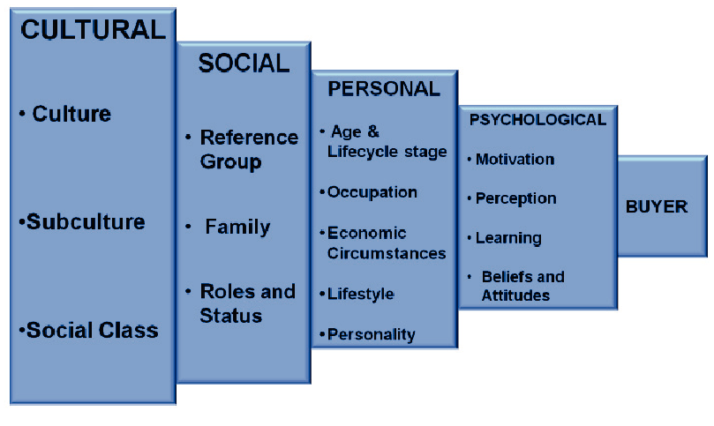
4.3 Analysis |  |  | Why is it important to study the buying habits of customers?
10 |  | minutes
4.4 Abstraction |  |  | Through powerpoint presentation , the teacher will discuss the buying habits of customers.
10 |  | minutes
4.5 Application |  |  | Which among these factors affect your buying habit most?Expalin.
10 |  | minutes
4.6 Assessment |  |  | Tests |  | What are the factors that affect the buying habits of customers?Discuss how each affect the buying habits of customers?
10 |  | minutes
4.7 Assignment |  |  | Enhancing / improving the day’s lesson |  | Conduct a study through interviews to dressmaking business in your locality.Ask how many customers they have every month.
3 |  | minutes
4.8 Concluding Activity |  |  | Journal writing:Write a reflective journal of today's lesson.
2 |  | minutes
5. Remarks
6. Reflections
A. No. of learners who earned 80% in the evaluation. |  |  |  |  | C. Did the remedial lessons work? No. of learners who have caught up with the lesson.
B. No. of learners who require additional activities for remediation. |  |  |  |  | D. No. of learners who continue to require remediation.
E. Which of my learning strategies worked well? Why did these work?
F. What difficulties did I encounter which my principal or supervisor can help me solve?
G. What innovation or localized materials did I use/discover which I wish to share with other teachers?
Prepared by: |  |  |  |  | Inspected by: | __________________________
Name: | Rosemariwen G. Renes |  |  |  | School: | Sangat NHS
Position/ Designation: | SST III |  |  |  | Division: | CEBU PROVINCE
Contact Number: |  |  |  |  | Email address:

 |  |  |  |  |  |  |  |  | attitude
 |  |  |  |  |  |  |  |  | Receiving Phenomena
 |  |  |  |  |  |  |  |  | Responding to Phenomena
 |  |  |  |  |  |  |  |  | Valuing
 |  |  |  |  |  |  |  |  | Organization
 |  |  |  |  |  |  |  |  | Internalizing values
 |  |  |  |  |  |  |  |  | assignment
 |  |  |  |  |  |  |  |  | Reinforcing / strengthening the day’s lesson
 |  |  |  |  |  |  |  |  | Enriching / inspiring the day’s lesson
 |  |  |  |  |  |  |  |  | Enhancing / improving the day’s lesson
 |  |  |  |  |  |  |  |  | Preparing for the new lesson

 |  |  |  |  |  |  |  |  | assessment
 |  |  |  |  |  |  |  |  | Observation
 |  |  |  |  |  |  |  |  | Talking to Learners/ Conferencing
 |  |  |  |  |  |  |  |  | Anlysis of Learners' Products
 |  |  |  |  |  |  |  |  | Tests

