DLP10
Instructional Planning
 |  | (The process of systematically planning, developing, evaluating and managing the instructional process by using principles of teaching and learning - D.O. 42, s. 2016)

Detailed Lesson Plan (DLP) Format

DLP No.: | Learning Area: |  |  | Grade Level: | Quarter: | Duration: |  | Date:
10 | MATHEMATICS |  |  | 9 | I | 60
Learning Competency/ies: |  |  | Solves quadratic equations by: (a) extracting square root ; (b)factoring; ( c ) completing the square ; and (d) using quadratic formula |  |  |  | Code:
(Taken from the Curriculum Guide) |  |  |  |  |  |  | M9AL-Ia-b-1
Key Concepts / Understandings to be Developed |  |  | To solve any quadratic formula ax2 + bx + c = 0 using quadratic formula, determine the values of a ,b and c, then substitute these in the equation . Simplify the result if possible, then check the solutions obtained against the original equation.
Domain |  | Adapted Cognitive Process Dimensions (D.O. No. 8, s. 2015) |  | OBJECTIVES:
Knowledge The fact or condition of knowing something with familiarity gained through experience or association |  | Remembering
 |  | Understanding |  | explain how to find the roots of quadratic equation using the method quadratic formula.

Skills The ability and capacity acquired through deliberate, systematic, and sustained effort to smoothly and adaptively carryout complex activities or the ability, coming from one's knowledge, practice, aptitude, etc., to do something |  | Applying |  | solve quadratic equations by quadratic formula.
 |  | Analyzing
 |  | Evaluating |  | describe the type of equation to be solve by using quadratic formula.
 |  | Creating

Attitude |  | Receiving Phenomena |  | Follow the process in quadratic formula.
Values |  | Valuing |  | Demonstrate perserverance in solving .
2. Content |  |  |  | Pattern and Algebra /Solving Quadratic Equation By Using Quadratic Formula
3. Learning Resources |  |  |  | Math 9 book, internet sources , Vibal
4. Procedures
4.1 Introductory Activity |  |  | Find the solution of the following equations using quadratic formula: 1. 2x²+3x+6=0 2 . 4x²+x+7=0
8 |  | minutes
4.2 Activity |  |  | Read and analyze the given situations. Perform what is asked. 1.) Mr. Bonifacio would like to enclose his two adjacent rectangular gardens with 70.5 m of fencing materials . The gardens are of the same size and their total area is 180m2 a. How would you represent the dimensions of each garden? b. What mathematical sentence would represent the length of fencing materials to be used in enclosing the two gardens? c. How will you find the dimensions of each garden? d. What equation will you used in finding the dimensions of each garden? e. How would you describe the equation formulated in item d?
12 |  | minutes
4.3 Analysis |  |  | 1.How would you describe the situation given ? 2. How did you solve the given situation? 3.Which expression did you find difficult to simplify? Why? 4.Compare your work with those of your classmates. Did you arrive at the same answer? 5.How did you find the activity ? 6. How are you going to find the solutions of this equation?
10 |  | minutes
4.4 Abstraction |  |  | How to solve quadratic equation using quadratic formula? To solve any quadratic formula ax2 + bx + c = 0 using quadratic formula, determine the values of a,b and c, then substitute these in the equation Simplify the result if possible,then check the solutions obtained against the original equation.
5 |  | minutes
4.5 Application |  |  | 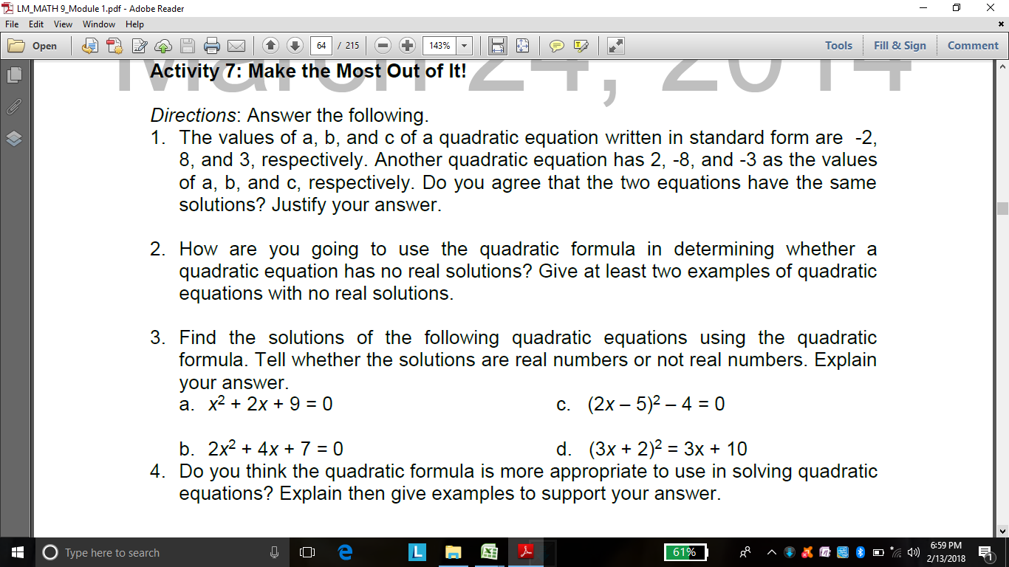
10 |  | minutes
4.6 Assessment |  |  | Tests |  | Solve the following equations using quadratic formula: a. m² + 2m + 7= 0 b. r² -6r + 5 = 0 c. t ²+ 7t + 12 = 0 d. s² + 4s - 20 = - 6 e. y ² - 6y +15 = 0
10 |  | minutes
4.7 Assignment |  |  | Enhancing / improving the day’s lesson |  | Students will do the following activity.
3 |  | minutes
4.8 Concluding Activity |  |  | Being critical leads you to derive new ideas, make propositions and prove statements. Have you ever experience being critical? When and how did this happen?
2 |  | minutes
5. Remarks
6. Reflections
A. No. of learners who earned 80% in the evaluation. |  |  |  |  | C. Did the remedial lessons work? No. of learners who have caught up with the lesson.
B. No. of learners who require additional activities for remediation. |  |  |  |  | D. No. of learners who continue to require remediation.
E. Which of my learning strategies worked well? Why did these work?
F. What difficulties did I encounter which my principal or supervisor can help me solve?
G. What innovation or localized materials did I use/discover which I wish to share with other teachers?
Prepared by:
Name: | Cecilia Princesa, Jhocel Legarde, Jerelyn Nava, Carmelo Borbon, Gerald Rosero |  |  |  | School: | OSLOB SECONDARY SCHOOLS
Position/ Designation: |  |  |  |  | Division: | CEBU PROVINCE
Contact Number: |  |  |  |  | Email address:
Quality Assured by: |  |  | EDSEL M. URSAL

 |  |  |  |  |  |  |  |  | attitude
 |  |  |  |  |  |  |  |  | Receiving Phenomena
 |  |  |  |  |  |  |  |  | Responding to Phenomena
 |  |  |  |  |  |  |  |  | Valuing
 |  |  |  |  |  |  |  |  | Organization
 |  |  |  |  |  |  |  |  | Internalizing values
 |  |  |  |  |  |  |  |  | assignment
 |  |  |  |  |  |  |  |  | Reinforcing / strengthening the day’s lesson
 |  |  |  |  |  |  |  |  | Enriching / inspiring the day’s lesson
 |  |  |  |  |  |  |  |  | Enhancing / improving the day’s lesson
 |  |  |  |  |  |  |  |  | Preparing for the new lesson

 |  |  |  |  |  |  |  |  | assessment
 |  |  |  |  |  |  |  |  | Observation
 |  |  |  |  |  |  |  |  | Talking to Learners/ Conferencing
 |  |  |  |  |  |  |  |  | Anlysis of Learners' Products
 |  |  |  |  |  |  |  |  | Tests

