Sheet1
Instructional Planning
 |  | (The process of systematically planning, developing, evaluating and managing the instructional process by using principles of teaching and learning - D.O. 42, s. 2016)

Detailed Lesson Plan (DLP)

DLP No.: | Learning Area: |  |  | Grade Level: | Quarter: | Duration: |  | Date:
27 | ENGLISH |  |  | 9 | SECOND | 60 |  | 2017-09-20
Learning Competency/ies: (Taken from the Curriculum Guide) |  |  | > Use the appropriate prosodic features of speech when delivering lines in a Readers Theatre or in a Chamber Theatre > Compose forms of literary writing > Identify types and features of short prose > Draw conclusions based on the text listened to |  |  |  | Code:
 |  |  |  |  |  |  | EN9OL-IIf-5 EN9WC-IIf-9 EN9WC-IIf-9.2 EN9LC-IIf-8.7
Key Concepts / Understandings to be Developed |  |  | > Different types and features of short prose > Literary writing forms
Domain |  | Adapted Cognitive Process Dimensions (D.O. No. 8, s. 2015) |  | OBJECTIVES:
Knowledge The fact or condition of knowing something with familiarity gained through experience or association |  | Remembering |  | Identify types and features of short prose
 |  | Understanding |  | Discuss the types and features of short prose and its sample literary writing forms

Skills The ability and capacity acquired through deliberate, systematic, and sustained effort to smoothly and adaptively carryout complex activities or the ability, coming from one's knowledge, practice, aptitude, etc., to do something |  | Applying |  | Dramatize the text using the proper pausing when delivering the lines in Reader's Theatre
 |  | Analyzing |  | distinguish and draw conclusions of the text listened to.
 |  | Evaluating
 |  | Creating |  | Construct your own essay.

Attitude |  | Internalizing values |  | Display cooperation while reading.
Values |  | Responding to Phenomena |  | Practice oneness during group activity.
2. Content |  |  |  | TYPES AND FEATURES OF SHORT PROSE
3. Learning Resources |  |  |  | A JourneyThrough Anglo-American Literature 9 Learner's Material, DepEd Curriculum Guide 2016, Strips of Paper https://link.quipper.com/en/organizations/547ffd70d2b76d0002002ef8/curriculum https://www.nlsd113.com/ckfinder/userfiles/files/Arts%20Education/Rubric-for-Readers-Theatre.pdf
4. Procedures
4.1 Introductory Activity |  |  | Pick rolled strips of paper and share to the class your ideas about it. Words written on the stips of papers are the following: Essays, News Reports, Short stories, Fable, Legends
5 |  | minutes
4.2 Activity |  |  | Read to the students an essay entitled "The Time to Help Is Now" by Maria Zapetis - Miami, Florida in your Learner's Material pp 162. Let students observe the proper pausing and timing used when reading.
10 |  | minutes
4.3 Analysis |  |  | Ask the following questions: 1. What is prose? 2. What are the types of prose? What are its features?
5 |  | minutes
4.4 Abstraction |  |  | Present and discussion on the following: (https://link.quipper.com/en/organizations/547ffd70d2b76d0002002ef8/curriculum) Prose A prose is any type of written text that is not classified as poetry. They are written in complete sentences and organized in paragraphs. There are different types and features of prose. Types of Short Prose 1. Nonfictional Prose - This includes literary work that is mainly based on facts. Examples: essays, news reports 2. Fictional Prose - This refers to a literary work that is wholly or partly imagined or theoretical. Examples: short stories, fables 3. Heroic Prose - This refers to a literary work that may be written down or recited and employs many of the formulaic expressions found in oral tradition. Examples: legends and tall tales 4. Prose Poetry - This is a literary work that exhibits poetic quality using emotional effects and heightened imagery, but are written in prose instead of verse. Features of Prose 1. Prose does not have poetic measures. As such, it is written in complete sentences and organized into paragraphs. 2. Prose does not have a particular rhythm or meter. It does not set rules for metrical structure unlike some forms of poetry. 3. Prose does not rhyme. It makes use of natural language.
10 |  | minutes
4.5 Application |  |  | Reader's Theatre: Group students into 3. Read the essay "The Time to Help Is Now" again. Make a dramatic presentation of the essay in a script form. Observe and apply proper pausing and timing when reading the lines or the script.
10 |  | minutes
4.6 Assessment |  |  | Anlysis of Learners' Products |  | 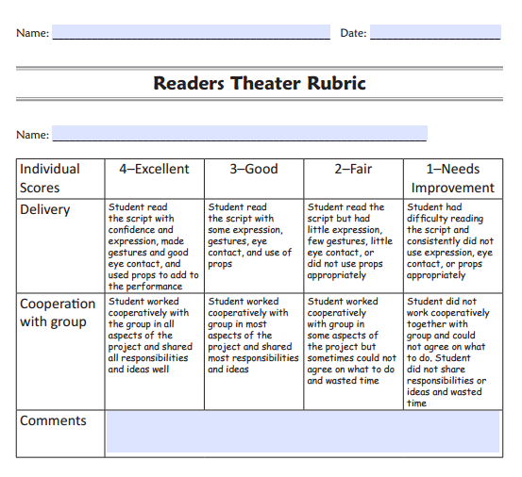 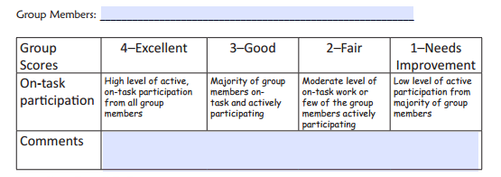 The Group's Reader's Theater presentation is being scored. Be guided with the Rubrics for both individual and group presentation.https://www.nlsd113.com/ckfinder/userfiles/files/Arts%20Education/Rubric-for-Readers-Theatre.pdf
10 |  | minutes
4.7 Assignment |  |  | Enhancing / improving the day’s lesson |  | Construct and write a 3-paragraph essay about your experiences in helping others.
5 |  | minutes
4.8 Concluding Activity |  |  | Sentence Completion: Based on what I have understood on the essay about helping others, I conclude that ___________________________________________________.
5 |  | minutes
5. Remarks
6. Reflections
A. No. of learners who earned 80% in the evaluation. |  |  |  |  | C. Did the remedial lessons work? No. of learners who have caught up with the lesson.
B. No. of learners who require additional activities for remediation. |  |  |  |  | D. No. of learners who continue to require remediation.
E. Which of my learning strategies worked well? Why did these work?
F. What difficulties did I encounter which my principal or supervisor can help me solve?
G. What innovation or localized materials did I use/discover which I wish to share with other teachers?

Prepared by:
Name: | LEAH L. CONDINA |  |  |  | School: | OSLOB SECONDARY SCHOOLS
Position/ Designation: | TEACHER 1 |  |  |  | Division: | CEBU PROVINCE
Contact Number: | 0942-247-7175 |  |  |  | Email address: | lundaylc@gmail.com

 |  |  |  |  |  |  |  |  | attitude
 |  |  |  |  |  |  |  |  | Receiving Phenomena
 |  |  |  |  |  |  |  |  | Responding to Phenomena
 |  |  |  |  |  |  |  |  | Valuing
 |  |  |  |  |  |  |  |  | Organization
 |  |  |  |  |  |  |  |  | Internalizing values
 |  |  |  |  |  |  |  |  | assignment
 |  |  |  |  |  |  |  |  | Reinforcing / strengthening the day’s lesson
 |  |  |  |  |  |  |  |  | Enriching / inspiring the day’s lesson
 |  |  |  |  |  |  |  |  | Enhancing / improving the day’s lesson
 |  |  |  |  |  |  |  |  | Preparing for the new lesson

 |  |  |  |  |  |  |  |  | assessment
 |  |  |  |  |  |  |  |  | Observation
 |  |  |  |  |  |  |  |  | Talking to Learners/ Conferencing
 |  |  |  |  |  |  |  |  | Anlysis of Learners' Products
 |  |  |  |  |  |  |  |  | Tests

