Sheet1
Instructional Planning
 |  | (The process of systematically planning, developing, evaluating and managing the instructional process by using principles of teaching and learning - D.O. 42, s. 2016)

Detailed Lesson Plan (DLP) Format

DLP No.: | Learning Area: |  |  | Grade Level: | Quarter: | Duration: |  | Date:
30 | English |  |  | 9 | 2 | 60 |  | 2017-09-25
Learning Competency/ies: |  |  | *Interpret information found in non-linear texts such as diagrams, maps, charts, etc. *React and share personal opinion about the ideas presented in the material viewed and listened to. |  |  |  | Code:
(Taken from the Curriculum Guide) |  |  |  |  |  |  | EN9RC-IIg-5 En9LC-IIg-3.13 EN9VC-IIg-23
Key Concepts / Understandings to be Developed |  |  | Non-linear texts, its contexts are organized in a network structure. They are helpful tool in crafting or organizing ideas listened or watched.
Domain |  | Adapted Cognitive Process Dimensions (D.O. No. 8, s. 2015) |  | OBJECTIVES:
Knowledge The fact or condition of knowing something with familiarity gained through experience or association |  | Remembering
 |  | Understanding |  | Interpret information found in non-linear texts such as diagrams, maps, charts, etc.

Skills The ability and capacity acquired through deliberate, systematic, and sustained effort to smoothly and adaptively carryout complex activities or the ability, coming from one's knowledge, practice, aptitude, etc., to do something |  | Applying
 |  | Analyzing
 |  | Evaluating
 |  | Creating |  | Construct a cycle map out of the material viewed and listened.

Attitude |  | Internalizing values |  | Display personal discipline in crafting their own non-linear text.
Values |  | Internalizing values |  | Practice and display helping and generosity to others.
2. Content |  |  |  | Non-linear Text
3. Learning Resources |  |  |  | English LM 9, on-line resources
4. Procedures
4.1 Introductory Activity |  |  | Task 1: Bundle of Joy Present to the learners a bundle of broomstick and let them think of a word that can associate to the broomstick.
3 |  | minutes
4.2 Activity |  |  | Task 2:Present to the class a linear text and its non-linear text. Have the students differentiate between a linear presentation and non-linear presentation through Venn Diagram Task 3: Let the learners watch the video entitled Life Vest Inside-Kindness Boomerang through this link http://www.youtube.com/watch?v=nwAYpLVyeFU. *While watching and listening, let the learners take down the events happening.
15 |  | minutes
4.3 Analysis |  |  | Ask the learners the following questions: 1. What are your feelings after watching the video presentation? 2. What is the video all about? 3. In what way was "working with others" shown in the video? 4. Why is it entitled Kindness Boomerang? 5. Do you believe that people nowadays can actually help and work with each other with kindness?
8 |  | minutes
4.4 Abstraction |  |  | 1.Let the teacher lead the class to generalize the discussion through a lecturette. Non-linear text is a text combined with visual elements. The reading path is non-sequential. The examples are pictures, graphs, tables, graphic organizer. It is a helpful tool in organizing ideas.
10 |  | minutes
4.5 Application |  |  | 1. Based on the video, draw a cycle map (an example of non-linear presentation) about how kindness begets kindness. 2. While doing the activity, display personal discipline in crafting their own non-linear presentation and manifest helping and generosity by tutoring your classmate who is in need.
9 |  | minutes
4.6 Assessment |  |  | Anlysis of Learners' Products |  | Let the learners form 5 groups. 1.Provide each group a copy of non-linear text and let them interpet the information. Group 1: Tables Group 2: Pie Graph Group 3: Line Graph Group 4: Concept Map Group 5: Venn Diagram 2. Present their answer to the class. 3.Observe cooperation among your group members. Note: See attached graphs in the appendices.
10 |  | minutes
4.7 Assignment |  |  | Preparing for the new lesson |  | Read in advance the story entitled "Thank You, Ma'am'' by Langston Hughes on page 219 of your textbook.
2 |  | minutes
4.8 Concluding Activity |  |  | Ask: Who can discuss to the class the meaning of non-linear text and can give examples of non-linear text?
3 |  | minutes
5. Remarks
6. Reflections
A. No. of learners who earned 80% in the evaluation. |  |  |  |  | C. Did the remedial lessons work? No. of learners who have caught up with the lesson.
B. No. of learners who require additional activities for remediation. |  |  |  |  | D. No. of learners who continue to require remediation.
E. Which of my learning strategies worked well? Why did these work?
F. What difficulties did I encounter which my principal or supervisor can help me solve?
G. What innovation or localized materials did I use/discover which I wish to share with other teachers?

Prepared by:
Name: | RANDOLF F. RENDON |  |  |  | School: | PUNGTOD NATIONAL HIGH SCHOOL
Position/ Designation: | SST-1 |  |  |  | Division: | CEBU PROVINCE
Contact Number: | 09159037424 |  |  |  | Email address: | rendonrandolf83@gmail.com

Appendices:
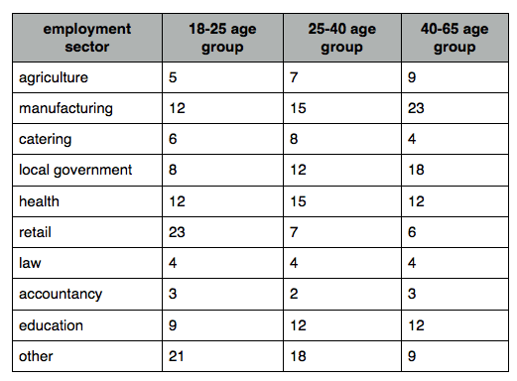

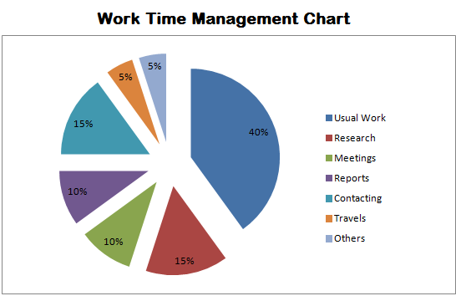

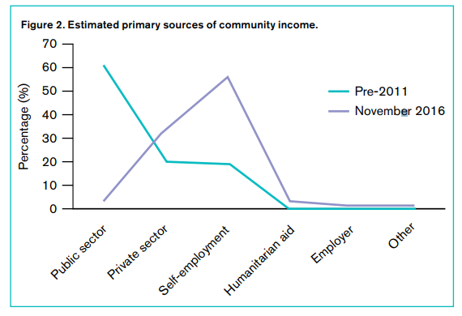

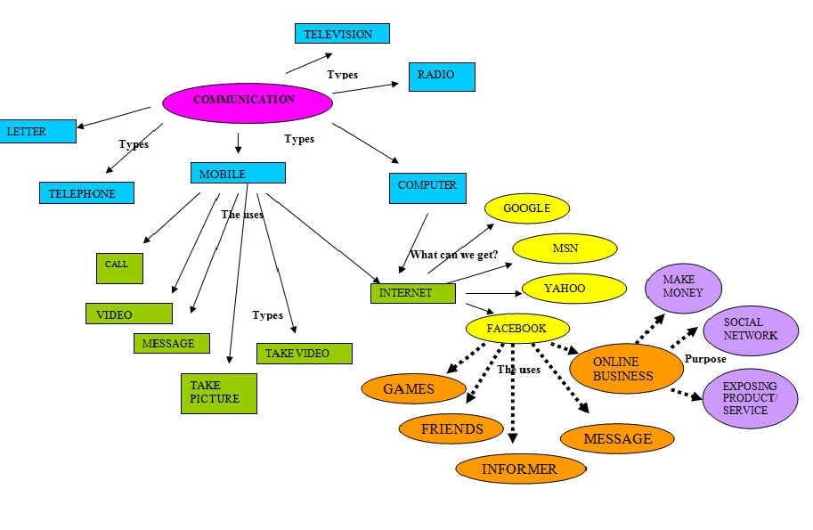

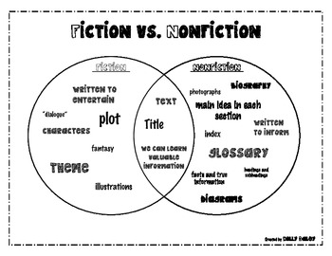

 |  |  |  |  |  |  |  |  | attitude
 |  |  |  |  |  |  |  |  | Receiving Phenomena
 |  |  |  |  |  |  |  |  | Responding to Phenomena
 |  |  |  |  |  |  |  |  | Valuing
 |  |  |  |  |  |  |  |  | Organization
 |  |  |  |  |  |  |  |  | Internalizing values
 |  |  |  |  |  |  |  |  | assignment
 |  |  |  |  |  |  |  |  | Reinforcing / strengthening the day’s lesson
 |  |  |  |  |  |  |  |  | Enriching / inspiring the day’s lesson
 |  |  |  |  |  |  |  |  | Enhancing / improving the day’s lesson
 |  |  |  |  |  |  |  |  | Preparing for the new lesson

 |  |  |  |  |  |  |  |  | assessment
 |  |  |  |  |  |  |  |  | Observation
 |  |  |  |  |  |  |  |  | Talking to Learners/ Conferencing
 |  |  |  |  |  |  |  |  | Anlysis of Learners' Products
 |  |  |  |  |  |  |  |  | Tests

