Sheet1
Instructional Planning
 |  | (The process of systematically planning, developing, evaluating and managing the instructional process by using principles of teaching and learning - D.O. 42, s. 2016)

Detailed Lesson Plan (DLP) Format

DLP No.: | Learning Area: |  |  | Grade Level: | Quarter: | Duration: |  | Date:
38 | ENGLISH |  |  | 9 | SECOND | 60 |  | 2017-10-06
Learning Competency/ies: |  |  | > Use the appropriate prosodic features of speech when delivering lines in a Readers Theatre or in a Chamber Theatre |  |  |  | Code:
(Taken from the Curriculum Guide) |  |  |  |  |  |  | EN9G-IIh-20
Key Concepts / Understandings to be Developed |  |  | Students will learn how indifference can adversely affect the life of another and how caring for someone can be a means to peace.
Domain |  | Adapted Cognitive Process Dimensions (D.O. No. 8, s. 2015) |  | OBJECTIVES:
Knowledge The fact or condition of knowing something with familiarity gained through experience or association |  | Remembering
 |  | Understanding |  | Discuss about tone, intonation, and stress

Skills The ability and capacity acquired through deliberate, systematic, and sustained effort to smoothly and adaptively carryout complex activities or the ability, coming from one's knowledge, practice, aptitude, etc., to do something |  | Applying |  | Use speech symbols in Readers Theatre
 |  | Analyzing
 |  | Evaluating
 |  | Creating

Attitude |  | Receiving Phenomena |  | Show respect in to others
Values |  | Valuing |  | Practice oneness in group activity
2. Content |  |  |  | Readers Theatre
3. Learning Resources |  |  |  | English 9 LM; Online Sources
4. Procedures
4.1 Introductory Activity |  |  | The teacher will let the students arranged the jumbled letters. The word is Readers Theatre.
4 |  | minutes
4.2 Activity |  |  | The students will be asked to recall and discuss about Readers Theatre.
10 |  | minutes
4.3 Analysis |  |  | The teacher will start a discussion about the topic.
14 |  | minutes
4.4 Abstraction |  |  | Questions: 1. What is Readers Theatre? 2. What is tone? 3. What is stress? 4. What is intonation?
10 |  | minutes
4.5 Application |  |  | Group Activity: Choose a literary piece you would like to perform. Use appropriate tone, stress, and intonation in Readers Theatre.
10 |  | minutes
4.6 Assessment |  |  | Anlysis of Learners' Products |  | 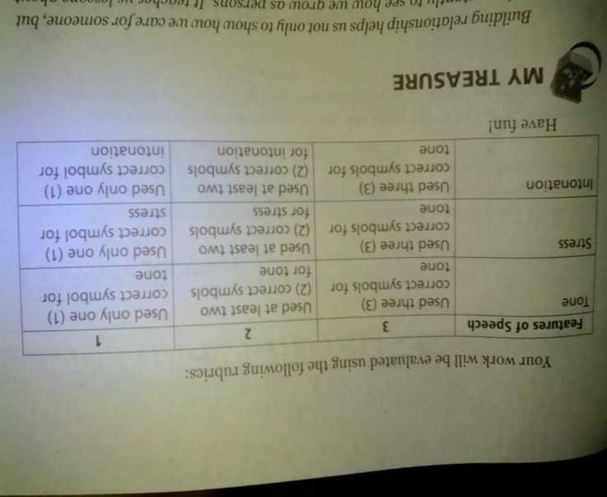 Refer to English 9 LM, page 215
8 |  | minutes
4.7 Assignment |  |  | Enhancing / improving the day’s lesson |  | Review: 1. Intonation 2. Stress 3. Tone 4. Readers Theatre
2 |  | minutes
4.8 Concluding Activity |  |  | “Building relationship helps us not only to show how we care for someone, but more importantly to see how we grow as persons. It teaches us lessons about life that otherwise would be difficult to learn, lessons about communication, listening, compromise, and giving selflessly of ourselves and expecting nothing in return - the fruit of overcoming indifference.”
2 |  | minutes
5. Remarks
6. Reflections
A. No. of learners who earned 80% in the evaluation. |  |  |  |  | C. Did the remedial lessons work? No. of learners who have caught up with the lesson.
B. No. of learners who require additional activities for remediation. |  |  |  |  | D. No. of learners who continue to require remediation.
E. Which of my learning strategies worked well? Why did these work?
F. What difficulties did I encounter which my principal or supervisor can help me solve?
G. What innovation or localized materials did I use/discover which I wish to share with other teachers?

Prepared by:
Name: | JENNIFER P. SUYCANO |  |  |  | School: | OSLOB SECONDARY SCHOOLS
Position/ Designation: | T1 |  |  |  | Division: | CEBU
Contact Number: | 9186299514 |  |  |  | Email address: | suycanojennifer@yahoo.com

 |  |  |  |  |  |  |  |  | attitude
 |  |  |  |  |  |  |  |  | Receiving Phenomena
 |  |  |  |  |  |  |  |  | Responding to Phenomena
 |  |  |  |  |  |  |  |  | Valuing
 |  |  |  |  |  |  |  |  | Organization
 |  |  |  |  |  |  |  |  | Internalizing values
 |  |  |  |  |  |  |  |  | assignment
 |  |  |  |  |  |  |  |  | Reinforcing / strengthening the day’s lesson
 |  |  |  |  |  |  |  |  | Enriching / inspiring the day’s lesson
 |  |  |  |  |  |  |  |  | Enhancing / improving the day’s lesson
 |  |  |  |  |  |  |  |  | Preparing for the new lesson

 |  |  |  |  |  |  |  |  | assessment
 |  |  |  |  |  |  |  |  | Observation
 |  |  |  |  |  |  |  |  | Talking to Learners/ Conferencing
 |  |  |  |  |  |  |  |  | Anlysis of Learners' Products
 |  |  |  |  |  |  |  |  | Tests

