DLP6
Instructional Planning
 |  | (The process of systematically planning, developing, evaluating and managing the instructional process by using principles of teaching and learning - D.O. 42, s. 2016)

Detailed Lesson Plan (DLP) Format

DLP No.: | Learning Area: |  |  | Grade Level: | Quarter: | Duration: |  | Date:
6 | MATHEMATICS |  |  | 9 | I | 60
Learning Competency/ies: |  |  | Solves quadratic equations by: (a) extracting square root ; (b)factoring; ( c ) completing the square ; and (d) using quadratic formula |  |  |  | Code:
(Taken from the Curriculum Guide) |  |  |  |  |  |  | M9AL-Ia-b-1
Key Concepts / Understandings to be Developed |  |  | To solve such quadratic equations, the following procedure can be followed. a. Transform the quadratic equation into standard form if necessary. b. Factor the quadratic expression. c. Apply the zero product property by setting each factor of the quadratic expression equal to 0. Zero Product Property If the product of two real numbers is zero, then either of the two is equal to zero or both numbers are equal to zero. d. Solve each resulting equation. e. Check the values of the variable obtained by substituting each in the original
Domain |  | Adapted Cognitive Process Dimensions (D.O. No. 8, s. 2015) |  | OBJECTIVES:
Knowledge The fact or condition of knowing something with familiarity gained through experience or association |  | Remembering |  | describe the equations that can be solve by factoring.
 |  | Understanding |  | explain how to find the roots of quadratic equation using the method factoring.

Skills The ability and capacity acquired through deliberate, systematic, and sustained effort to smoothly and adaptively carryout complex activities or the ability, coming from one's knowledge, practice, aptitude, etc., to do something |  | Applying |  | solve quadratic equations by factoring and to tell what the solution ina problem situation..
 |  | Analyzing
 |  | Evaluating
 |  | Creating |  | develop logical reasoning.

Attitude |  | Receiving Phenomena |  | Follow the process in factoring.
Values |  | Valuing |  | Respect the ideas of the members of the group.
2. Content |  |  |  | Solving Quadratic Equations by Factoring
3. Learning Resources |  |  |  | Math 9 book, internet sources , Vibal
4. Procedures
4.1 Introductory Activity |  |  | Dicussion of the homework. Questions to ask: What answer did you get for the the title question of the worksheet? Which of the equation did you find difficult?
8 |  | minutes
4.2 Activity |  |  | 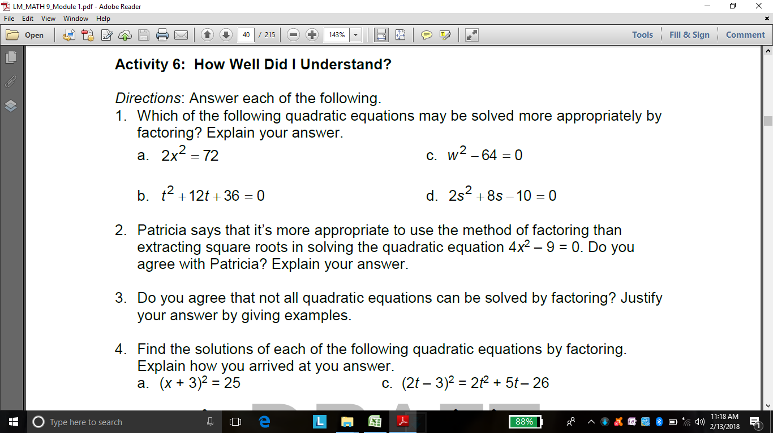
15 |  | minutes
4.3 Analysis
10 |  | minutes
4.4 Abstraction |  |  | How to solve quadratic equation? To solve such quadratic equations : 1. Transform the quadratic equation into standard form if necessary. 2. Factor the expression. 3.Apply the Zero Property by setting each factor of the quadratic expression equal to zero. 4. Solve each resulting equation. 5. Check the values of the variables to the original expressions.
10 |  | minutes
4.5 Application
6 |  | minutes
4.6 Assessment |  |  | Anlysis of Learners' Products
6 |  | minutes
4.7 Assignment |  |  | Enhancing / improving the day’s lesson
3 |  | minutes
4.8 Concluding Activity |  |  | Reflection:"Constant practice makes perfect ."
2 |  | minutes
5. Remarks
6. Reflections
A. No. of learners who earned 80% in the evaluation. |  |  |  |  | C. Did the remedial lessons work? No. of learners who have caught up with the lesson.
B. No. of learners who require additional activities for remediation. |  |  |  |  | D. No. of learners who continue to require remediation.
E. Which of my learning strategies worked well? Why did these work?
F. What difficulties did I encounter which my principal or supervisor can help me solve?
G. What innovation or localized materials did I use/discover which I wish to share with other teachers?
Prepared by:
Name: | Cecilia Princesa, Jhocel Legarde, Jerelyn Nava, Carmelo Borbon, Gerald Rosero |  |  |  | School: | OSLOB SECONDARY SCHOOLS
Position/ Designation: |  |  |  |  | Division: | CEBU PROVINCE
Contact Number: |  |  |  |  | Email address:
Quality Assured by: |  |  | EDSEL M. URSAL

 |  |  |  |  |  |  |  |  | attitude
 |  |  |  |  |  |  |  |  | Receiving Phenomena
 |  |  |  |  |  |  |  |  | Responding to Phenomena
 |  |  |  |  |  |  |  |  | Valuing
 |  |  |  |  |  |  |  |  | Organization
 |  |  |  |  |  |  |  |  | Internalizing values
 |  |  |  |  |  |  |  |  | assignment
 |  |  |  |  |  |  |  |  | Reinforcing / strengthening the day’s lesson
 |  |  |  |  |  |  |  |  | Enriching / inspiring the day’s lesson
 |  |  |  |  |  |  |  |  | Enhancing / improving the day’s lesson
 |  |  |  |  |  |  |  |  | Preparing for the new lesson

 |  |  |  |  |  |  |  |  | assessment
 |  |  |  |  |  |  |  |  | Observation
 |  |  |  |  |  |  |  |  | Talking to Learners/ Conferencing
 |  |  |  |  |  |  |  |  | Anlysis of Learners' Products
 |  |  |  |  |  |  |  |  | Tests

