1
Instructional Planning
 |  | (The process of systematically planning, developing, evaluating and managing the instructional process by using principles of teaching and learning - D.O. 42, s. 2016)

Detailed Lesson Plan (DLP) Format

DLP No.: | Learning Area: |  |  | Grade Level: | Quarter: | Duration: |  | Date:
1 | Physical Education |  |  | VII | 1 | 60
Learning Competency/ies: |  |  | Undertakes physical activity and physical fitness assessments. |  |  |  | Code:
(Taken from the Curriculum Guide) |  |  |  |  |  |  | PE7PF-Ia-h-23
Key Concepts / Understandings to be Developed |  |  | Assessing physical activity and physical fitness allows the learners to understand how to achieve the desirable level of fitness.
Domain |  | Adapted Cognitive Process Dimensions (D.O. No. 8, s. 2015) |  | OBJECTIVES:
Knowledge The fact or condition of knowing something with familiarity gained through experience or association |  | Remembering |  | Define physical activity and physical fitness and its components.
 |  | Understanding
Skills The ability and capacity acquired through deliberate, systematic, and sustained effort to smoothly and adaptively carryout complex activities or the ability, coming from one's knowledge, practice, aptitude, etc., to do something |  | Applying |  | Execute the different physical fitness test.
 |  | Analyzing
 |  | Evaluating
 |  | Creating
Attitude |  | Valuing |  | Appreciate the importance of having physical fitness activities.
Values |  | Receiving Phenomena |  | Follow proper procedures in performing physical fitness activities.
2. Content |  |  |  | Exersice Program: Training Guidelines, FITT Principles
3. Learning Resources |  |  |  | Learner's Material for P.E. and Health 7
4. Procedures
4.1 Introductory Activity |  |  | 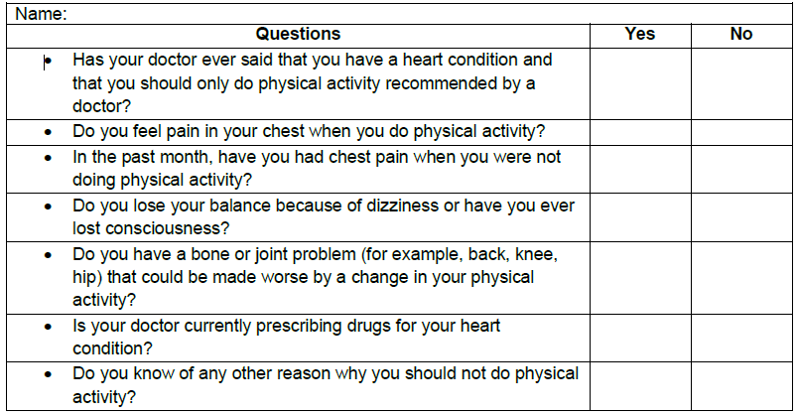 Activity 1: Physical Activity Readiness Questionnaire Let the students answer the questions to assess the readiness of the students in participating physical activities. Student are given two minutes to answer and three minutes to process their answers with the help of the teacher. Source: Canadian Society foe Exercise Physiology. (2002). Physical Activity Readiness Questionnaire-PAR-Q. Retrieved from www.csep.ca/forms
5 |  | minutes
4.2 Activity |  |  | Activity 2: Warm-up Exercises The students will do the warm-up exercise through watching a video.
10 |  | minutes
4.3 Analysis |  |  | 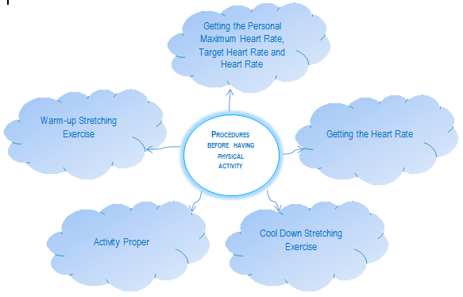 After having the warm-up stretching exercise the teacher will ask the students. * What can you say about the activity? * Why do people do some physical activity?Group the students into three. Each group will make a concept map and share their ideas about the proper procedure and the importance of knowing the procedure in having physical activity. They will be given ten minutes to prepare and discuss with their group. Guide Questions: * What is the proper procedures in performing physical activity? Possible Answer: * What are the importance of knowing the proper procedure in having physical activity?
10 |  | minutes
4.4 Abstraction |  |  | The teacher will ask the students to check if the students has the idea about their activity. They will be given ten minutes to process and clarify questions. Guide Questions: * What are the different physical fitness components? Possible Answers: Skill Related Fitness (Agility, Balance, Power, Coordination, Reaction Time, Speed) Health Related Fitness (Cardiovascular Endurance, Muscular Strength, Muscular Endurance, Flexibility, Body Compmposition) * What activities that can test the different physical fitness components? Possible Answers: Push-ups, Curl-Ups, Standing Long Jump, Zipper Test, Height and Weight, Hexagon Agility Test, One Leg Stand, Juggling, Stick Drop Test, 50-Meter Sprint, Discuss the safety measures in conducting the physical fitness test.
10 |  | minutes
4.5 Application |  |  | The students will perform the health related physical fitness test in order to determine the level of fitness and identify strength and weaknesses for them to develop their own exercise program . The students will record the result of their test. (Note: See attachment for their score card)
15 |  | minutes
4.6 Assessment |  |  | Anlysis of Learners' Products |  | The teacher will assess students learning through asking questions in five minutes finish the activity. Ask the processing questions: * What is the result of the fitness test reveal about your present fitness level? * Which tests did you score satisfactorily? Poorly? What should you do about it? * Which of the two levels of activity intensity did your heart rate during the conduct of the Fitness Test fall? * How important is taking your THR when participating in a certain physical activity?
5 |  | minutes
4.7 Assignment |  |  | Preparing for the new lesson/Follow-up |  | Bring extra T-shirt for the continuation of the Skill Related physical fitness test.
2 |  | minutes
4.8 Concluding Activity |  |  | "You don't have to be great to start, you have to start to be great."
3 |  | minutes
5. Remarks
6. Reflections
A. No. of learners who earned 80% in the evaluation. |  |  |  |  | C. Did the remedial lessons work? No. of learners who have caught up with the lesson.
B. No. of learners who require additional activities for remediation. |  |  |  |  | D. No. of learners who continue to require remediation.
E. Which of my learning strategies worked well? Why did these work?
F. What difficulties did I encounter which my principal or supervisor can help me solve?
G. What innovation or localized materials did I use/discover which I wish to share with other teachers?

Prepared by:
Name: | Liezel M. Cañete |  |  |  | School: | Juan Pamplona National High School
Position/ Designation: | Teacher 1 |  |  |  | Division: | Cebu Province
Contact Number: | 09321754915 |  |  |  | Email address: | canete.liezel@yahoo.com

 |  |  |  |  |  |  |  |  | attitude
 |  |  |  |  |  |  |  |  | Receiving Phenomena
 |  |  |  |  |  |  |  |  | Responding to Phenomena
 |  |  |  |  |  |  |  |  | Valuing
 |  |  |  |  |  |  |  |  | Organization
 |  |  |  |  |  |  |  |  | Internalizing values
 |  |  |  |  |  |  |  |  | assignment
 |  |  |  |  |  |  |  |  | Reinforcing / strengthening the day’s lesson
 |  |  |  |  |  |  |  |  | Enriching / inspiring the day’s lesson
 |  |  |  |  |  |  |  |  | Enhancing / improving the day’s lesson
 |  |  |  |  |  |  |  |  | Preparing for the new lesson

 |  |  |  |  |  |  |  |  | assessment
 |  |  |  |  |  |  |  |  | Observation
 |  |  |  |  |  |  |  |  | Talking to Learners/ Conferencing
 |  |  |  |  |  |  |  |  | Anlysis of Learners' Products
 |  |  |  |  |  |  |  |  | Tests

4
Instructional Planning
 |  | (The process of systematically planning, developing, evaluating and managing the instructional process by using principles of teaching and learning - D.O. 42, s. 2016)

Detailed Lesson Plan (DLP) Format

DLP No.: | Learning Area: |  |  | Grade Level: | Quarter: | Duration: |  | Date:
4 | Physical Education |  |  | VII | 1 | 60
Learning Competency/ies: |  |  | Recognize barriers (low level of fitness, lack of skill and time) to exercise. |  |  |  | Code:
(Taken from the Curriculum Guide) |  |  |  |  |  |  | PE7PF-Ib-26
Key Concepts / Understandings to be Developed |  |  | Barriers to exercise.
Domain |  | Adapted Cognitive Process Dimensions (D.O. No. 8, s. 2015) |  | OBJECTIVES:
Knowledge The fact or condition of knowing something with familiarity gained through experience or association |  | Remembering |  | Recognize the barriers to physically active exercise.
 |  | Understanding
Skills The ability and capacity acquired through deliberate, systematic, and sustained effort to smoothly and adaptively carryout complex activities or the ability, coming from one's knowledge, practice, aptitude, etc., to do something |  | Applying
 |  | Analyzing |  | Differentiate the physically active and none active individual.
 |  | Evaluating
 |  | Creating |  | Plan out physical activities that will enhance physical fitness
Attitude |  | Organization
Values |  | Receiving Phenomena |  | Self determination to perform physical exercises
2. Content |  |  |  | Barriers to Exercise
3. Learning Resources |  |  |  | Physical Education and Health Learner's Material 7, Notebook and Ball Pen, Stop Watch
4. Procedures
4.1 Introductory Activity |  |  | Let the students do the daily routine. * Prayer * Obtain Resting Heart Rate * Have a warm-up exercise ~ Slow Jog ~ Lunge ~ High Knees ~ Side Shuffle (left foot leading) ~ Side Shuffle (right foot leading)
5 |  | minutes
4.2 Activity |  |  | Let the students answer the Barriers to Being Active Survey. This will be the procedure in doing the activity. 1. Read the statement and put a check mark on the column that expresses their feeling. 2. Enterd the circled number in the spaces provided, putting together the number for statement 1 on line 1, statement 2 on line 2, and so on 3. Add three scores on aech line. Your barriers to physical activity fall into one more of seven categories: lack of time, social influences, lack of skill, and lack of resources. 4. A score of 5 or above in any category shows that this is an important barriers to overcome. (Note: Please see attachment for the survey form and the scoring.)
5 |  | minutes
4.3 Analysis |  |  | Process the answer of students by asking some volunteers to give their ideas. 1. Based on your answers on physical activity barriers survey, choose the top five scores ranking them from highest to least. Ask yourself why they are barriers. List down several ways you might begin to overcome each one.
10 |  | minutes
4.4 Abstraction |  |  | 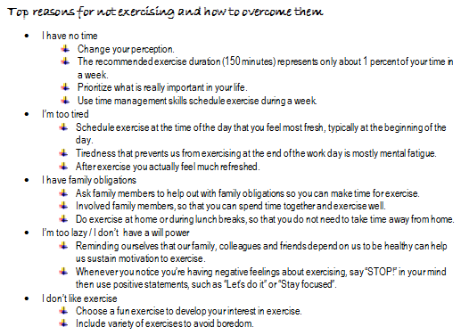
5 |  | minutes
4.5 Application |  |  | List down at least five activities you think you will enjoy participating. Explain why and list down the benefits you will get from the activity.
20 |  | minutes
4.6 Assessment |  |  | Anlysis of Learners' Products |  | Keep a diary of your daily routine activities starting from your morning rituals, the time you get from bed, classes you attend, activities, breakfast, lunch, dinner, and study time and so on. Looking at your daily pattern, how can you allot time for physical activity?
10 |  | minutes
4.7 Assignment |  |  | Reinforcing / strengthening the day’s lesson |  | Each group will inetrview a teacher about physical fitness.Here are some of the guide questions.1.How would you describe a physically fit and unfit person?2.Rate yourself from 1-10,1 is the lowest and 10 is the highest.Explain your answer.
2 |  | minutes
4.8 Concluding Activity |  |  | "Fitness is not being better than someone else…. It's about being better than you used to be."
3 |  | minutes
5. Remarks
6. Reflections
A. No. of learners who earned 80% in the evaluation. |  |  |  |  | C. Did the remedial lessons work? No. of learners who have caught up with the lesson.
B. No. of learners who require additional activities for remediation. |  |  |  |  | D. No. of learners who continue to require remediation.
E. Which of my learning strategies worked well? Why did these work?
F. What difficulties did I encounter which my principal or supervisor can help me solve?
G. What innovation or localized materials did I use/discover which I wish to share with other teachers?

Prepared by:
Name: | Liezel M. Cañete |  |  |  | School: | Juan Pamplona National High School
Position/ Designation: | Teacher 1 |  |  |  | Division: | Cebu Province
Contact Number: | 09321754915 |  |  |  | Email address: | canete.liezel@yahoo.com

 |  |  |  |  |  |  |  |  | attitude
 |  |  |  |  |  |  |  |  | Receiving Phenomena
 |  |  |  |  |  |  |  |  | Responding to Phenomena
 |  |  |  |  |  |  |  |  | Valuing
 |  |  |  |  |  |  |  |  | Organization
 |  |  |  |  |  |  |  |  | Internalizing values
 |  |  |  |  |  |  |  |  | assignment
 |  |  |  |  |  |  |  |  | Reinforcing / strengthening the day’s lesson
 |  |  |  |  |  |  |  |  | Enriching / inspiring the day’s lesson
 |  |  |  |  |  |  |  |  | Enhancing / improving the day’s lesson
 |  |  |  |  |  |  |  |  | Preparing for the new lesson

 |  |  |  |  |  |  |  |  | assessment
 |  |  |  |  |  |  |  |  | Observation
 |  |  |  |  |  |  |  |  | Talking to Learners/ Conferencing
 |  |  |  |  |  |  |  |  | Anlysis of Learners' Products
 |  |  |  |  |  |  |  |  | Tests

5
Instructional Planning
 |  | (The process of systematically planning, developing, evaluating and managing the instructional process by using principles of teaching and learning - D.O. 42, s. 2016)

Detailed Lesson Plan (DLP) Format

DLP No.: | Learning Area: |  |  | Grade Level: | Quarter: | Duration: |  | Date:
5 | Physical Education |  |  | VII | 1 | 60
Learning Competency/ies: |  |  | Prepares an exercise program. |  |  |  | Code:
(Taken from the Curriculum Guide) |  |  |  |  |  |  | PE7PF-Ic-27
Key Concepts / Understandings to be Developed |  |  | Exercise program is a planned activity dealing a range of physical exercises and the amount of time each exercise or a design to achieve personal fitness.
Domain |  | Adapted Cognitive Process Dimensions (D.O. No. 8, s. 2015) |  | OBJECTIVES:
Knowledge The fact or condition of knowing something with familiarity gained through experience or association |  | Remembering
 |  | Understanding |  | Explain the benefits of exercise program.

Skills The ability and capacity acquired through deliberate, systematic, and sustained effort to smoothly and adaptively carryout complex activities or the ability, coming from one's knowledge, practice, aptitude, etc., to do something |  | Applying
 |  | Analyzing
 |  | Evaluating
 |  | Creating |  | Create their own exercise program relating to the skills to develop based on the result of the physical fitness test.
Attitude |  | Receiving Phenomena |  | Give the importance of making your own exercise program to your personal fitness.
Values |  | Valuing |  | Value oneself through improving physical fitness
2. Content |  |  |  | Exercise Program: Training Guidelines, FITT Principles
3. Learning Resources |  |  |  | Manila paper, pentel pen, Physical Education and Health Learner's Material 7
4. Procedures
4.1 Introductory Activity |  |  | Let the students do the routine: * Prayer * General warm-up - Slow jog * Dynamic warm-up - Lunge, high knees, carioca
5 |  | minutes
4.2 Activity |  |  | 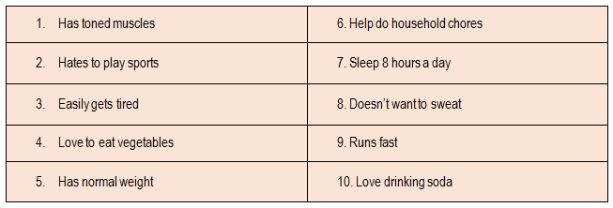 Activity 1: Fit or Fab The students will answer the following statements related to physical fitness.
5 |  | minutes
4.3 Analysis |  |  | Group the students into four. Each group will invite a teacher for interview. Students may use the guide questions listed below. 1. How would you describe a physically fit and unfiit pperson? 2. Why is iit important to bee physically fit? 3. Rate yourself fropm 1-10, are you physicaly fit individual? Explain your answer. 4. What do you think should be done to become a physically fit person?
5 |  | minutes
4.4 Abstraction |  |  | 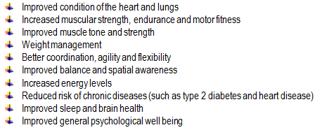 Activity 2: A Moment of Silence… Let the students open their book on page 14-15, tell the students to read and understand about the points we need to keep in mind when making an exercise program and so with the benefits of exercise program.They are given three minutes to read and to think then call some volunteers to share their ideas about the question listed below finish in seven minutes. * What is exercise program? Possible Answers: *What are the points to keep in mind in making a design your exercise program? Possible Answers: * What are the benefits in having an exercise program for your personal fitness? Possible Answers:
10 |  | minutes
4.5 Application |  |  | Activity 3: My Plan! My Goal! To help students attain their fitness goals, the teacher will let the students create their own exercise program relating to the skills develop based on the result of the fitness assessment and physical fitness test. Students will be group according to their body mass index and recreation they should think for the best exercise that suites their level of fitness. The students must provide exercises that will develop their flexibility, cardiovascular endurance and muscular strength/endurance. Sample table is shown below.
25 |  | minutes
4.6 Assessment |  |  | Analysis of Learners' Products |  | Ask some voluteers to share their ideas about the question. * What do you think are the importance of knowing the points to keep in mind in making your own exrcise program and the health benefits of exercise program?
5 |  | minutes
4.7 Assignment |  |  | Preparing for the new lesson |  | The teacher will let the students search the nature and background of the sports that suites their fitness.
2 |  | minutes
4.8 Concluding Activity |  |  | "You can't put on a limit on anything. The more you dream, the further you get."
3 |  | minutes
5. Remarks
6. Reflections
A. No. of learners who earned 80% in the evaluation. |  |  |  |  | C. Did the remedial lessons work? No. of learners who have caught up with the lesson.
B. No. of learners who require additional activities for remediation. |  |  |  |  | D. No. of learners who continue to require remediation.
E. Which of my learning strategies worked well? Why did these work?
F. What difficulties did I encounter which my principal or supervisor can help me solve?
G. What innovation or localized materials did I use/discover which I wish to share with other teachers?

Prepared by:
Name: | Liezel M. Cañete |  |  |  | School: | Juan Pamplona National High School
Position/ Designation: | Teacher 1 |  |  |  | Division: | Cebu Province
Contact Number: | 09321754915 |  |  |  | Email address: | canete.liezel@yahoo.com

 |  |  |  |  |  |  |  |  | attitude
 |  |  |  |  |  |  |  |  | Receiving Phenomena
 |  |  |  |  |  |  |  |  | Responding to Phenomena
 |  |  |  |  |  |  |  |  | Valuing
 |  |  |  |  |  |  |  |  | Organization
 |  |  |  |  |  |  |  |  | Internalizing values
 |  |  |  |  |  |  |  |  | assignment
 |  |  |  |  |  |  |  |  | Reinforcing / strengthening the day’s lesson
 |  |  |  |  |  |  |  |  | Enriching / inspiring the day’s lesson
 |  |  |  |  |  |  |  |  | Enhancing / improving the day’s lesson
 |  |  |  |  |  |  |  |  | Preparing for the new lesson

 |  |  |  |  |  |  |  |  | assessment
 |  |  |  |  |  |  |  |  | Observation
 |  |  |  |  |  |  |  |  | Talking to Learners/ Conferencing
 |  |  |  |  |  |  |  |  | Anlysis of Learners' Products
 |  |  |  |  |  |  |  |  | Tests

