HOME
Click the photos and it will redirect you to the document

DAILY LESSON PLAN 1

DAILY LESSON PLAN 2

DAILY LESSON PLAN 3
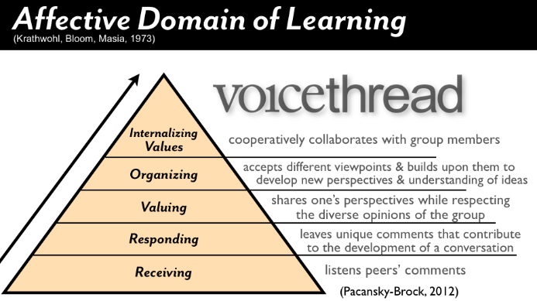
  WEEK #

DAILY LESSON PLAN 4

DAILY LESSON PLAN 5

