Appendix 4
Appendix 4 |  | Appendix 4

Factor the following: |  | Answer Key

$a^{2}$ - 9
$a^{2}$ - 1
1 | 6 | 1 | ( a + 9 ) ( a - 9 ) | 6 | ( a + 1 ) ( a - 1 )

$y^{2}$ - 81
$n^{2}$ - 16
2 | 7 | 2 | ( y + 9 ) ( y - 9 ) | 7 | ( n + 4 ) ( n - 4 )

$n^{2}$ - 144
$c^{2}$ - 64
3 | 8 | 3 | ( n + 12 ) ( n - 12 ) | 8 | ( c + 8 ) ( c - 8 )

$x^{2}$ - 25
$k^{2}$ - 100
4 | 9 | 4 | ( x + 5 ) ( x - 5 ) | 9 | ( k + 10 ) ( k -10 )

$a^{2}$ - 4
$m^{2}$ - 1000
5 | 10 | 5 | ( a + 2 ) ( a - 2 ) | 10 | ( m + 100 ) ( m - 100 )

Appendix 3
APPENDIX 3
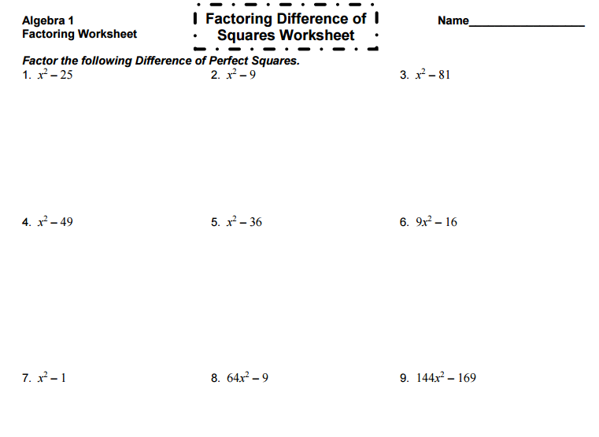

 | Appendix 3
 | Answer Key: FACTORING WORKSHEET:
 | 1. ( x + 5 ) ( x - 5 )
 | 2. ( x + 3 ) ( x- 3)
 | 3. ( x + 9 ) ( x -9)
 | 4. ( x + 7 ) (x - 7 )
 | 5. (x + 6 ) ( x - 6 )
 | 6. ( 3x + 4 ) ( 3x - 4 )
 | 7. ( x + 1 ) ( x -1 )
 | 8. ( 8x + 3 ) ( 8x - 3 )
 | 9. ( 12x + 13 ) ( 12 x - 13 )

puzzle appendix 1
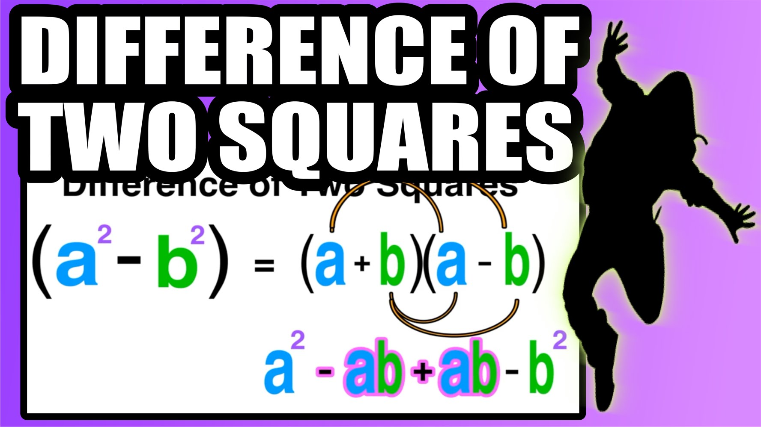

This picture is used for puzzle.

