Appendix 3
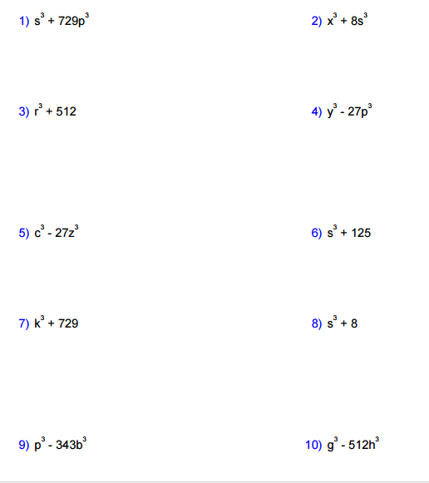
APPENDIX 3 | ANSWER KEY: APPENDIX 3
Factor completely.
 | 1. ( s + 9p ) ( s2 - 9ps + 81p2 )

 | 2. ( x + 2s ) ( x2 - 2sx + 4s2 )

 | 3. ( r + 8 ) ( r2 - 8r + 64r2 )

 | 4. ( y - 2p ) ( y2 + 2py + 4p2 )

 | 5. ( c - 3z ) ( c2 + 3cz + 9 z2 )

 | 6. ( s + 5 ) ( s2 - 5s + 25s2 )

 | 7. ( k + 9 ) ( k2 - 9k + 81k2 )

 | 8. ( s + 2 ) ( s2 - 2s + 4s2 )

 | 9. ( p - 7b ) ( p2 + 7bp + 49b2 )

 | 10. ( g - 8h ) ( g2 + 8gh + 64h2 )

