attachment 1
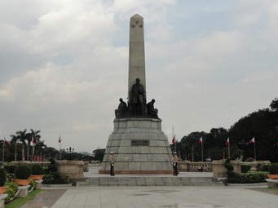



Attachment 1

