FIG.INTRO.ACTIVITY
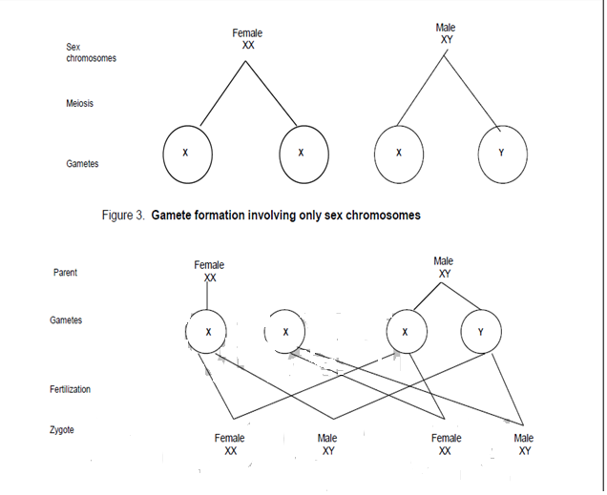
FIGURE FOR INTRODUCTORY ACTIVITY

