INTRO ATTACHMENT
Instructional Planning
 |  | (The process of systematically planning, developing, evaluating and managing the instructional process by using principles of teaching and learning - D.O. 42, s. 2016)

Detailed Lesson Plan (DLP) Format

DLP No.: | Learning Area: |  |  | Grade Level: | Quarter: | Duration: |  | Date:
23 | SCIENCE |  |  | 9 | 1 | 60 |  | 2017-07-05
Learning Competency/ies: |  |  | Relate species extinction to the failure of populations of organisms to adapt to abrupt changes in the environment. |  |  |  | Code:
(Taken from the Curriculum Guide) |  |  |  |  |  |  | S9LT-Ie-f-30
Key Concepts / Understandings to be Developed |  |  | Population pertains to the number of organisms of the same species living in a certain place.Biodiversity refers to the variety of life in an area. Communities with many different species ( a high index of diversity ) will be able to withstand environmental changes better than communities with only a few species ( a low index of diversity).
Domain |  | Adapted Cognitive Process Dimensions (D.O. No. 8, s. 2015) |  | OBJECTIVES:
Knowledge The fact or condition of knowing something with familiarity gained through experience or association |  | Remembering
 |  | Understanding |  | Explain the meaning of biodiversity, evolution,species, population and ecosytem

Skills The ability and capacity acquired through deliberate, systematic, and sustained effort to smoothly and adaptively carryout complex activities or the ability, coming from one's knowledge, practice, aptitude, etc., to do something |  | Applying
 |  | Analyzing
 |  | Evaluating |  | Measure species distribution using with the mathematical way of expressing the amount of biodiversity and species distribution in a community.
 |  | Creating

Attitude |  | Valuing |  | Compare the diversities of two communities.
Values |  | Valuing |  | Realize how important it is to have a balance environment and its effect on the life of all creatures.
2. Content |  |  |  | Biodiversity and Evolution - Index of Diversity
3. Learning Resources |  |  |  | LM pp. 65-66,TG pp.48-50,pen,paper
4. Procedures
Biodiversity
a group of living organisms consisting of similar individuals capable of exchanging genes or interbreeding
4.1 Introductory Activity
Evolution
Species
Extinction
Population
Ecosytem
a biological community of interacting organisms and their physical environment
a situation in which a plant , an animal, a way of life, etc. stops existing
the variety of life in the world or in a particular habitat or ecosystem
a biological community of interacting organisms and their physical environment
the degree of compactness of a substance
all the inhabitants of a particular town, area, or country
10 |  | minutes
4.2 Activity
10 |  | minutes
4.3 Analysis
4.4 Abstraction
5 |  | minutes
4.5 Application
4.6 Assessment |  |  | Anlysis of Learners' Products
10 |  | minutes
4.7 Assignment |  |  | Enhancing / improving the day’s lesson
5 |  | minutes
4.8 Concluding Activity
5 |  | minutes
5. Remarks
6. Reflections
A. No. of learners who earned 80% in the evaluation. |  |  |  |  | C. Did the remedial lessons work? No. of learners who have caught up with the lesson.
B. No. of learners who require additional activities for remediation. |  |  |  |  | D. No. of learners who continue to require remediation.
E. Which of my learning strategies worked well? Why did these work?
F. What difficulties did I encounter which my principal or supervisor can help me solve?
G. What innovation or localized materials did I use/discover which I wish to share with other teachers?

Prepared by:
Name: | MA. ASTRED T. CASTRO |  |  |  | School: | LAMAC NATIONAL HIGH SCHOOL
Position/ Designation: | TEACHER 1 |  |  |  | Division: | CEBU PROVINCE
Contact Number: | 9365228737 |  |  |  | Email address: | mileyshal17@yahoo.com

 |  |  |  |  |  |  |  |  | attitude
 |  |  |  |  |  |  |  |  | Receiving Phenomena
 |  |  |  |  |  |  |  |  | Responding to Phenomena
 |  |  |  |  |  |  |  |  | Valuing
 |  |  |  |  |  |  |  |  | Organization
 |  |  |  |  |  |  |  |  | Internalizing values
 |  |  |  |  |  |  |  |  | assignment
 |  |  |  |  |  |  |  |  | Reinforcing / strengthening the day’s lesson
 |  |  |  |  |  |  |  |  | Enriching / inspiring the day’s lesson
 |  |  |  |  |  |  |  |  | Enhancing / improving the day’s lesson
 |  |  |  |  |  |  |  |  | Preparing for the new lesson

 |  |  |  |  |  |  |  |  | assessment
 |  |  |  |  |  |  |  |  | Observation
 |  |  |  |  |  |  |  |  | Talking to Learners/ Conferencing
 |  |  |  |  |  |  |  |  | Anlysis of Learners' Products
 |  |  |  |  |  |  |  |  | Tests

ACTIVITY Attachment 2
Instructional Planning
 |  | (The process of systematically planning, developing, evaluating and managing the instructional process by using principles of teaching and learning - D.O. 42, s. 2016)

Detailed Lesson Plan (DLP) Format

DLP No.: | Learning Area: |  |  | Grade Level: | Quarter: | Duration: |  | Date:
23 | SCIENCE |  |  | 9 | 1 | 60 |  | 2017-07-05
Learning Competency/ies: |  |  | Relate species extinction to the failure of populations of organisms to adapt to abrupt changes in the environment. |  |  |  | Code:
(Taken from the Curriculum Guide) |  |  |  |  |  |  | S9LT-Ie-f-30
Key Concepts / Understandings to be Developed |  |  | Population pertains to the number of organisms of the same species living in a certain place.Biodiversity refers to the variety of life in an area. Communities with many different species ( a high index of diversity ) will be able to withstand environmental changes better than communities with only a few species ( a low index of diversity).
Domain |  | Adapted Cognitive Process Dimensions (D.O. No. 8, s. 2015) |  | OBJECTIVES:
Knowledge The fact or condition of knowing something with familiarity gained through experience or association |  | Remembering
 |  | Understanding |  | Explain the meaning of biodiversity, evolution,species, population and ecosytem

Skills The ability and capacity acquired through deliberate, systematic, and sustained effort to smoothly and adaptively carryout complex activities or the ability, coming from one's knowledge, practice, aptitude, etc., to do something |  | Applying
 |  | Analyzing
 |  | Evaluating |  | Measure species distribution using with the mathematical way of expressing the amount of biodiversity and species distribution in a community.
 |  | Creating

Attitude |  | Valuing |  | Compare the diversities of two communities.
Values |  | Valuing |  | Realize how important it is to have a balance environment and its effect on the life of all creatures.
2. Content |  |  |  | Biodiversity and Evolution - Index of Diversity
3. Learning Resources |  |  |  | LM pp. 65-66,TG pp.48-50,pen,paper
4. Procedures
4.1 Introductory Activity
4.2 Activity |  |  | 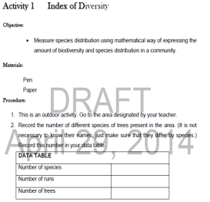 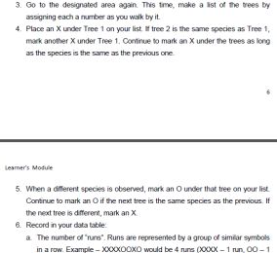  Procedures:
10 |  | minutes
4.3 Analysis
4.4 Abstraction
5 |  | minutes
4.5 Application
4.6 Assessment |  |  | Anlysis of Learners' Products
10 |  | minutes
4.7 Assignment |  |  | Enhancing / improving the day’s lesson
5 |  | minutes
4.8 Concluding Activity
5 |  | minutes
5. Remarks
6. Reflections
A. No. of learners who earned 80% in the evaluation. |  |  |  |  | C. Did the remedial lessons work? No. of learners who have caught up with the lesson.
B. No. of learners who require additional activities for remediation. |  |  |  |  | D. No. of learners who continue to require remediation.
E. Which of my learning strategies worked well? Why did these work?
F. What difficulties did I encounter which my principal or supervisor can help me solve?
G. What innovation or localized materials did I use/discover which I wish to share with other teachers?

Prepared by:
Name: | MA. ASTRED T. CASTRO |  |  |  | School: | LAMAC NATIONAL HIGH SCHOOL
Position/ Designation: | TEACHER 1 |  |  |  | Division: | CEBU PROVINCE
Contact Number: | 9365228737 |  |  |  | Email address: | mileyshal17@yahoo.com

 |  |  |  |  |  |  |  |  | attitude
 |  |  |  |  |  |  |  |  | Receiving Phenomena
 |  |  |  |  |  |  |  |  | Responding to Phenomena
 |  |  |  |  |  |  |  |  | Valuing
 |  |  |  |  |  |  |  |  | Organization
 |  |  |  |  |  |  |  |  | Internalizing values
 |  |  |  |  |  |  |  |  | assignment
 |  |  |  |  |  |  |  |  | Reinforcing / strengthening the day’s lesson
 |  |  |  |  |  |  |  |  | Enriching / inspiring the day’s lesson
 |  |  |  |  |  |  |  |  | Enhancing / improving the day’s lesson
 |  |  |  |  |  |  |  |  | Preparing for the new lesson

 |  |  |  |  |  |  |  |  | assessment
 |  |  |  |  |  |  |  |  | Observation
 |  |  |  |  |  |  |  |  | Talking to Learners/ Conferencing
 |  |  |  |  |  |  |  |  | Anlysis of Learners' Products
 |  |  |  |  |  |  |  |  | Tests

ASSESSMENT ATTACHMENT
Instructional Planning
 |  | (The process of systematically planning, developing, evaluating and managing the instructional process by using principles of teaching and learning - D.O. 42, s. 2016)

Detailed Lesson Plan (DLP) Format

DLP No.: | Learning Area: |  |  | Grade Level: | Quarter: | Duration: |  | Date:
21 | SCIENCE |  |  | 9 | 1 | 60 |  | 2017-07-05
Learning Competency/ies: |  |  | Relate species extinction to the failure of populations of organisms to adapt to abrupt changes in the environment. |  |  |  | Code:
(Taken from the Curriculum Guide) |  |  |  |  |  |  | S9LT-Ie-f-30
Key Concepts / Understandings to be Developed |  |  | Population pertains to the number of organisms of the same species living in a certain place.Biodiversity refers to the variety of life in an area. Communities with many different species ( a high index of diversity ) will be able to withstand environmental changes better than communities with only a few species ( a low index of diversity).
Domain |  | Adapted Cognitive Process Dimensions (D.O. No. 8, s. 2015) |  | OBJECTIVES:
Knowledge The fact or condition of knowing something with familiarity gained through experience or association |  | Remembering
 |  | Understanding |  | Explain the meaning of biodiversity, evolution,species, population and ecosytem

Skills The ability and capacity acquired through deliberate, systematic, and sustained effort to smoothly and adaptively carryout complex activities or the ability, coming from one's knowledge, practice, aptitude, etc., to do something |  | Applying
 |  | Analyzing
 |  | Evaluating |  | Measure species distribution using with the mathematical way of expressing the amount of biodiversity and species distribution in a community.
 |  | Creating

Attitude |  | Valuing |  | Compare the diversities of two communities.
Values |  | Valuing |  | Realize how important it is to have a balance environment and its effect on the life of all creatures.
2. Content |  |  |  | Biodiversity and Evolution - Index of Diversity
3. Learning Resources |  |  |  | LM pp. 65-66,TG pp.48-50,pen,paper
4. Procedures
4.1 Introductory Activity
10 |  | minutes
4.2 Activity
4.3 Analysis
4.4 Abstraction
4.5 Application
4.6 Assessment |  |  | 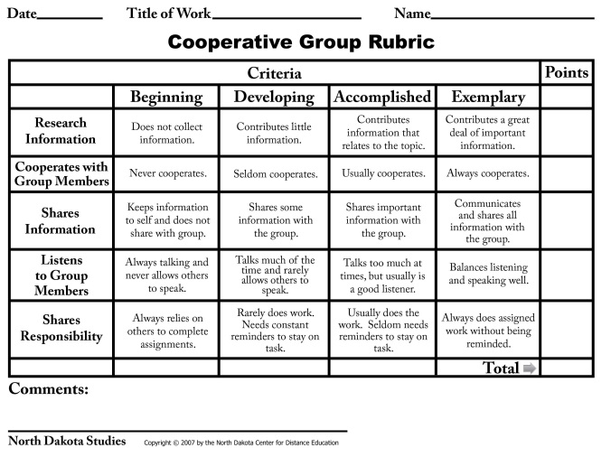 Anlysis of Learners' Products
10 |  | minutes
4.7 Assignment |  |  | Preparing for the new lesson
5 |  | minutes
4.8 Concluding Activity
5 |  | minutes
5. Remarks
6. Reflections
A. No. of learners who earned 80% in the evaluation. |  |  |  |  | C. Did the remedial lessons work? No. of learners who have caught up with the lesson.
B. No. of learners who require additional activities for remediation. |  |  |  |  | D. No. of learners who continue to require remediation.
E. Which of my learning strategies worked well? Why did these work?
F. What difficulties did I encounter which my principal or supervisor can help me solve?
G. What innovation or localized materials did I use/discover which I wish to share with other teachers?

Prepared by:
Name: | MA. ASTRED T. CASTRO |  |  |  | School: | LAMAC NATIONAL HIGH SCHOOL
Position/ Designation: | TEACHER 1 |  |  |  | Division: | CEBU PROVINCE
Contact Number: | 9365228737 |  |  |  | Email address: | mileyshal17@yahoo.com

 |  |  |  |  |  |  |  |  | attitude
 |  |  |  |  |  |  |  |  | Receiving Phenomena
 |  |  |  |  |  |  |  |  | Responding to Phenomena
 |  |  |  |  |  |  |  |  | Valuing
 |  |  |  |  |  |  |  |  | Organization
 |  |  |  |  |  |  |  |  | Internalizing values
 |  |  |  |  |  |  |  |  | assignment
 |  |  |  |  |  |  |  |  | Reinforcing / strengthening the day’s lesson
 |  |  |  |  |  |  |  |  | Enriching / inspiring the day’s lesson
 |  |  |  |  |  |  |  |  | Enhancing / improving the day’s lesson
 |  |  |  |  |  |  |  |  | Preparing for the new lesson

 |  |  |  |  |  |  |  |  | assessment
 |  |  |  |  |  |  |  |  | Observation
 |  |  |  |  |  |  |  |  | Talking to Learners/ Conferencing
 |  |  |  |  |  |  |  |  | Anlysis of Learners' Products
 |  |  |  |  |  |  |  |  | Tests

