activity Attachment 2
Instructional Planning
 |  | (The process of systematically planning, developing, evaluating and managing the instructional process by using principles of teaching and learning - D.O. 42, s. 2016)

Detailed Lesson Plan (DLP) Format

DLP No.: | Learning Area: |  |  | Grade Level: | Quarter: | Duration: |  | Date:
23 | SCIENCE |  |  | 9 | 1 | 60 |  | 2017-07-07
Learning Competency/ies: |  |  | Relate species extinction to the failure of populations of organisms to adapt to abrupt changes in the environment. |  |  |  | Code:
(Taken from the Curriculum Guide) |  |  |  |  |  |  | S9LT-Ie-f-30
Key Concepts / Understandings to be Developed |  |  | Extinction occurs when the last member of that species dies. When the population of a species begins declining rapidly, the species is said to be a threatened species. A species is endangered when its population has become so low that it is possible of becoming extinct. Human actions have resulted in habitat loss and degradation that have accelerated the rate of extinction.
Domain |  | Adapted Cognitive Process Dimensions (D.O. No. 8, s. 2015) |  | OBJECTIVES:
Knowledge The fact or condition of knowing something with familiarity gained through experience or association |  | Remembering |  | Define the meaning of extinct and endangered.
 |  | Understanding

Skills The ability and capacity acquired through deliberate, systematic, and sustained effort to smoothly and adaptively carryout complex activities or the ability, coming from one's knowledge, practice, aptitude, etc., to do something |  | Applying |  | Demonstrate, using a simulation activity, that habitat destruction can contribute to species extinction.
 |  | Analyzing |  | Distinguish between extinction and endangered species.
 |  | Evaluating
 |  | Creating

Attitude |  | Valuing |  | Work harmoniously with the group.
Values |  | Valuing
2. Content |  |  |  | Biodiversity and Evolution - Endangered But Not Extinct … Yet
3. Learning Resources |  |  |  | LM pp. 70-71,TG pp. 53-54,box of toothpicks, stopwatch/wristwatch, pencil, paper, flour
4. Procedures
4.1 Introductory Activity |  |  | Begin by showing them a short video clip entitled " Extinct and Endangered Animals " ( The video takes 3.04 minutes). After watching the video, ask them with the following questions:(You may have a volunteer to answer the questions or you may select a student.) (1) Is the world a safe place for all animals and plants? Why or why not? (2) What it means for an animal to become extinct? (3) What animal or plant species do you know of that are endangered or extinct?(See attachment for the answers to guide questions.) This activity will take 13 minutes: 3 minutes for the video clip and 10 minutes for the questions.
10 |  | minutes
4.2 Activity |  |  | 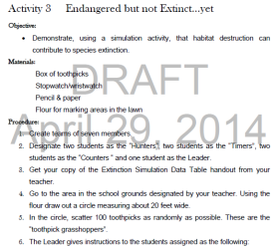 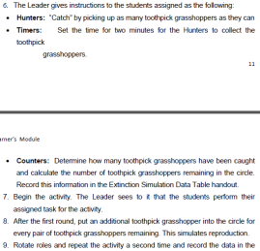  Procedures: ll ll ll ll ll ll ll llExtinction Simulation Data Table:
10 |  | minutes
4.3 Analysis |  |  | After the tasked done by the group, the students will answer the questions: 1. What happened to the toothpick grasshoppers over time? 2. What factors might account for differences in the graphs and/or total number of toothpick grasshoppers in each group? 3. In nature, what environmental factors migh account for differences in the total number of grasshoppers? 4. What effects do you think will habitat reduction have on the toothpick grasshoppers' population? (See attachment for the answers to guide questions.)
5 |  | minutes
4.4 Abstraction |  |  | When a species’ population becomes so low that only a few remain, that species is considered endangered and will possibly become extinct. In the Philippines, some terrestrial species like the tamaraw in Mindoro, mouse deer in Palawan, Philippine deer, Monkey-eating eagle, and aquatic species like the dugong found in Negros, Batangas, and Leyte are in danger of extinction.Sometimes, there is a particular species that declines so fast that it becomes endangered and is said to be threatened. Extinction is the disappearance of a species when the last of its members dies. Changes to habitats can threaten organisms with extinction. As populations of people increase, the impact of their growth and development is altering the face of the Earth and pushing many other species to the brink of extinction.
5 |  | minutes
4.5 Application |  |  | Give the students a PHOTO QUIZ. In a 1/2 size manila paper, are words that are causes of species extinction. On another size of manila paper are ten pictures that shows the causes of species extinction.The students will identify which cause of extinction matches each group of pictures.They will write their answers on their activity notebook. (See attachment for the photo quiz.)
10 |  | minutes
4.6 Assessment |  |  | Anlysis of Learners' Products |  | Rate the students using rubrics based on observation or performance of the group activity.(see attach rubrics)
10 |  | minutes
4.7 Assignment |  |  | Enhancing / improving the day’s lesson |  | Research some endangered and extinct animals or plants in the Philippines. Give at least five (5) examples each. Write it on a 1/2 crosswise.
5 |  | minutes
4.8 Concluding Activity |  |  | Quotation: " The continued existence of wildlife and wilderness is important to the quality of life of humans."
5 |  | minutes
5. Remarks
6. Reflections
A. No. of learners who earned 80% in the evaluation. |  |  |  |  | C. Did the remedial lessons work? No. of learners who have caught up with the lesson.
B. No. of learners who require additional activities for remediation. |  |  |  |  | D. No. of learners who continue to require remediation.
E. Which of my learning strategies worked well? Why did these work?
F. What difficulties did I encounter which my principal or supervisor can help me solve?
G. What innovation or localized materials did I use/discover which I wish to share with other teachers?

Prepared by:
Name: | MA. ASTRED T. CASTRO |  |  |  | School: | LAMAC NATIONAL HIGH SCHOOL
Position/ Designation: | TEACHER 1 |  |  |  | Division: | CEBU PROVINCE
Contact Number: | 9365228737 |  |  |  | Email address: | mileyshal17@yahoo.com

 |  |  |  |  |  |  |  |  | attitude
 |  |  |  |  |  |  |  |  | Receiving Phenomena
 |  |  |  |  |  |  |  |  | Responding to Phenomena
 |  |  |  |  |  |  |  |  | Valuing
 |  |  |  |  |  |  |  |  | Organization
 |  |  |  |  |  |  |  |  | Internalizing values
 |  |  |  |  |  |  |  |  | assignment
 |  |  |  |  |  |  |  |  | Reinforcing / strengthening the day’s lesson
 |  |  |  |  |  |  |  |  | Enriching / inspiring the day’s lesson
 |  |  |  |  |  |  |  |  | Enhancing / improving the day’s lesson
 |  |  |  |  |  |  |  |  | Preparing for the new lesson

 |  |  |  |  |  |  |  |  | assessment
 |  |  |  |  |  |  |  |  | Observation
 |  |  |  |  |  |  |  |  | Talking to Learners/ Conferencing
 |  |  |  |  |  |  |  |  | Anlysis of Learners' Products
 |  |  |  |  |  |  |  |  | Tests

Attachment 4
Instructional Planning
 |  | (The process of systematically planning, developing, evaluating and managing the instructional process by using principles of teaching and learning - D.O. 42, s. 2016)

Detailed Lesson Plan (DLP) Format

DLP No.: | Learning Area: |  |  | Grade Level: | Quarter: | Duration: |  | Date:
23 | SCIENCE |  |  | 9 | 1 | 60 |  | 2017-07-07
Learning Competency/ies: |  |  | Relate species extinction to the failure of populations of organisms to adapt to abrupt changes in the environment. |  |  |  | Code:
(Taken from the Curriculum Guide) |  |  |  |  |  |  | S9LT-Ie-f-30
Key Concepts / Understandings to be Developed |  |  | Extinction occurs when the last member of that species dies. When the population of a species begins declining rapidly, the species is said to be a threatened species. A species is endangered when its population has become so low that it is possible of becoming extinct. Human actions have resulted in habitat loss and degradation that have accelerated the rate of extinction.
Domain |  | Adapted Cognitive Process Dimensions (D.O. No. 8, s. 2015) |  | OBJECTIVES:
Knowledge The fact or condition of knowing something with familiarity gained through experience or association |  | Remembering |  | Define the meaning of extinct and endangered.
 |  | Understanding

Skills The ability and capacity acquired through deliberate, systematic, and sustained effort to smoothly and adaptively carryout complex activities or the ability, coming from one's knowledge, practice, aptitude, etc., to do something |  | Applying |  | Demonstrate, using a simulation activity, that habitat destruction can contribute to species extinction.
 |  | Analyzing |  | Distinguish between extinction and endangered species.
 |  | Evaluating
 |  | Creating

Attitude |  | Valuing |  | Work harmoniously with the group.
Values |  | Valuing
2. Content |  |  |  | Biodiversity and Evolution - Endangered But Not Extinct … Yet
3. Learning Resources |  |  |  | LM pp. 70-71,TG pp. 53-54,box of toothpicks, stopwatch/wristwatch, pencil, paper, flour
4. Procedures
4.1 Introductory Activity
4.2 Activity
4.3 Analysis
5 |  | minutes
4.4 Abstraction
5 |  | minutes
4.5 Application
10 |  | minutes
4.6 Assessment |  |  | Anlysis of Learners' Products |  | 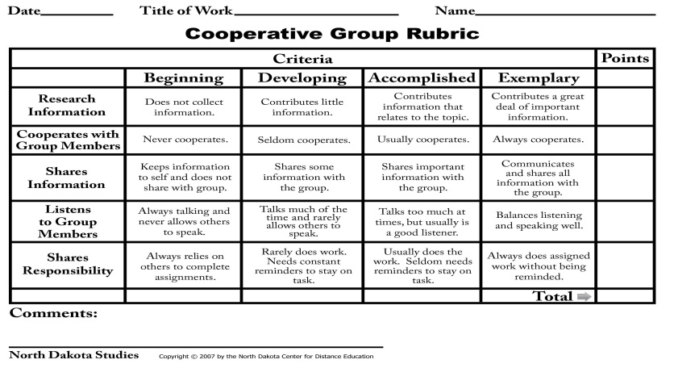
10 |  | minutes
4.7 Assignment |  |  | Enhancing / improving the day’s lesson |  | Research some endangered and extinct animals or plants in the Philippines. Give at least five (5) examples each. Write it on a 1/2 crosswise.
5 |  | minutes
4.8 Concluding Activity |  |  | Quotation: " The continued existence of wildlife and wilderness is important to the quality of life of humans."
5 |  | minutes
5. Remarks
6. Reflections
A. No. of learners who earned 80% in the evaluation. |  |  |  |  | C. Did the remedial lessons work? No. of learners who have caught up with the lesson.
B. No. of learners who require additional activities for remediation. |  |  |  |  | D. No. of learners who continue to require remediation.
E. Which of my learning strategies worked well? Why did these work?
F. What difficulties did I encounter which my principal or supervisor can help me solve?
G. What innovation or localized materials did I use/discover which I wish to share with other teachers?

Prepared by:
Name: | MA. ASTRED T. CASTRO |  |  |  | School: | LAMAC NATIONAL HIGH SCHOOL
Position/ Designation: | TEACHER 1 |  |  |  | Division: | CEBU PROVINCE
Contact Number: | 9365228737 |  |  |  | Email address: | mileyshal17@yahoo.com

 |  |  |  |  |  |  |  |  | attitude
 |  |  |  |  |  |  |  |  | Receiving Phenomena
 |  |  |  |  |  |  |  |  | Responding to Phenomena
 |  |  |  |  |  |  |  |  | Valuing
 |  |  |  |  |  |  |  |  | Organization
 |  |  |  |  |  |  |  |  | Internalizing values
 |  |  |  |  |  |  |  |  | assignment
 |  |  |  |  |  |  |  |  | Reinforcing / strengthening the day’s lesson
 |  |  |  |  |  |  |  |  | Enriching / inspiring the day’s lesson
 |  |  |  |  |  |  |  |  | Enhancing / improving the day’s lesson
 |  |  |  |  |  |  |  |  | Preparing for the new lesson

 |  |  |  |  |  |  |  |  | assessment
 |  |  |  |  |  |  |  |  | Observation
 |  |  |  |  |  |  |  |  | Talking to Learners/ Conferencing
 |  |  |  |  |  |  |  |  | Anlysis of Learners' Products
 |  |  |  |  |  |  |  |  | Tests

application n assessment
