META STRIPS
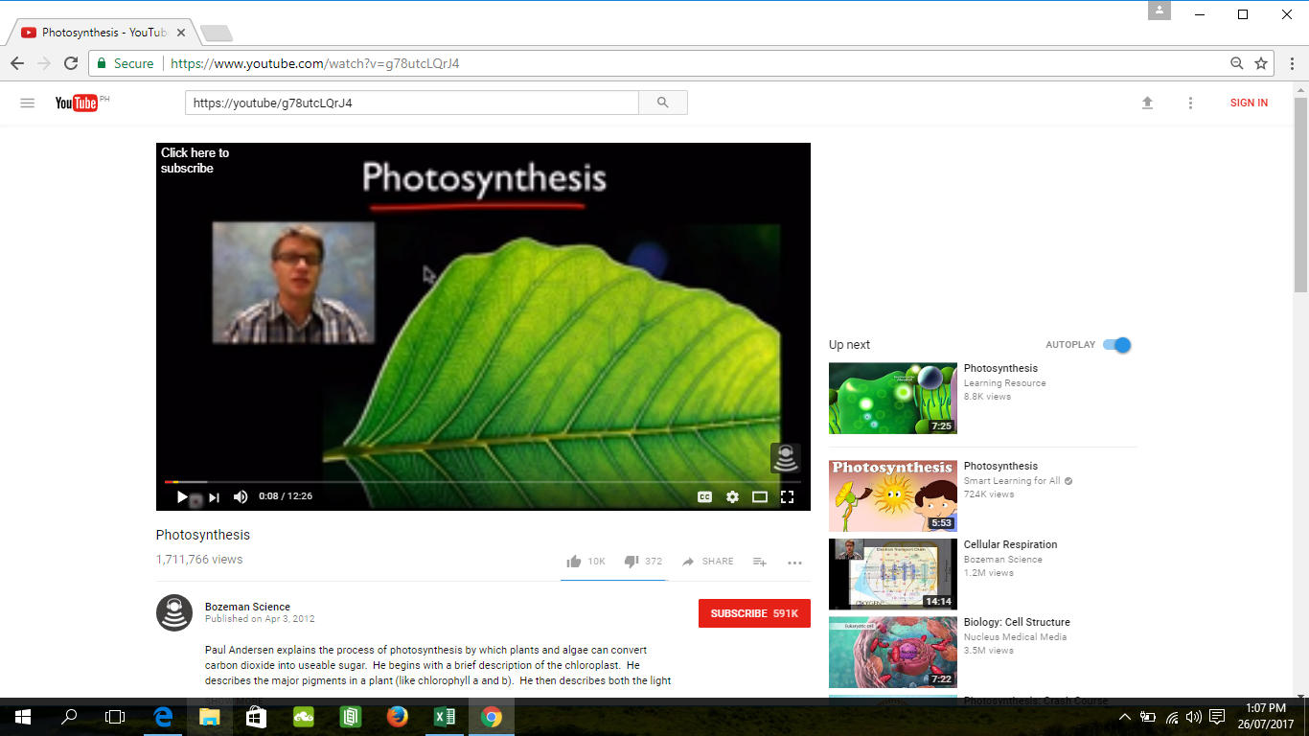
metacards for application

 | WATER |  | CARBON DIOXIDE

 | OXYGEN |  | GLUCOSE

 |  | SUNLIGHT

 |  | CHLOROPHYLL

video for the activity

