Sheet1
Instructional Planning
 |  | (The process of systematically planning, developing, evaluating and managing the instructional process by using principles of teaching and learning - D.O. 42, s. 2016)

Detailed Lesson Plan (DLP) Format

DLP No.: | Learning Area: |  |  | Grade Level: | Quarter: | Duration: |  | Date:
33 | SCIENCE |  |  | 9 | 1 | 60
Learning Competency/ies: |  |  | Differentiate basic features and importance of photosynthesis and respiration |  |  |  | Code:
(Taken from the Curriculum Guide) |  |  |  |  |  |  | S9LT-Ie-f-30
Key Concepts / Understandings to be Developed |  |  | Locate the stomata under lower power objective under the microscope.
Domain |  | Adapted Cognitive Process Dimensions (D.O. No. 8, s. 2015) |  | OBJECTIVES:
Knowledge The fact or condition of knowing something with familiarity gained through experience or association |  | Remembering |  | Identify the stomata
 |  | Understanding

Skills The ability and capacity acquired through deliberate, systematic, and sustained effort to smoothly and adaptively carryout complex activities or the ability, coming from one's knowledge, practice, aptitude, etc., to do something |  | Applying |  | Illustrate the structure and functions of plant parts and organelles involved in photosynthesis.
 |  | Analyzing
 |  | Evaluating |  | Describe the function of the stomata
 |  | Creating

Attitude |  | Responding to Phenomena |  | Show interest in locating the stomata and identifying the plant parts and organelles in photosynthesis.
Values |  | Valuing
2. Content |  |  |  | Ecosystem: Life Energy - Activity 2 Investigating the leaf stomata
3. Learning Resources |  |  |  | Activity sheets, Learner's Manual pages 78-79, Learning Materials, Science and technology 9 TG page 62
4. Procedures
4.1 Introductory Activity |  |  | The teacher will group the students into 3 and they will recall the previous lesson through a concept map of the entire process of Food Making. With the use of metacards(teacher will give the meta cards with the key words), the students will be able to show on the board the processess involved, raw materials used and the end of the entire process of food making. They will be given 5 minutes to do the activity and another 3 minutes for the representative to explain the concept map the made. ( see attached metacard)
10 |  | minutes
4.2 Activity |  |  | The teacher will present a slide show about photosynthesis and enumerate the key parts in the process. The students will perform and answer Activity 2 "Investigating the Leaf stomata" page 78 on LM. The class will be group into 5,each group will follow the procedures from the activity , prepared their specimen and observed it under a low power objective of the microscope. The teacher will assist the students in manipulating the microscope. The teacher will inform the class to do the activity in 25 minutes (take turns in viewing the specimen), and observe cleanliness in doing the activity.
25 |  | minutes
4.3 Analysis |  |  | 1.What have you seen on the slide viewed from the microscope? 2. What is stomata? 3.What is the function of the stomata? 4. Why stomata is important in the making of photosynthesis?
 |  | minutes
4.4 Abstraction |  |  | Stomata is the lower surface of the leaf which allows the entrance of carbon dioxide needed for photosynthesis.It also serves as the exit point for the oxygen produce during the photosynthesis.
5 |  | minutes
4.5 Application |  |  | The students will be able to draw and identify the key parts in photosynthesis. Plants have green pigment called chlorophyll stored in the chloroplast. This pigment aids in capturing light energy from the sun that enables plants to change it into chemical energy stored in the food. In 5 minutes, the students will fill in the key parts in the equation of photosynthesis.
$$_____________+ Water _______ Glucose + Oxygen$$
(__) (___) Chlorophyll (_____) (O₂)
10 |  | minutes
4.6 Assessment |  |  | Observation |  | The teacher will ask the students " Why stomata plays an important role in the process of photosynthesis?; What will happen if plants cannot produce chlorophyll? How are we affected if this will happen?
5 |  | minutes
4.7 Assignment |  |  | Enhancing / improving the day’s lesson |  | Answer the Following questions: 1. Why do some plants have multiple colored leaves? ;2. What happens to the plants if you put it in a shady parts for a longer period?3. What is the role of Carbo Dioxide in photosynthesis? The students will write their answers on their activity notebook and submit it on the next day.
5 |  | minutes
4.8 Concluding Activity |  |  | Plants and human are much related especially in exchanging of gas. Oxygen and carbon dioxide are the most important exchanging gases.
 |  | minutes
5. Remarks
6. Reflections
A. No. of learners who earned 80% in the evaluation. |  |  |  |  | C. Did the remedial lessons work? No. of learners who have caught up with the lesson.
B. No. of learners who require additional activities for remediation. |  |  |  |  | D. No. of learners who continue to require remediation.
E. Which of my learning strategies worked well? Why did these work?
F. What difficulties did I encounter which my principal or supervisor can help me solve?
G. What innovation or localized materials did I use/discover which I wish to share with other teachers?
Prepared by:
Name: | MARIA KAREN B. CASIL |  |  |  | School: | PINAMUNGAJAN NATIONAL HIGH SCHOOL
Position/ Designation: | TEACHER 1 |  |  |  | Division: | CEBU PROVINCE
Contact Number: | 9275457546 |  |  |  | Email address: | karen.beucebu@gmail.com

 |  |  |  |  |  |  |  |  | attitude
 |  |  |  |  |  |  |  |  | Receiving Phenomena
 |  |  |  |  |  |  |  |  | Responding to Phenomena
 |  |  |  |  |  |  |  |  | Valuing
 |  |  |  |  |  |  |  |  | Organization
 |  |  |  |  |  |  |  |  | Internalizing values
 |  |  |  |  |  |  |  |  | assignment
 |  |  |  |  |  |  |  |  | Reinforcing / strengthening the day’s lesson
 |  |  |  |  |  |  |  |  | Enriching / inspiring the day’s lesson
 |  |  |  |  |  |  |  |  | Enhancing / improving the day’s lesson
 |  |  |  |  |  |  |  |  | Preparing for the new lesson

 |  |  |  |  |  |  |  |  | assessment
 |  |  |  |  |  |  |  |  | Observation
 |  |  |  |  |  |  |  |  | Talking to Learners/ Conferencing
 |  |  |  |  |  |  |  |  | Anlysis of Learners' Products
 |  |  |  |  |  |  |  |  | Tests

METACARDS
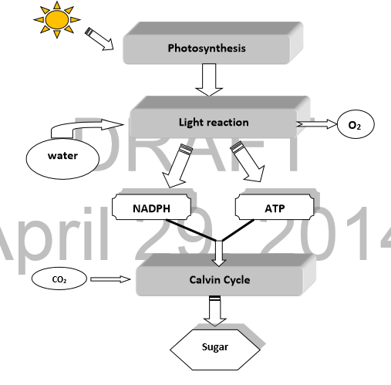
PHOTOSYNTHESIS | OXYGEN

LIGHT REACTION | ATP

WATER | CARBON DIOXIDE

NADPH | SUN

SUGAR | CALVIN CYCLE

activity for introduction using metacard

screenshot
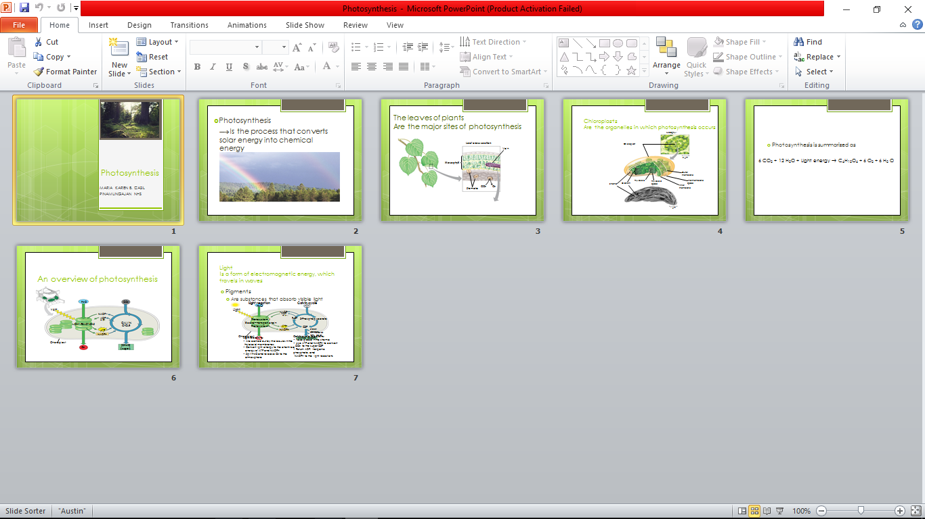

ACTIVITY 2
