Sheet2
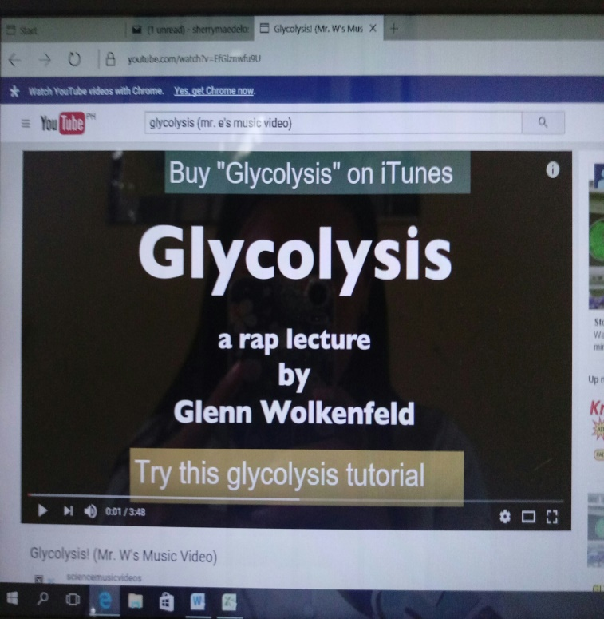
INTRODUCTORY ACTIVITY
KWLH CHART:
 | WHAT I KNOW | WHAT I WANT TO KNOW | WHAT WE LEARNED | HOW CAN I LEARN MORE

COMBINATION NOTES:

 | RESPIRATION: ______________________________________

 | NOTES | DIAGRAM

https://youtu.be/EfGlznwfu9U

Sheet4
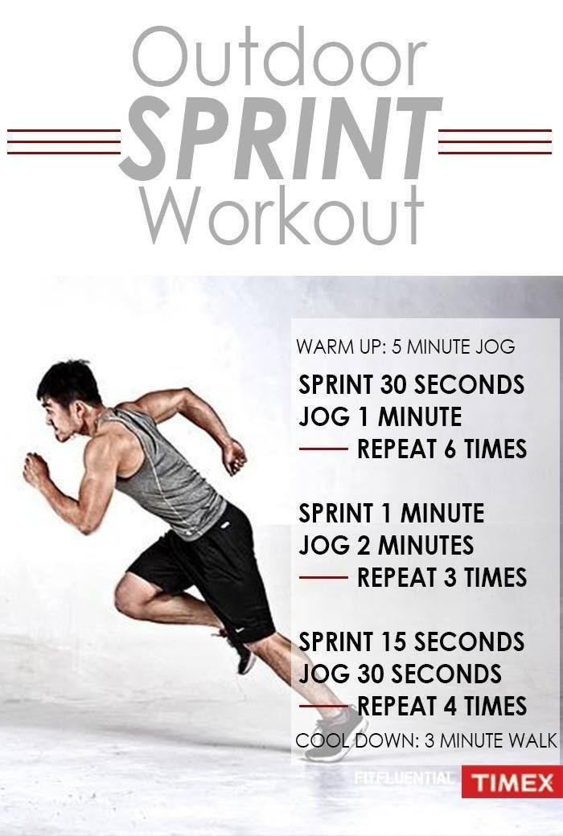
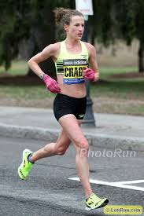
ASSESSMENT:

Check your Knowledge:

 | Completion Type-Supply the missing term to complete the sentence.

 | ______1. During glycolysis, glucose, is break down into two molecules of ______, a three-carbon compound.
 | ______2. The dark reaction of photosynthesis takes place within the ______ of the chloroplast.
 | ______3. Inside the chloroplast the chlorophyll pigments are located within thin, flat, disc like sacs called _______.
 | ______4. During the Calvin Cycle, the carbon molecule needed in the synthesis of glucose comes from _______.
 | ______5. The glycolytic process of aerobic respiration takes place in the _______ of cells.

ANSWER KEY:

 | 1. PYRUVIC ACID
 | 2. STROMA
 | 3. THYLAKOIDS
 | 4. PLANT/LEAF
 | 5. CYTOSOL

APPLICATION:

How does exercise affect cellular respiration? Students create poster showing a 30-second run versus a 20-minute run including where the energy comes from with regard to glycolysis.

