Rubrics
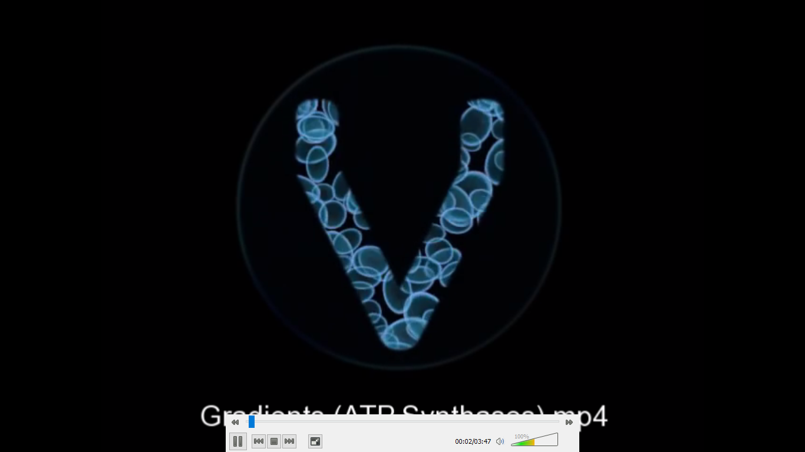
RUBRICS
Output
POINTS
20 | correct flow of electron transport chain and all correct answer to guide questions
15 | correct flow of electron transport chain and 2 correct answer to guide questions
5 | incorrect flow of electron transport chain and 2 correct answer to guide questions

VIDEO CLIP

