Sheet1
Instructional Planning
 |  | (The process of systematically planning, developing, evaluating and managing the instructional process by using principles of teaching and learning - D.O. 42, s. 2016)

Detailed Lesson Plan

DLP No.: | Learning Area: |  |  | Grade Level: | Quarter: | Duration: |  | Date:
25 | TLE - Dressmaking |  |  | 8 | 1 | 48 |  | 2017-07-17
Learning Competency/ies: |  |  | Read and interpret specifications of product design. |  |  |  | Code:
(Taken from the Curriculum Guide) |  |  |  |  |  |  | TLE_HEDM7/8ID-Og-5
Key Concepts / Understandings to be Developed |  |  | Develop good performing skill in product design.
Domain |  | Adapted Cognitive Process Dimensions (D.O. No. 8, s. 2015) |  | OBJECTIVES: Using an individual activity, the students with at least 75% accuracy are expected to:
Knowledge The fact or condition of knowing something with familiarity gained through experience or association |  | Remembering |  | Identify the principles of design applied in sewing.
 |  | Understanding

Skills The ability and capacity acquired through deliberate, systematic, and sustained effort to smoothly and adaptively carryout complex activities or the ability, coming from one's knowledge, practice, aptitude, etc., to do something |  | Applying
 |  | Analyzing
 |  | Evaluating
 |  | Creating |  | Plan a product design emphasizing balance.

Attitude |  | Receiving Phenomena |  | Describe creatively the two types of balance applied in a product design.
Values |  | Internalizing values |  | Practice the value of balance in processing real life issues.
2. Content |  |  |  | Principles of Design: Balance
3. Learning Resources |  |  |  | Learning Module; Curriculum Guide; Activity Sheet
4. Procedures

4.1 Introductory Activity |  |  | Provide sample of product designs and ask the students what principles of design are applied.
 |  |  | 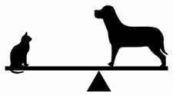
3 |  | minutes
4.2 Activity |  |  | Identify the principles of design applied in a product design particularly in the garment worn by the students or other sewing products that can be found in the classroom. What type of balance is applied?

12 |  | minutes

4.3 Analysis |  |  | What is balance?
10 |  | minutes | What are the two types of balance?
4.4 Abstraction |  |  | Principles Balance - According to this principle, from the centered of the dress, design should be identified on both sides may be achieved ways: a. Symmetrically or the formal balance - can be described as having equal "weight" on equal sides of a centrally placed like a see saw. This is an easy way of balancing but such balance lends monotony to the design. b. Asymmetrically or the informal balance – When he structure decoration and accessories are different both sides from the center of the design. In this design attraction both sides is created by using different accessories.
10 |  | minutes
4.5 Application |  |  | 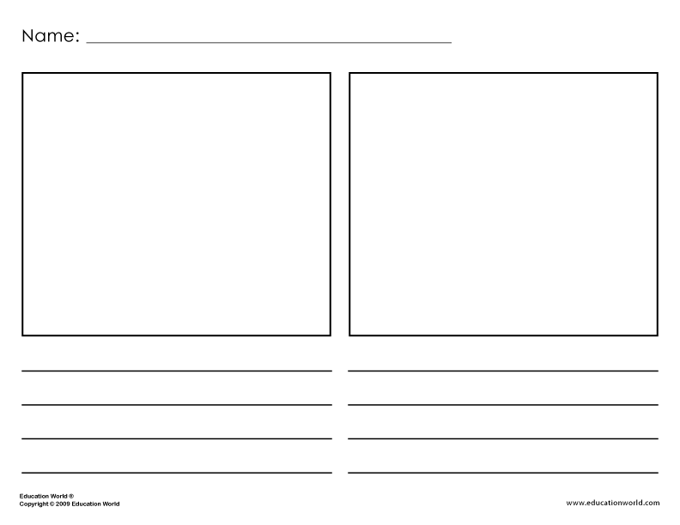 Be able to draw a product design applying the two types of balance and explain.
10 |  | minutes
4.6 Assessment |  |  | Anlysis of Learners' Products |  | Compare the two types of balance in an essay writing.
10 |  | minutes
4.7 Assignment |  |  | Enhancing / improving the day’s lesson |  | What is proportion?
3 |  | minutes
4.8 Concluding Activity |  |  | What do you understand about life balance?
2 |  | minutes | 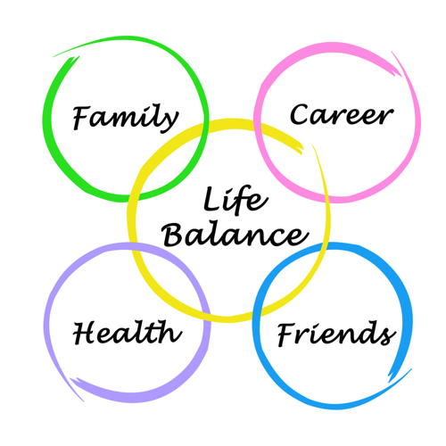
5. Remarks
6. Reflections
A. No. of learners who earned 80% in the evaluation. |  |  |  |  | C. Did the remedial lessons work? No. of learners who have caught up with the lesson.
B. No. of learners who require additional activities for remediation. |  |  |  |  | D. No. of learners who continue to require remediation.
E. Which of my learning strategies worked well? Why did these work?
F. What difficulties did I encounter which my principal or supervisor can help me solve?
G. What innovation or localized materials did I use/discover which I wish to share with other teachers?
Prepared by: |  |  |  |  | Inspected by: | __________________________
Name: | Analie A. Tubilla |  |  |  | School: | Sangat NHS
Position/ Designation: | SST 1 |  |  |  | Division: | CEBU PROVINCE
Contact Number: |  |  |  |  | Email address:

 |  |  |  |  |  |  |  |  | attitude
 |  |  |  |  |  |  |  |  | Receiving Phenomena
 |  |  |  |  |  |  |  |  | Responding to Phenomena
 |  |  |  |  |  |  |  |  | Valuing
 |  |  |  |  |  |  |  |  | Organization
 |  |  |  |  |  |  |  |  | Internalizing values
 |  |  |  |  |  |  |  |  | assignment
 |  |  |  |  |  |  |  |  | Reinforcing / strengthening the day’s lesson
 |  |  |  |  |  |  |  |  | Enriching / inspiring the day’s lesson
 |  |  |  |  |  |  |  |  | Enhancing / improving the day’s lesson
 |  |  |  |  |  |  |  |  | Preparing for the new lesson

 |  |  |  |  |  |  |  |  | assessment
 |  |  |  |  |  |  |  |  | Observation
 |  |  |  |  |  |  |  |  | Talking to Learners/ Conferencing
 |  |  |  |  |  |  |  |  | Anlysis of Learners' Products
 |  |  |  |  |  |  |  |  | Tests

