Sheet1
Instructional Planning
 |  | (The process of systematically planning, developing, evaluating and managing the instructional process by using principles of teaching and learning - D.O. 42, s. 2016)

Detailed Lesson Plan

DLP No.: | Learning Area: |  |  | Grade Level: | Quarter: | Duration: |  | Date:
26 | TLE - Dressmaking |  |  | 8 | 1 | 48 |  | 2017-07-18
Learning Competency/ies: |  |  | Read and interpret specifications of product design. |  |  |  | Code:
(Taken from the Curriculum Guide) |  |  |  |  |  |  | TLE_HEDM7/8ID-Og-5
Key Concepts / Understandings to be Developed |  |  | Develop good performing skill in product design.
Domain |  | Adapted Cognitive Process Dimensions (D.O. No. 8, s. 2015) |  | OBJECTIVES: Using an individual activity, the students with at least 75% accuracy are expected to:
Knowledge The fact or condition of knowing something with familiarity gained through experience or association |  | Remembering |  | Describe the product design according to the application of proportion and emphasis.
 |  | Understanding

Skills The ability and capacity acquired through deliberate, systematic, and sustained effort to smoothly and adaptively carryout complex activities or the ability, coming from one's knowledge, practice, aptitude, etc., to do something |  | Applying |  | Illustrate a product design applying the principles of proportion and emphasis.
 |  | Analyzing
 |  | Evaluating
 |  | Creating

Attitude |  | Valuing |  | Explain the application of proportion and emphasis in the created product design.
Values |  | Internalizing values |  | Practice the value of giving proportion and emphasis to the different priorities in life.
2. Content |  |  |  | Principles of Design: Proportion and Balance
3. Learning Resources |  |  |  | Learning Module; Curriculum Guide; Activity Sheet
4. Procedures
4.1 Introductory Activity |  |  | Provide sample of product designs and ask the students what principles of design are clearly applied.
 |  |  | 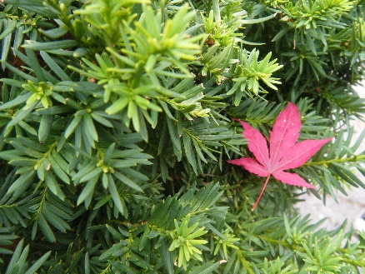
3 |  | minutes
4.2 Activity |  |  | Identify principles of proportiortion and emphasis in a product design particularly in the garment worn by the students or other sewing products that is found in the classroom.

12 |  | minutes

4.3 Analysis |  |  | What is proportion? Emphasis?
10 |  | minutes | How does proportion and emphasis is applied in a design?
4.4 Abstraction |  |  | Principles Proportion - is the pleasing relationship of all parts of the object with one another. Proportion refers to the relative size and scale of the various elements in a design. The issue is the relationship between objects, or parts, of a whole. Emphasis – every pleasing design has one part that is more interesting than any other. This is the emphasis or the center of interest.
10 |  | minutes
4.5 Application |  |  | 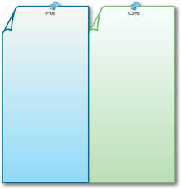 Be able to draw a product design applying the prortion and emphasis. Explain how it is used in your design?
10 |  | minutes
4.6 Assessment |  |  | Anlysis of Learners' Products |  | Discuss the following:
 |  |  |  |  | 1. Proportion
10 |  | minutes |  |  | 2. Emphasis
4.7 Assignment |  |  | Enhancing / improving the day’s lesson |  | What is rhythm? What are the three ways that rhythm created?
3 |  | minutes
4.8 Concluding Activity |  |  | 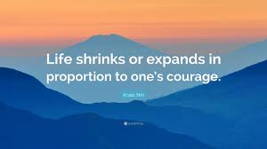
2 |  | minutes
5. Remarks
6. Reflections
A. No. of learners who earned 80% in the evaluation. |  |  |  |  | C. Did the remedial lessons work? No. of learners who have caught up with the lesson.
B. No. of learners who require additional activities for remediation. |  |  |  |  | D. No. of learners who continue to require remediation.
E. Which of my learning strategies worked well? Why did these work?
F. What difficulties did I encounter which my principal or supervisor can help me solve?
G. What innovation or localized materials did I use/discover which I wish to share with other teachers?
Prepared by: |  |  |  |  | Inspected by: | __________________________
Name: | Analie A. Tubilla |  |  |  | School: | Sangat NHS
Position/ Designation: | SST 1 |  |  |  | Division: | CEBU PROVINCE
Contact Number: |  |  |  |  | Email address:

 |  |  |  |  |  |  |  |  | attitude
 |  |  |  |  |  |  |  |  | Receiving Phenomena
 |  |  |  |  |  |  |  |  | Responding to Phenomena
 |  |  |  |  |  |  |  |  | Valuing
 |  |  |  |  |  |  |  |  | Organization
 |  |  |  |  |  |  |  |  | Internalizing values
 |  |  |  |  |  |  |  |  | assignment
 |  |  |  |  |  |  |  |  | Reinforcing / strengthening the day’s lesson
 |  |  |  |  |  |  |  |  | Enriching / inspiring the day’s lesson
 |  |  |  |  |  |  |  |  | Enhancing / improving the day’s lesson
 |  |  |  |  |  |  |  |  | Preparing for the new lesson

 |  |  |  |  |  |  |  |  | assessment
 |  |  |  |  |  |  |  |  | Observation
 |  |  |  |  |  |  |  |  | Talking to Learners/ Conferencing
 |  |  |  |  |  |  |  |  | Anlysis of Learners' Products
 |  |  |  |  |  |  |  |  | Tests

