Sheet1
Instructional Planning
 |  | (The process of systematically planning, developing, evaluating and managing the instructional process by using principles of teaching and learning - D.O. 42, s. 2016)

Detailed Lesson Plan

DLP No.: | Learning Area: |  |  | Grade Level: | Quarter: | Duration: |  | Date:
28 | TLE - Dressmaking |  |  | 8 | 1 | 48 |  | 2017-07-20
Learning Competency/ies: |  |  | Read and interpret specifications of product design. |  |  |  | Code:
(Taken from the Curriculum Guide) |  |  |  |  |  |  | TLE_HEDM7/8ID-Og-5
Key Concepts / Understandings to be Developed |  |  | Develop good performing skill in product design.
Domain |  | Adapted Cognitive Process Dimensions (D.O. No. 8, s. 2015) |  | OBJECTIVES: Using an individual activity, the students with at least 75% accuracy are expected to:
Knowledge The fact or condition of knowing something with familiarity gained through experience or association |  | Remembering
 |  | Understanding |  | Explain the principles of harmony.

Skills The ability and capacity acquired through deliberate, systematic, and sustained effort to smoothly and adaptively carryout complex activities or the ability, coming from one's knowledge, practice, aptitude, etc., to do something |  | Applying
 |  | Analyzing
 |  | Evaluating
 |  | Creating |  | Design a sewing product with the application of harmony.

Attitude |  | Receiving Phenomena |  | Indentify the application of harmony in the created product design.
Values |  | Internalizing values |  | Demonstrate obedience in harmony with the law of God.
2. Content |  |  |  | Principles of Design: Harmony
3. Learning Resources |  |  |  | Learning Module; Curriculum Guide; Activity Sheet
4. Procedures
4.1 Introductory Activity |  |  | Provide sample of product designs and ask the students what principles of design are clearly applied.
 |  |  | 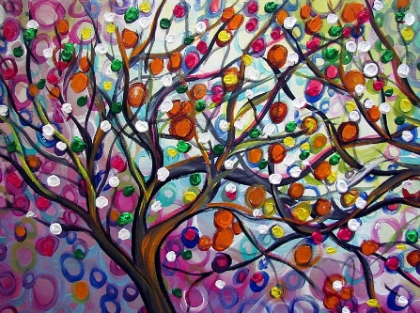
3 |  | minutes
4.2 Activity |  |  | Identify principles of harmony in a product design particularly in the garment worn by the students or other sewing products that is found in the classroom.

12 |  | minutes

4.3 Analysis |  |  | What is harmony?
10 |  | minutes | How does harmony applied in sewing as principles of design?
4.4 Abstraction |  |  | Principles
10 |  | minutes | Harmony - means a relationship of different portion of a design. Harmony should be achieved through judicious use of color, shape, and texture to give a feeling of oneness.
4.5 Application |  |  | Be able to draw a product design applying the principles of harmony. Explain how it is used in your design?
10 |  | minutes | 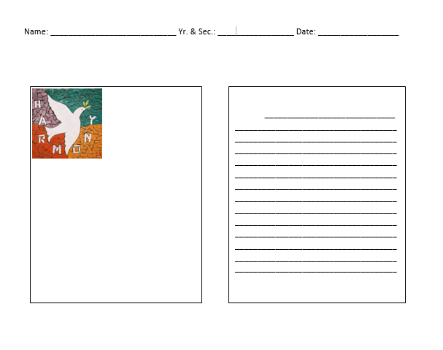
4.6 Assessment |  |  | Anlysis of Learners' Products |  | Discuss the following:
 |  |  |  |  | 1. Harmony
 |  |  |  |  | 2. How does harmony applied in a design?
10 |  | minutes
4.7 Assignment |  |  | Enhancing / improving the day’s lesson |  | Write an essay about how principles of design is applied in creating product design for sewing.
3 |  | minutes

4.8 Concluding Activity |  |  | Relate the quotes to the principles of rhythm.
2 |  | minutes
5. Remarks
6. Reflections
A. No. of learners who earned 80% in the evaluation. |  |  |  |  | C. Did the remedial lessons work? No. of learners who have caught up with the lesson.
B. No. of learners who require additional activities for remediation. |  |  |  |  | D. No. of learners who continue to require remediation.
E. Which of my learning strategies worked well? Why did these work?
F. What difficulties did I encounter which my principal or supervisor can help me solve?
G. What innovation or localized materials did I use/discover which I wish to share with other teachers?
Prepared by: |  |  |  |  | Inspected by: | __________________________
Name: | Analie A. Tubilla |  |  |  | School: | Sangat NHS
Position/ Designation: | SST 1 |  |  |  | Division: | CEBU PROVINCE
Contact Number: |  |  |  |  | Email address:

 |  |  |  |  |  |  |  |  | attitude
 |  |  |  |  |  |  |  |  | Receiving Phenomena
 |  |  |  |  |  |  |  |  | Responding to Phenomena
 |  |  |  |  |  |  |  |  | Valuing
 |  |  |  |  |  |  |  |  | Organization
 |  |  |  |  |  |  |  |  | Internalizing values
 |  |  |  |  |  |  |  |  | assignment
 |  |  |  |  |  |  |  |  | Reinforcing / strengthening the day’s lesson
 |  |  |  |  |  |  |  |  | Enriching / inspiring the day’s lesson
 |  |  |  |  |  |  |  |  | Enhancing / improving the day’s lesson
 |  |  |  |  |  |  |  |  | Preparing for the new lesson

 |  |  |  |  |  |  |  |  | assessment
 |  |  |  |  |  |  |  |  | Observation
 |  |  |  |  |  |  |  |  | Talking to Learners/ Conferencing
 |  |  |  |  |  |  |  |  | Anlysis of Learners' Products
 |  |  |  |  |  |  |  |  | Tests

