Sheet1
Instructional Planning
 |  | (The process of systematically planning, developing, evaluating and managing the instructional process by using principles of teaching and learning - D.O. 42, s. 2016)

Detailed Lesson Plan

DLP No.: | Learning Area: |  |  | Grade Level: | Quarter: | Duration: |  | Date:
29 | TLE - Dressmaking |  |  | 8 | 1 | 48 |  | 2017-07-21
Learning Competency/ies: |  |  | Read and interpret specifications of product design. |  |  |  | Code:
(Taken from the Curriculum Guide) |  |  |  |  |  |  | TLE_HEDM7/8ID-Og-5
Key Concepts / Understandings to be Developed |  |  | Develop good performing skill in product design.
Domain |  | Adapted Cognitive Process Dimensions (D.O. No. 8, s. 2015) |  | OBJECTIVES: Using an individual activity, the students with at least 75% accuracy are expected to:
Knowledge The fact or condition of knowing something with familiarity gained through experience or association |  | Remembering |  | Identify colors in the color wheel.
 |  | Understanding

Skills The ability and capacity acquired through deliberate, systematic, and sustained effort to smoothly and adaptively carryout complex activities or the ability, coming from one's knowledge, practice, aptitude, etc., to do something |  | Applying
 |  | Analyzing
 |  | Evaluating
 |  | Creating |  | Develop the created product design applying the harmony of colors.

Attitude |  | Valuing |  | Differentiate cheerfully the color schemes.
Values |  | Internalizing values |  | Practice the value of harmony in realation to the color of life.
2. Content |  |  |  | Color Theory
3. Learning Resources |  |  |  | Learning Module; Curriculum Guide; Activity Sheet
4. Procedures
4.1 Introductory Activity |  |  | Present a template of color wheel on the board and let the student write the color on each space correctly.
 |  |  | 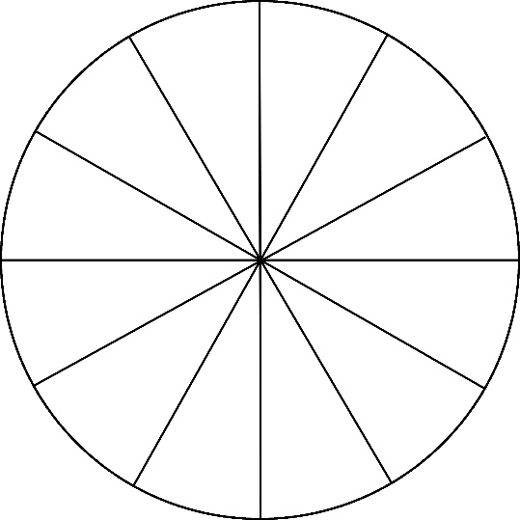
3 |  | minutes
4.2 Activity |  |  | Asked students to go to the board and write the correct arrangment of colors in the wheel.

12 |  | minutes | After writing down the colors in the wheel. Let them identify the primary, secondary, tertiary colors, and the color schemes.

4.3 Analysis |  |  | What are pure colors? Tints? Shades? Neutrals? Grayed colors?
10 |  | minutes | How does color harmony is checked?
4.4 Abstraction |  |  | Color Theory
10 |  | minutes | Primary Colors – the sources of all colors, even though there are thousands and thousands of colors in the world, they are all made up of these colors – red, blue and yellow. Secondary Colors – are produced when mixing two equal amount of primary colors. If you mix equal amount or yellow and blue you will have green, equal parts of red and blue will have violet, and red and yellow you will have orange. Look at the color wheel you will find these colors – orange, green and violet. Intermediate Colors – are produced by mixing two equal amount of primary and secondary colors. Example, if you mix equal parts of yellow (primary color) and green (secondary color) you will have yellow-green. Noticed that yellow-green is found between yellow and green on the color wheel. (Please see the details in the Learning Module, pages 58 - 61).
4.5 Application |  |  | Develop or enhance a product design you have created in the previous activities. Explain the color harmony applied in the product design.
10 |  | minutes
 |  |  | 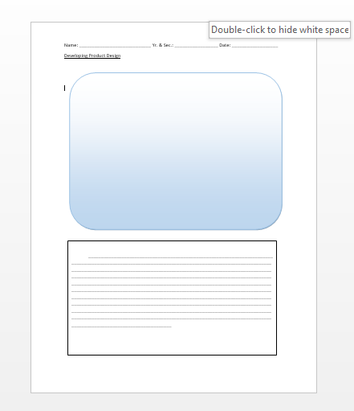
4.6 Assessment |  |  | Tests |  | Self Check 1.2 .. Identify the following; 1. Primary colors are red, yellow and _________. 2. _______ is a color formed by mixing yellow and blue. 3. When red is mix with orange, the color is ________. 4. Tint of red is _______. 5. Maroon is ________ of red. 6. Analogous or adjacent color of blue is _______ and ______. 7. Complement of red is ________. 8. Split complement of yellow is _______ and _______. 9. Triad of orange is _______ and ________. 10. Neutral colors are ______, _______ and _______.

10 |  | minutes
4.7 Assignment |  |  | Preparing for the new lesson |  | Prepare a cloth for a simple project.
3 |  | minutes
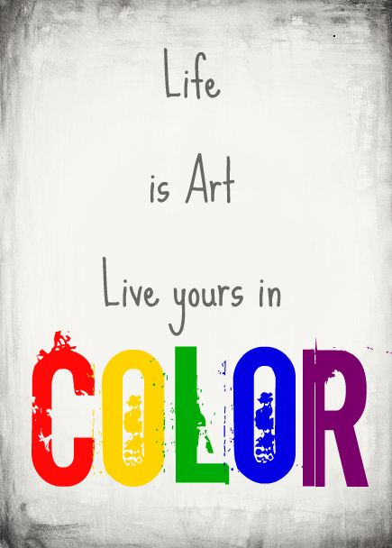
4.8 Concluding Activity |  |  | Relate the quotes to the real color of life.
2 |  | minutes
5. Remarks
6. Reflections
A. No. of learners who earned 80% in the evaluation. |  |  |  |  | C. Did the remedial lessons work? No. of learners who have caught up with the lesson.
B. No. of learners who require additional activities for remediation. |  |  |  |  | D. No. of learners who continue to require remediation.
E. Which of my learning strategies worked well? Why did these work?
F. What difficulties did I encounter which my principal or supervisor can help me solve?
G. What innovation or localized materials did I use/discover which I wish to share with other teachers?
Prepared by: |  |  |  |  | Inspected by: | __________________________
Name: | Analie A. Tubilla |  |  |  | School: | Sangat NHS
Position/ Designation: | SST 1 |  |  |  | Division: | CEBU PROVINCE
Contact Number: |  |  |  |  | Email address:

 |  |  |  |  |  |  |  |  | attitude
 |  |  |  |  |  |  |  |  | Receiving Phenomena
 |  |  |  |  |  |  |  |  | Responding to Phenomena
 |  |  |  |  |  |  |  |  | Valuing
 |  |  |  |  |  |  |  |  | Organization
 |  |  |  |  |  |  |  |  | Internalizing values
 |  |  |  |  |  |  |  |  | assignment
 |  |  |  |  |  |  |  |  | Reinforcing / strengthening the day’s lesson
 |  |  |  |  |  |  |  |  | Enriching / inspiring the day’s lesson
 |  |  |  |  |  |  |  |  | Enhancing / improving the day’s lesson
 |  |  |  |  |  |  |  |  | Preparing for the new lesson

 |  |  |  |  |  |  |  |  | assessment
 |  |  |  |  |  |  |  |  | Observation
 |  |  |  |  |  |  |  |  | Talking to Learners/ Conferencing
 |  |  |  |  |  |  |  |  | Anlysis of Learners' Products
 |  |  |  |  |  |  |  |  | Tests

