Sheet1
Instructional Planning
 |  | (The process of systematically planning, developing, evaluating and managing the instructional process by using principles of teaching and learning - D.O. 42, s. 2016)

Detailed Lesson Plan

DLP No.: | Learning Area: |  |  | Grade Level: | Quarter: | Duration: |  | Date:
31 | TLE - Dressmaking |  |  | 8 | 1 | 48 |  | 2017-07-23
Learning Competency/ies: |  |  | Read and interpret specifications of product design. |  |  |  | Code:
(Taken from the Curriculum Guide) |  |  |  |  |  |  | TLE_HEDM7/8ID-Og-5
Key Concepts / Understandings to be Developed |  |  | Develop good performing skill in product design.
Domain |  | Adapted Cognitive Process Dimensions (D.O. No. 8, s. 2015) |  | OBJECTIVES: Given a sewing activity (Sewing Tool Organizer), the students with at least 75% accuracy are expected to:
Knowledge The fact or condition of knowing something with familiarity gained through experience or association |  | Remembering |  | Identify the materials and supplies needed to make a sewing organizer.
 |  | Understanding

Skills The ability and capacity acquired through deliberate, systematic, and sustained effort to smoothly and adaptively carryout complex activities or the ability, coming from one's knowledge, practice, aptitude, etc., to do something |  | Applying
 |  | Analyzing
 |  | Evaluating
 |  | Creating |  | Produce a sewing tool oraganizer.

Attitude |  | Receiving Phenomena |  | Use and maximize the availability of resources.
Values |  | Internalizing values |  | Display good working habit in performing practical activity.
2. Content |  |  |  | Produce a sewing tool organizer
3. Learning Resources |  |  |  | Learning Module; Curriculum Guide; Rubric
4. Procedures
4.1 Introductory Activity |  |  | Present a picture of a sewing tool organizer.
 |  |  | 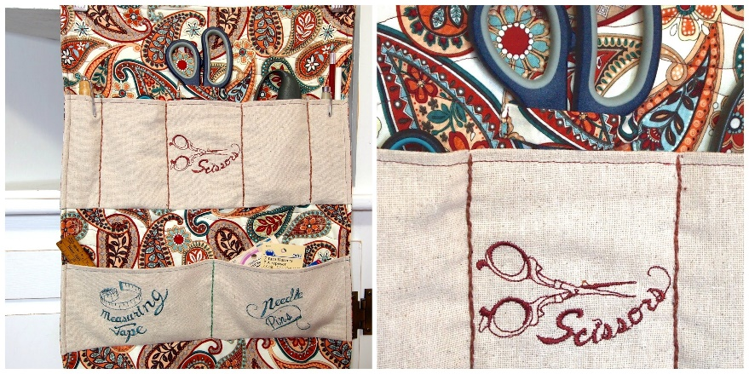
3 |  | minutes
4.2 Activity |  |  | Fill up the project plan form.

12 |  | minutes

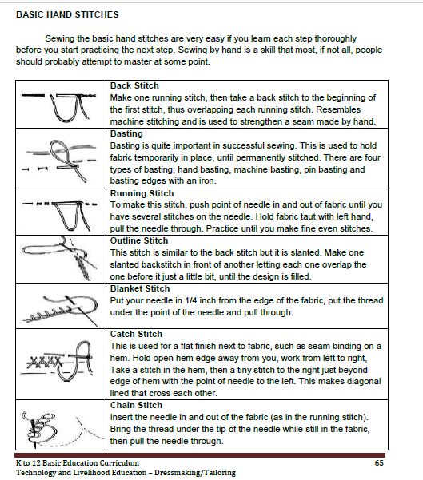
4.3 Analysis |  |  | What are the needed materials and supplies for the sewing tool organizer?
10 |  | minutes
4.4 Abstraction
10 |  | minutes
4.5 Application |  |  | To master all the basic hand stitches, follow step by step the procedures of each type of hand stitches.
10 |  | minutes

4.6 Assessment |  |  | Tests |  | 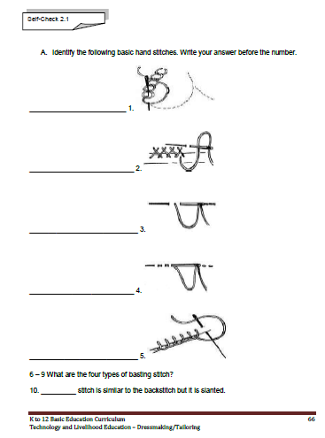

10 |  | minutes
4.7 Assignment |  |  | Preparing for the new lesson |  | Prepare a cloth for a simple project.
3 |  | minutes
4.8 Concluding Activity |  |  | Sewing the basic hand stitches are very easy if you learn each step thoroughly before you start practicing the next step. Sewing by hand is a skill that most, if not all, people should probably attempt to master at some point.
2 |  | minutes
5. Remarks
6. Reflections
A. No. of learners who earned 80% in the evaluation. |  |  |  |  | C. Did the remedial lessons work? No. of learners who have caught up with the lesson.
B. No. of learners who require additional activities for remediation. |  |  |  |  | D. No. of learners who continue to require remediation.
E. Which of my learning strategies worked well? Why did these work?
F. What difficulties did I encounter which my principal or supervisor can help me solve?
G. What innovation or localized materials did I use/discover which I wish to share with other teachers?
Prepared by: |  |  |  |  | Inspected by: | __________________________
Name: | Analie A. Tubilla |  |  |  | School: | Sangat NHS
Position/ Designation: | SST 1 |  |  |  | Division: | CEBU PROVINCE
Contact Number: |  |  |  |  | Email address:

 |  |  |  |  |  |  |  |  | attitude
 |  |  |  |  |  |  |  |  | Receiving Phenomena
 |  |  |  |  |  |  |  |  | Responding to Phenomena
 |  |  |  |  |  |  |  |  | Valuing
 |  |  |  |  |  |  |  |  | Organization
 |  |  |  |  |  |  |  |  | Internalizing values
 |  |  |  |  |  |  |  |  | assignment
 |  |  |  |  |  |  |  |  | Reinforcing / strengthening the day’s lesson
 |  |  |  |  |  |  |  |  | Enriching / inspiring the day’s lesson
 |  |  |  |  |  |  |  |  | Enhancing / improving the day’s lesson
 |  |  |  |  |  |  |  |  | Preparing for the new lesson

 |  |  |  |  |  |  |  |  | assessment
 |  |  |  |  |  |  |  |  | Observation
 |  |  |  |  |  |  |  |  | Talking to Learners/ Conferencing
 |  |  |  |  |  |  |  |  | Anlysis of Learners' Products
 |  |  |  |  |  |  |  |  | Tests

