Sheet1
Instructional Planning
 |  | (The process of systematically planning, developing, evaluating and managing the instructional process by using principles of teaching and learning - D.O. 42, s. 2016)

Detailed Lesson Plan

DLP No.: | Learning Area: |  |  | Grade Level: | Quarter: | Duration: |  | Date:
38 | TLE - Dressmaking |  |  | 8 | 1 | 48 |  | August 6 - 7
Learning Competency/ies: |  |  | Explain workplace hazards and risks. |  |  |  | Code:
(Taken from the Curriculum Guide) |  |  |  |  |  |  | TLE_HEDM7/8BM-Oj-8
Key Concepts / Understandings to be Developed |  |  | Demonstrates understanding in practicing occupational safety and health in dressmaking/tailoring.
Domain |  | Adapted Cognitive Process Dimensions (D.O. No. 8, s. 2015) |  | Objectives: Trough a interactive discussion,the students with 75% accuracy are expected to:
Knowledge The fact or condition of knowing something with familiarity gained through experience or association |  | Remembering
 |  | Understanding |  | Explain what is hazards and risks.

Skills The ability and capacity acquired through deliberate, systematic, and sustained effort to smoothly and adaptively carryout complex activities or the ability, coming from one's knowledge, practice, aptitude, etc., to do something |  | Applying
 |  | Analyzing
 |  | Evaluating |  | Detect any hazards and risks in the school.
 |  | Creating

Attitude |  | Responding to Phenomena |  | Identify seriously a place in school with potential hazards and risks.
Values |  | Valuing |  | Demonstrate the value of disaster risk management in every workplace.
2. Content |  |  |  | Hazards and Risks; Identification and Control
3. Learning Resources |  |  |  | LMs , TV, Laptop, Pictures of Hazards and Risks
4. Procedures
4.1 Introductory Activity |  |  | Post a picture of hazard and risks and ask the students to describe.

5 |  | minutes |  | 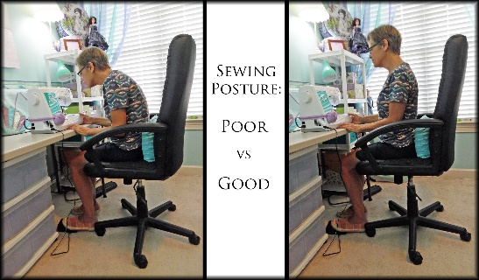
4.2 Activity |  |  | An interactive discussion about hazards and risks in the dressmaking and tailoring shops.

15 |  | minutes

4.3 Analysis |  |  | What are causes of hazards and risks? How to prevent it?
10 |  | minutes
4.4 Abstraction |  |  | Discuss what poses hazards and risks in a particular workpalce. LM pages 107-108
3 |  | minutes
4.5 Application |  |  | Conduct an inspection in the school and spot a potential hazard and risks.
15 |  | minutes
4.6 Assessment |  |  | Tests |  | Essay: How to prevent hazards and risks in a particular workplace?
 |  | minutes
4.7 Assignment |  |  | Enhancing / improving the day’s lesson |  | Research about disaster risk management.
 |  | minutes
4.8 Concluding Activity |  |  | Write a reflective journal about the day's lesson.
 |  | minutes
5. Remarks
6. Reflections
A. No. of learners who earned 80% in the evaluation. |  |  |  |  | C. Did the remedial lessons work? No. of learners who have caught up with the lesson.
B. No. of learners who require additional activities for remediation. |  |  |  |  | D. No. of learners who continue to require remediation.
E. Which of my learning strategies worked well? Why did these work?
F. What difficulties did I encounter which my principal or supervisor can help me solve?
G. What innovation or localized materials did I use/discover which I wish to share with other teachers?
Prepared by: |  |  |  |  | Inspected by: | __________________________
Name: | Rosemariwen G. Renes |  |  |  | School: | Sangat NHS
Position/ Designation: | SST III |  |  |  | Division: | CEBU PROVINCE
Contact Number: |  |  |  |  | Email address:

 |  |  |  |  |  |  |  |  | attitude
 |  |  |  |  |  |  |  |  | Receiving Phenomena
 |  |  |  |  |  |  |  |  | Responding to Phenomena
 |  |  |  |  |  |  |  |  | Valuing
 |  |  |  |  |  |  |  |  | Organization
 |  |  |  |  |  |  |  |  | Internalizing values
 |  |  |  |  |  |  |  |  | assignment
 |  |  |  |  |  |  |  |  | Reinforcing / strengthening the day’s lesson
 |  |  |  |  |  |  |  |  | Enriching / inspiring the day’s lesson
 |  |  |  |  |  |  |  |  | Enhancing / improving the day’s lesson
 |  |  |  |  |  |  |  |  | Preparing for the new lesson

 |  |  |  |  |  |  |  |  | assessment
 |  |  |  |  |  |  |  |  | Observation
 |  |  |  |  |  |  |  |  | Talking to Learners/ Conferencing
 |  |  |  |  |  |  |  |  | Anlysis of Learners' Products
 |  |  |  |  |  |  |  |  | Tests

