Sheet1
Instructional Planning
 |  | (The process of systematically planning, developing, evaluating and managing the instructional process by using principles of teaching and learning - D.O. 42, s. 2016)

Detailed Lesson Plan

DLP No.: | Learning Area: |  |  | Grade Level: | Quarter: | Duration: |  | Date:
4 | TLE - Dressmaking |  |  | 8 | 1 | 48 |  | 2017-06-13
Learning Competency/ies: |  |  | Align one’s PECS with that of a practitioner/entrepreneur |  |  |  | Code:
(Taken from the Curriculum Guide) |  |  |  |  |  |  | TLE_HEDM7/8PC-0k-1
Key Concepts / Understandings to be Developed |  |  | Develop / improve one's PECS.
Domain |  | Adapted Cognitive Process Dimensions (D.O. No. 8, s. 2015) |  | OBJECTIVES: Using an individual activity (Graphic Organizer), the students with at least 75% accuracy are expected to:
Knowledge The fact or condition of knowing something with familiarity gained through experience or association |  | Remembering |  | Describe the PECS of a practitioner / entrepreneur.
 |  | Understanding

Skills The ability and capacity acquired through deliberate, systematic, and sustained effort to smoothly and adaptively carryout complex activities or the ability, coming from one's knowledge, practice, aptitude, etc., to do something |  | Applying
 |  | Analyzing |  | Organize the identified PECs using a graphic organizer.
 |  | Evaluating
 |  | Creating

Attitude |  | Organization |  | Relate some practices in life that will help one to develop entrepreneurial skills / PECS.
Values |  | Internalizing values |  | Display entrepreneurial spirit through practice for every undertakings in life.
2. Content |  |  |  | Assessment of Personal Entrepreneurial Competencies and Skills (PECs) vis-à-vis a practicing entrepreneur/employee
3. Learning Resources |  |  |  | Learning Module; Curriculum Guide; Activity Sheet
4. Procedures
4.1 Introductory Activity |  |  | Another motivational video of a successful Filipino entrepreneur
 |  |  | https://www.youtube.com/watch?v=hSla0wngyTA
3 |  | minutes
4.2 Activity |  |  | Individual Reflective Exercise: Using a graphic organizer student will list down the practitioner's PECS along with his own PECS and make a recommendation for improvement or development of one's PECS

12 |  | minutes

4.3 Analysis |  |  | What are these entrepreneurial PECS that are easy for a student to develop?
10 |  | minutes
4.4 Abstraction |  |  | 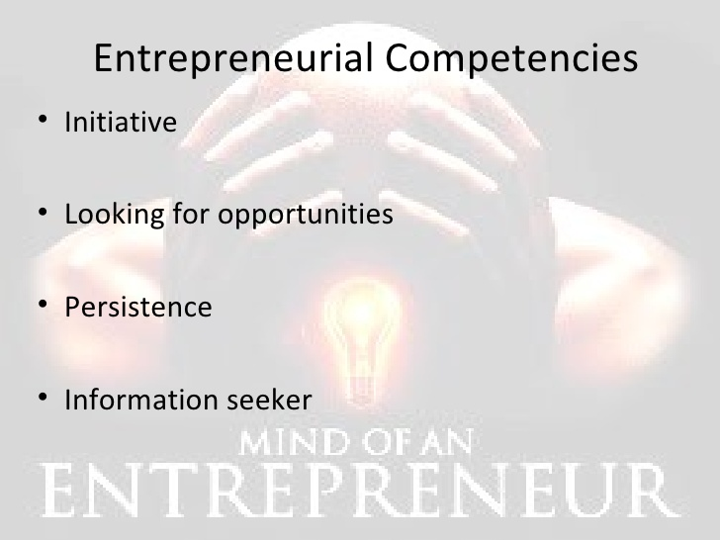 Like managerial competencies, entrepreneurial competencies can be defined as underlying characteristics such as generic and specific knowledge, motives, traits, self-images, social roles, and skills which result in venture birth, survival, and/or growth (Bird, 1995).
10 |  | minutes
4.5 Application |  |  | Align one’s PECS with that of a practitioner/entrepreneur
10 |  | minutes
4.6 Assessment |  |  | Talking to Learners/ Conferencing |  |  Picture Analysis:
10 |  | minutes
4.7 Assignment |  |  | Enhancing / improving the day’s lesson |  | What SWOT?
3 |  | minutes

4.8 Concluding Activity |  |  | Tell something about the quotes.
2 |  | minutes
5. Remarks
6. Reflections
A. No. of learners who earned 80% in the evaluation. |  |  |  |  | C. Did the remedial lessons work? No. of learners who have caught up with the lesson.
B. No. of learners who require additional activities for remediation. |  |  |  |  | D. No. of learners who continue to require remediation.
E. Which of my learning strategies worked well? Why did these work?
F. What difficulties did I encounter which my principal or supervisor can help me solve?
G. What innovation or localized materials did I use/discover which I wish to share with other teachers?
Prepared by: |  |  |  |  | Inspected by: | __________________________
Name: | Analie A. Tubilla |  |  |  | School: | Sangat NHS
Position/ Designation: | SST 1 |  |  |  | Division: | CEBU PROVINCE
Contact Number: |  |  |  |  | Email address:

 |  |  |  |  |  |  |  |  | attitude
 |  |  |  |  |  |  |  |  | Receiving Phenomena
 |  |  |  |  |  |  |  |  | Responding to Phenomena
 |  |  |  |  |  |  |  |  | Valuing
 |  |  |  |  |  |  |  |  | Organization
 |  |  |  |  |  |  |  |  | Internalizing values
 |  |  |  |  |  |  |  |  | assignment
 |  |  |  |  |  |  |  |  | Reinforcing / strengthening the day’s lesson
 |  |  |  |  |  |  |  |  | Enriching / inspiring the day’s lesson
 |  |  |  |  |  |  |  |  | Enhancing / improving the day’s lesson
 |  |  |  |  |  |  |  |  | Preparing for the new lesson

 |  |  |  |  |  |  |  |  | assessment
 |  |  |  |  |  |  |  |  | Observation
 |  |  |  |  |  |  |  |  | Talking to Learners/ Conferencing
 |  |  |  |  |  |  |  |  | Anlysis of Learners' Products
 |  |  |  |  |  |  |  |  | Tests

