Sheet1
Instructional Planning
 |  | (The process of systematically planning, developing, evaluating and managing the instructional process by using principles of teaching and learning - D.O. 42, s. 2016)

Detailed Lesson Plan

DLP No.: | Learning Area: |  |  | Grade Level: | Quarter: | Duration: |  | Date:
9 | TLE - Dressmaking |  |  | 8 | 1 | 48 |  | 2017-06-22
Learning Competency/ies: |  |  | Determine the profile potential competitors |  |  |  | Code:
(Taken from the Curriculum Guide) |  |  |  |  |  |  | TLE_HEDM7/8PC-0k-1
Key Concepts / Understandings to be Developed |  |  | Competition in the market
Domain |  | Adapted Cognitive Process Dimensions (D.O. No. 8, s. 2015) |  | Objectives:Given a powerpoint presentation,the students with 75% accuracy are expected to:
Knowledge The fact or condition of knowing something with familiarity gained through experience or association |  | Remembering
 |  | Understanding |  | Discuss the competition of dressmaking / tailoring in the market.

Skills The ability and capacity acquired through deliberate, systematic, and sustained effort to smoothly and adaptively carryout complex activities or the ability, coming from one's knowledge, practice, aptitude, etc., to do something |  | Applying
 |  | Analyzing
 |  | Evaluating |  | Appraise the competition between dressmaking / tailoring products and services in the market.
 |  | Creating

Attitude |  | Receiving Phenomena |  | Describe how competition goes between dressmaking / tailoring shops in the market.
Values |  | Valuing |  | Demonstrate the value of healthy competition in the market.
2. Content |  |  |  | Competition in the market
3. Learning Resources |  |  |  | LMs , TV, Laptop, Pictures and videos
4. Procedures
4.1 Introductory Activity |  |  | Flash pictures of dressmaking / tailoring products and services from different shops in the market..Ask the students how they are able to sell their products in a day without compromising profits and sales…

5 |  | minutes
4.2 Activity |  |  | Group students into 5.Let them list down/identify some dressmaking establishments found in their locality.Discuss the following questions among the groupmates. How these establishments sell their products and services? Do they have similar products and services sold? Are they selling the same price? is their healthy competition happen between these establishments? Assign a reporter to share in the class the group output ...

12 |  | minutes

4.3 Analysis |  |  | Why is it important to study the potential profile of competitors?
10 |  | minutes
4.4 Abstraction |  |  | 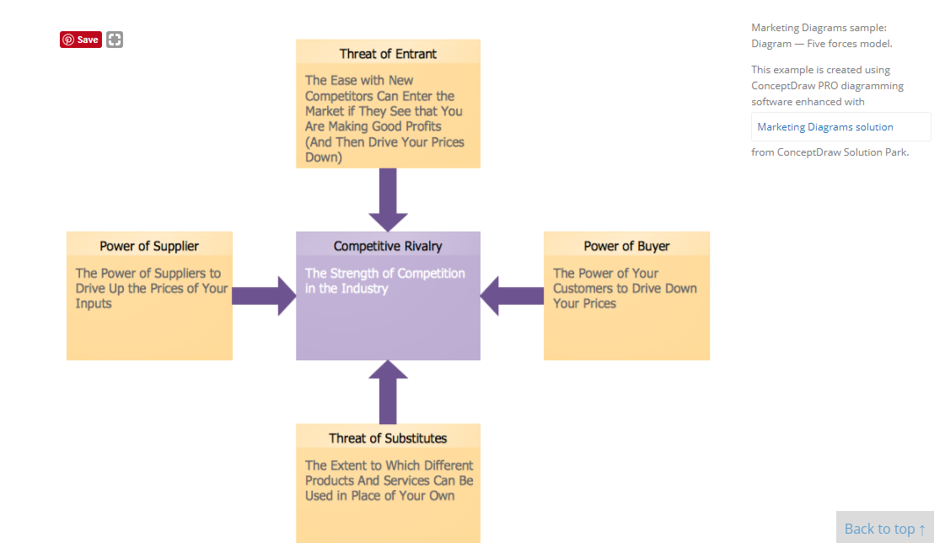 Through powerpoint presentation , the teacher will discuss the potential profile of competitors. Economy: Local competiton, national and international competition. Competitor analysis is a first and obligatory step in elaboration the proper corporate marketing strategy and creating sustainable competitive advantage. It is actively used for: * development a marketing strategy, * elaboration the assortment, price and product policy, *forecasting of the sales plan, *development the product promotion strategy, *detection of opportunities and threats.
10 |  | minutes
4.5 Application |  |  | What is the importance of competitor analysis?Expalin.
10 |  | minutes
4.6 Assessment |  |  | Tests |  | What are the purpose of having competitor analysis? Discuss how it helps in the management?
10 |  | minutes
4.7 Assignment |  |  | Enhancing / improving the day’s lesson |  | Conduct a study of competitors profile in the local market.. (related to dressmaking / tailoring)
3 |  | minutes
4.8 Concluding Activity |  |  | Journal writing:Write a reflective journal of today's lesson.
2 |  | minutes
5. Remarks
6. Reflections
A. No. of learners who earned 80% in the evaluation. |  |  |  |  | C. Did the remedial lessons work? No. of learners who have caught up with the lesson.
B. No. of learners who require additional activities for remediation. |  |  |  |  | D. No. of learners who continue to require remediation.
E. Which of my learning strategies worked well? Why did these work?
F. What difficulties did I encounter which my principal or supervisor can help me solve?
G. What innovation or localized materials did I use/discover which I wish to share with other teachers?
Prepared by: |  |  |  |  | Inspected by: | __________________________
Name: | Analie A. Tubilla |  |  |  | School: | Sangat NHS
Position/ Designation: | SST I |  |  |  | Division: | CEBU PROVINCE
Contact Number: |  |  |  |  | Email address:

 |  |  |  |  |  |  |  |  | attitude
 |  |  |  |  |  |  |  |  | Receiving Phenomena
 |  |  |  |  |  |  |  |  | Responding to Phenomena
 |  |  |  |  |  |  |  |  | Valuing
 |  |  |  |  |  |  |  |  | Organization
 |  |  |  |  |  |  |  |  | Internalizing values
 |  |  |  |  |  |  |  |  | assignment
 |  |  |  |  |  |  |  |  | Reinforcing / strengthening the day’s lesson
 |  |  |  |  |  |  |  |  | Enriching / inspiring the day’s lesson
 |  |  |  |  |  |  |  |  | Enhancing / improving the day’s lesson
 |  |  |  |  |  |  |  |  | Preparing for the new lesson

 |  |  |  |  |  |  |  |  | assessment
 |  |  |  |  |  |  |  |  | Observation
 |  |  |  |  |  |  |  |  | Talking to Learners/ Conferencing
 |  |  |  |  |  |  |  |  | Anlysis of Learners' Products
 |  |  |  |  |  |  |  |  | Tests

