Sheet1
Instructional Planning
 |  | (The process of systematically planning, developing, evaluating and managing the instructional process by using principles of teaching and learning - D.O. 42, s. 2016)

Detailed Lesson Plan (DLP)

DLP No.: | Learning Area: |  |  | Grade Level: | Quarter: | Duration: |  | Date:
25 | ENGLISH |  |  | 9 | SECOND | 60 |  | 2017-09-18
Learning Competency/ies: (Taken from the Curriculum Guide) |  |  | > Share personal opinion about the ideas presented in the material viewed > Analyze literature as a means of valuing other people and their various circumstances in life > Determine tone, mood, technique, and purpose of the author |  |  |  | Code:
 |  |  |  |  |  |  | EN9VC-IIf-23 EN9LT-IIf-15 EN9LT-IIf-2.2.3
Key Concepts / Understandings to be Developed |  |  | The tone, mood, technique, and author's purpose in the text read.
Domain |  | Adapted Cognitive Process Dimensions (D.O. No. 8, s. 2015) |  | OBJECTIVES:
Knowledge The fact or condition of knowing something with familiarity gained through experience or association |  | Remembering |  | Identify the tone, mood, technique, and author's purpose in the text.
 |  | Understanding |  | discuss and share personal opinion about the ideas presented in the material viewed

Skills The ability and capacity acquired through deliberate, systematic, and sustained effort to smoothly and adaptively carryout complex activities or the ability, coming from one's knowledge, practice, aptitude, etc., to do something |  | Applying
 |  | Analyzing |  | attribute and analyze how the text values other people and their various circumstances in life
 |  | Evaluating
 |  | Creating |  | construct a timeline of significant events

Attitude |  | Internalizing values |  | Display personal discipline while reading.
Values |  | Responding to Phenomena |  | Practice oneness during group activity.
2. Content |  |  |  | Ida B. Wells-Barnett and Her Passion for Justice Literary Devices (Tone, Mood, Technique, and Author's Purpose)
3. Learning Resources |  |  |  | A JourneyThrough Anglo-American Literature 9 Learner's Material, DepEd Curriculum Guide 2016, Powerpoint: https://www.slideshare.net/mrhundermark/style-tone-mood?qid=fa42cb52-235f-4ad8-b81e-89b347501e8a&v=&b=&from_search=11 Video Clip: https://www.youtube.com/watch?v=JDaJa8LansM
4. Procedures
4.1 Introductory Activity |  |  | 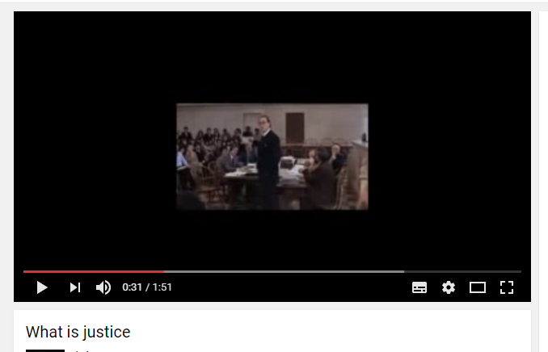 Watch a video clip about Justice. Discuss and share your personal opinions and ideas about the video clip viewed. https://www.youtube.com/watch?v=JDaJa8LansM
5 |  | minutes
4.2 Activity |  |  | Read the text entitled " Ida B. Wells-Barnett and Her Passion for Justice " by Lee D. Baker on your Learner's Material pp. 158 (or here: http://people.duke.edu/~ldbaker/classes/AAIH/caaih/ibwells/ibwbkgrd.html )
10 |  | minutes
4.3 Analysis |  |  | Ask the following questions: 1. What can you say about the justice in the Philipines? 2. How did the text help you appreciate the values and advocacies of other people and their circumstances in life?
3 |  | minutes
4.4 Abstraction |  |  |  Present through Powerpoint presentation on the Tone, Mood, Technique and Author's Purpose ( https://www.slideshare.net/mrhundermark/style-tone-mood?qid=fa42cb52-235f-4ad8-b81e-89b347501e8a&v=&b=&from_search=11 ). Then, discussion on the text read.
12 |  | minutes
4.5 Application |  |  | Group students into 3. Do the following: 1. Construct a timeline of significant events in the life of Ida B. Wells. 2. Identify various civil rights issues that concerned Miss Wells. 3. Examine and evaluate Miss Wells’ responses to discrimination. 4. Analyze the impact a single person can have on history. Present your work to the class.
15 |  | minutes
4.6 Assessment |  |  | Tests |  | A. Choose only the letter of your choice.
 |  |  |  |  | 1. "My heart is like a singing bird Whose nest is a weathered shoot; My heart is like an apple-tree Whose boughs are bent with thick-set fruit; |  | My heart is like a rainbow shell That paddles in a halcyon [peaceful] sea; My heart is gladder than all these Because my love is come to me."
10 |  | minutes |  |  | What mood do the details of the poem convey? A. Sorrow B. Happiness C. Excitement D. Nervousness
 |  |  |  |  | 2-3. "There go the loves thta wither, The old loves with wearier wings; And all dead years draw thither And disastrous things; Dead dreams of days foresaken, Blind buds that snows have shaken, |  | Wild leaves that winds have taken, Red strays of ruined springs. ... And love, grown faint and fretful With lips but half regretful Sighs, and with eyes forgetful Weeps that no loves endure."
 |  |  |  |  | What mood do the details in the poem convey? A. Wastefulness and excess B. Sadness and despair C. Happiness D. Mistrust In the first two lines, what images does the speaker use to describe love? A. Loves that go away and have exhausted wings B. Loves that grow both wobbly and worrisome C. Loves that die D. Loves whose is both young and old
 |  |  |  |  | 4. Which tone is represented in the following passage? Wow! With a top speed of one hundred fifty miles per hour, that car can almost fly! A. Calm B. Annoyed C. Scary D. Excited 5. Which tone is represented in the following passage? As that hurricane threatened, the wind's blast caused angry fifteen-foot waves to crash over the small houses near the shore. A. Calm B. Annoyed C. Scary D. Excited
 |  |  |  |  | B. Read the description of each text and identify the MAIN purpose of the author. 1. A five paragraph essay where a student argues that people should recycle and not litter A. Entertain B. Inform C. Persuade 2. An encyclopedia entry about endangered animals and efforts to protect them A. Entertain B. Inform C. Persuade 3. A map of the world, showing all continents, countries, and oceans A. Entertain B. Inform C. Persuade 4. A Garfield comic from the newspaper in which Garfield hates Mondays and likes lasagna A. Entertain B. Inform C. Persuade 5. A brochure about how people shouldn’t shop atWalmart because they hurt local businesses A. Entertain B. Inform C. Persuade
4.7 Assignment |  |  | Preparing for the new lesson |  | Research and study about jargons and communicative styles.
2 |  | minutes
4.8 Concluding Activity |  |  | Sentence Completion: One significant insight I got today is _________ .
3 |  | minutes
5. Remarks
6. Reflections
A. No. of learners who earned 80% in the evaluation. |  |  |  |  | C. Did the remedial lessons work? No. of learners who have caught up with the lesson.
B. No. of learners who require additional activities for remediation. |  |  |  |  | D. No. of learners who continue to require remediation.
E. Which of my learning strategies worked well? Why did these work?
F. What difficulties did I encounter which my principal or supervisor can help me solve?
G. What innovation or localized materials did I use/discover which I wish to share with other teachers?

Prepared by:
Name: | LEAH L. CONDINA |  |  |  | School: | OSLOB SECONDARY SCHOOLS
Position/ Designation: | TEACHER 1 |  |  |  | Division: | CEBU PROVINCE
Contact Number: | 0942-247-7175 |  |  |  | Email address: | lundaylc@gmail.com

 |  |  |  |  |  |  |  |  | attitude
 |  |  |  |  |  |  |  |  | Receiving Phenomena
 |  |  |  |  |  |  |  |  | Responding to Phenomena
 |  |  |  |  |  |  |  |  | Valuing
 |  |  |  |  |  |  |  |  | Organization
 |  |  |  |  |  |  |  |  | Internalizing values
 |  |  |  |  |  |  |  |  | assignment
 |  |  |  |  |  |  |  |  | Reinforcing / strengthening the day’s lesson
 |  |  |  |  |  |  |  |  | Enriching / inspiring the day’s lesson
 |  |  |  |  |  |  |  |  | Enhancing / improving the day’s lesson
 |  |  |  |  |  |  |  |  | Preparing for the new lesson

 |  |  |  |  |  |  |  |  | assessment
 |  |  |  |  |  |  |  |  | Observation
 |  |  |  |  |  |  |  |  | Talking to Learners/ Conferencing
 |  |  |  |  |  |  |  |  | Anlysis of Learners' Products
 |  |  |  |  |  |  |  |  | Tests

