Sheet1
Instructional Planning
 |  | (The process of systematically planning, developing, evaluating and managing the instructional process by using principles of teaching and learning - D.O. 42, s. 2016)

Detailed Lesson Plan (DLP)

DLP No.: | Learning Area: |  |  | Grade Level: | Quarter: | Duration: |  | Date:
28 | ENGLISH |  |  | 9 | SECOND | 60 |  | 2017-09-21
Learning Competency/ies: (Taken from the Curriculum Guide) |  |  | > Sense the difference between linear and non-linear texts |  |  |  | Code:
 |  |  |  |  |  |  | EN9RC-IIf-11.1
Key Concepts / Understandings to be Developed |  |  | The difference between linear and non-linear texts.
Domain |  | Adapted Cognitive Process Dimensions (D.O. No. 8, s. 2015) |  | OBJECTIVES:
Knowledge The fact or condition of knowing something with familiarity gained through experience or association |  | Remembering
 |  | Understanding |  | Discuss linear and non-linear texts.

Skills The ability and capacity acquired through deliberate, systematic, and sustained effort to smoothly and adaptively carryout complex activities or the ability, coming from one's knowledge, practice, aptitude, etc., to do something |  | Applying |  | illustrate intrepretation of given texts through writing and using table or graph.
 |  | Analyzing |  | Differentiate linear and non-linear texts.
 |  | Evaluating
 |  | Creating |  | construct a Venn Diagram.

Attitude |  | Internalizing values |  | Display personal discipline while listening to the discussion.
Values |  | Responding to Phenomena |  | Practice oneness during group activities.
2. Content |  |  |  | Linear and Non-linear Texts
3. Learning Resources |  |  |  | A JourneyThrough Anglo-American Literature 9 Learner's Material, DepEd Curriculum Guide 2016, Pictures: https://www.google.com.ph/search?biw=1366&bih=589&tbm=isch&sa=1&q=books+magazines+and+newspapers&oq=books%2C+maga&gs_l=psy-ab.3.1.0i19k1l2j0i5i30i19k1j0i8i30i19k1.413900.415625.0.417824.11.11.0.0.0.0.298.1827.0j3j5.8.0....0...1.1.64.psy-ab..3.8.1824.zdrFbrkoe7U#imgrc=133Vw-7EXjuzQM: https://www.google.com.ph/search?q=examples+of+linear+and+nonlinear+text&sa=X&biw=1366&bih=638&tbm=isch&tbo=u&source=univ&ved=0ahUKEwj1xPbXjMTVAhWCe7wKHekNA4sQsAQIKg#imgrc=ojwbp4hgAngygM:
4. Procedures
4.1 Introductory Activity |  |  | 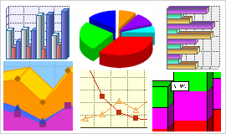  Show pictures. Share your ideas in class about the contents and its relationship with each other.
5 |  | minutes
4.2 Activity |  |  | Group students into 3. Do the following: Group 1 - Study and interpret the table in a text form. Take note of the structure in writing a linear text.
10 |  | minutes
 |  |  |  | 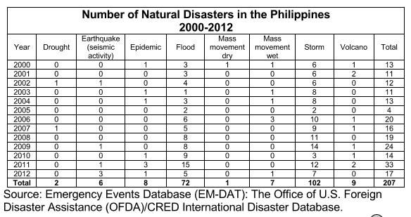
 |  |  | Group 2 - Study and interpret the text below in a table or graph form.Take note of the structure when interpreting through a table or graph.
4.3 Analysis |  |  | Ask the following questions: 1. What are linear and non-linear texts? 2. What is the significance of the linear and non-linear texts in writing effectively?
5 |  | minutes
4.4 Abstraction |  |  | Discuss through powerpoint: https://www.slideshare.net/jmpalero/english-9-linear-vs-nonlinear-text
15 |  | minutes
 |  |  |  | 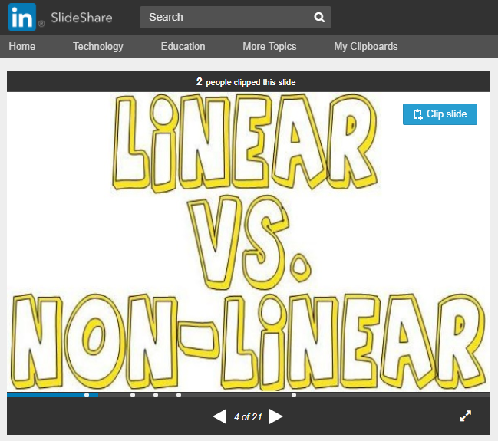
4.5 Application |  |  | Working with the same group, compare and contrast how information is presented in linear and nonlinear texts through illustrating a Venn Diagram. Share your outputs in class.
10 |  | minutes
4.6 Assessment |  |  | Tests |  | 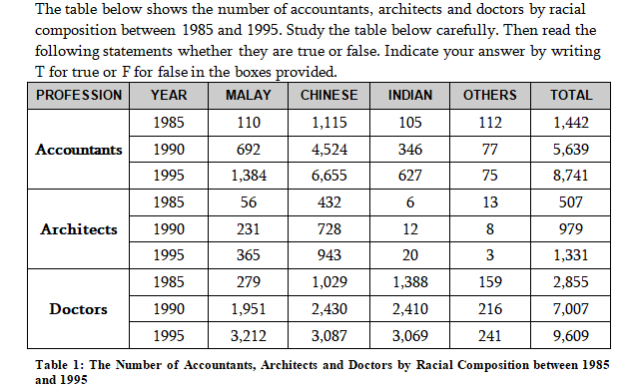 https://www.google.com.ph/url?sa=t&rct=j&q=&esrc=s&source=web&cd=1&cad=rja&uact=8&ved=0ahUKEwiCrorQlMTVAhUHoZQKHSy9CpcQFggnMAA&url=http%3A%2F%2Fvodppl.upm.edu.my%2Fuploads%2Fdocs%2Fbbi2409_1328512301.doc&usg=AFQjCNGUkbzu1igE1J_fiHCRS8osxAfxcw
10 |  | minutes
 |  |  |  |  | 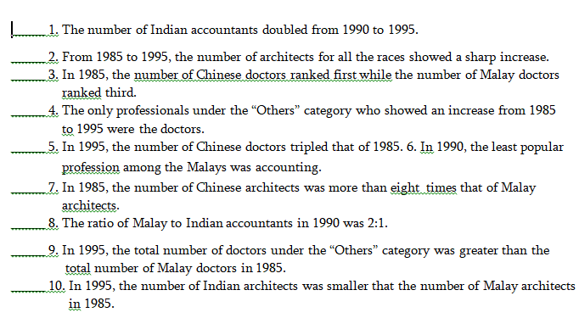
4.7 Assignment |  |  | Preparing for the new lesson |  | Review and study about conditionals in arguments and fallacies.
3 |  | minutes
4.8 Concluding Activity |  |  | Ask a student to summarize what had he/she learned from today's activties and discussions.
2 |  | minutes
5. Remarks
6. Reflections
A. No. of learners who earned 80% in the evaluation. |  |  |  |  | C. Did the remedial lessons work? No. of learners who have caught up with the lesson.
B. No. of learners who require additional activities for remediation. |  |  |  |  | D. No. of learners who continue to require remediation.
E. Which of my learning strategies worked well? Why did these work?
F. What difficulties did I encounter which my principal or supervisor can help me solve?
G. What innovation or localized materials did I use/discover which I wish to share with other teachers?

Prepared by:
Name: | LEAH L. CONDINA |  |  |  | School: | OSLOB SECONDARY SCHOOLS
Position/ Designation: | TEACHER 1 |  |  |  | Division: | CEBU PROVINCE
Contact Number: | 0942-247-7175 |  |  |  | Email address: | lundaylc@gmail.com

 |  |  |  |  |  |  |  |  | attitude
 |  |  |  |  |  |  |  |  | Receiving Phenomena
 |  |  |  |  |  |  |  |  | Responding to Phenomena
 |  |  |  |  |  |  |  |  | Valuing
 |  |  |  |  |  |  |  |  | Organization
 |  |  |  |  |  |  |  |  | Internalizing values
 |  |  |  |  |  |  |  |  | assignment
 |  |  |  |  |  |  |  |  | Reinforcing / strengthening the day’s lesson
 |  |  |  |  |  |  |  |  | Enriching / inspiring the day’s lesson
 |  |  |  |  |  |  |  |  | Enhancing / improving the day’s lesson
 |  |  |  |  |  |  |  |  | Preparing for the new lesson

 |  |  |  |  |  |  |  |  | assessment
 |  |  |  |  |  |  |  |  | Observation
 |  |  |  |  |  |  |  |  | Talking to Learners/ Conferencing
 |  |  |  |  |  |  |  |  | Anlysis of Learners' Products
 |  |  |  |  |  |  |  |  | Tests

