DLP31
Instructional Planning
 |  | (The process of systematically planning, developing, evaluating and managing the instructional process by using principles of teaching and learning - D.O. 42, s. 2016)

Detailed Lesson Plan (DLP) Format

DLP No.: | Learning Area: |  |  | Grade Level: | Quarter: | Duration: |  | Date:
31 | MATHEMATICS |  |  | 9 | I | 60
Learning Competency/ies: |  |  | Determines the equation of a quadratic function ( a) a table of values, (b) graph, (c) zeros |  |  |  | Code:
(Taken from the Curriculum Guide) |  |  |  |  |  |  | M9AL-lj-1
Key Concepts / Understandings to be Developed |  |  | ➢ In finding the roots of a quadratic equation we use different methods in which this method also applies in finding the zeros of a quadratic function. Methods like: Factoring, Completing the square and Quadratic formula. ➢ The graph of a quadratic function is a parabola. A parabola can cross the x-axis once, twice or never. The x-coordinates of these points of intersection are called x-intercepts. The zeros of the function can be determined by setting y to 0 and solving the resulting equation through different algebraic methods.
Domain |  | Adapted Cognitive Process Dimensions (D.O. No. 8, s. 2015) |  | OBJECTIVES:
Knowledge The fact or condition of knowing something with familiarity gained through experience or association |  | Remembering |  | identify the x-intercepts given the graph of quadrtaic function
 |  | Understanding |  | express y = ax² bx +c, a≠0 in the form of y=a ( x - h )²+ k and vice versa.

Skills The ability and capacity acquired through deliberate, systematic, and sustained effort to smoothly and adaptively carryout complex activities or the ability, coming from one's knowledge, practice, aptitude, etc., to do something |  | Applying |  | discover the equation given the graph and the zeros of the function
 |  | Analyzing
 |  | Evaluating
 |  | Creating

Attitude |  | Valuing |  | demonstrate with patience the equation of quadratic function
Values |  | Internalizing values |  | display oneness in deriving the equation of the quadratic function
2. Content |  |  |  | Finding the Equation of a Quadratic Function
3. Learning Resources |  |  |  | Math 9 LM, MATH 9 CG, Our World of Math 9, Next Century Mathematics, Google
4. Procedures
4.1 Introductory Activity |  |  | Review in finding the roots of a quadratic equation using any methods. Group Activity. Each group will find the roots of the given equation using the assigned method.
5 |  | minutes
4.2 Activity |  |  | Group Activity Given the graph the students will identify the x intecepts of the quadratic function. Then they will formulate the equation from the x-intercept.
7 |  | minutes
4.3 Analysis |  |  | 1. How would you describe the graph ? 2. What is the vertex of the parabola? 3. What is the axis of symmetry? 4.What values of x does the graph intersects the x-axis? 5. What do you call the x-coordinates where the curve crosses the x-axis?
8 |  | minutes
4.4 Abstraction |  |  | 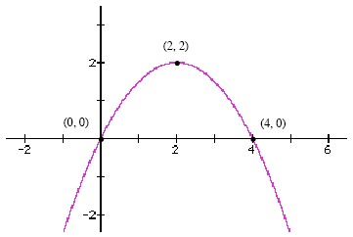 How to find the roots of a quadratic equation? ➢ In finding the roots of a quadratic equation we use different methods in which this method also applies in finding the zeros of a quadratic function. Methods like: Factoring, Completing the square and Quadratic formula. Describe the graph of a quadratic function. ➢ The graph of a quadratic function is a parabola. A parabola can cross the x-axis once, twice or never. The x-coordinates of these points of intersection are called x-intercepts. The zeros of the function can be determined by setting y to 0 and solving the resulting equation through different algebraic methods.
15 |  | minutes
4.5 Application |  |  | 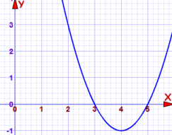 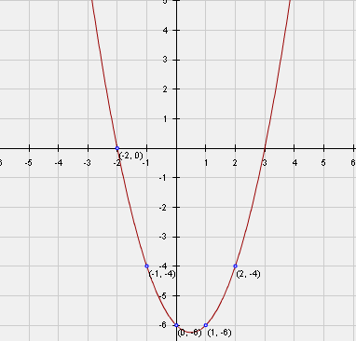 Group Activity: Given the following discover the equation of the quadratic function. A. 3, -5 B. 4 , 5 c. D.
13 |  | minutes
4.6 Assessment |  |  | Anlysis of Learners' Products |  | 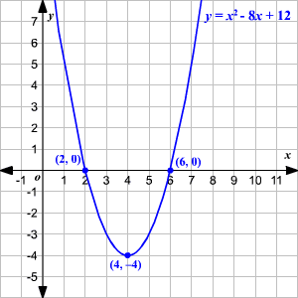 Individual Work: Given the following discover the equation of the quadratic function. A. 3,3 B.
8 |  | minutes
4.7 Assignment |  |  | Enhancing / improving the day’s lesson |  | Try this ! Given the following discover the equation of the quadratic function. -1 / 2 ; -2
2 |  | minutes
4.8 Concluding Activity |  |  | Along a parabola life like a rocket flies, mainly in darkness and then on a rainbow.
2 |  | minutes
5. Remarks
6. Reflections
A. No. of learners who earned 80% in the evaluation. |  |  |  |  | C. Did the remedial lessons work? No. of learners who have caught up with the lesson.
B. No. of learners who require additional activities for remediation. |  |  |  |  | D. No. of learners who continue to require remediation.
E. Which of my learning strategies worked well? Why did these work?
F. What difficulties did I encounter which my principal or supervisor can help me solve?
G. What innovation or localized materials did I use/discover which I wish to share with other teachers?
Prepared by:
Name: | Cecilia Princesa, Jhocel Legarde, Jerelyn Nava, Carmelo Borbon, Gerald Rosero |  |  |  | School: | OSLOB SECONDARY SCHOOLS
Position/ Designation: |  |  |  |  | Division: | CEBU PROVINCE
Contact Number: |  |  |  |  | Email address:
Quality Assured by: |  |  | EDSEL M. URSAL

 |  |  |  |  |  |  |  |  | attitude
 |  |  |  |  |  |  |  |  | Receiving Phenomena
 |  |  |  |  |  |  |  |  | Responding to Phenomena
 |  |  |  |  |  |  |  |  | Valuing
 |  |  |  |  |  |  |  |  | Organization
 |  |  |  |  |  |  |  |  | Internalizing values
 |  |  |  |  |  |  |  |  | assignment
 |  |  |  |  |  |  |  |  | Reinforcing / strengthening the day’s lesson
 |  |  |  |  |  |  |  |  | Enriching / inspiring the day’s lesson
 |  |  |  |  |  |  |  |  | Enhancing / improving the day’s lesson
 |  |  |  |  |  |  |  |  | Preparing for the new lesson

 |  |  |  |  |  |  |  |  | assessment
 |  |  |  |  |  |  |  |  | Observation
 |  |  |  |  |  |  |  |  | Talking to Learners/ Conferencing
 |  |  |  |  |  |  |  |  | Anlysis of Learners' Products
 |  |  |  |  |  |  |  |  | Tests

