Sheet1
Instructional Planning
 |  | (The process of systematically planning, developing, evaluating and managing the instructional process by using principles of teaching and learning - D.O. 42, s. 2016)

Detailed Lesson Plan (DLP) Format

DLP No.: | Learning Area: |  |  | Grade Level: | Quarter: | Duration: |  | Date:
37 | ENGLISH |  |  | 9 | SECOND | 60 |  | 2017-10-05
Learning Competency/ies: |  |  | > Compose forms of literary writing > Use literary devices and techniques to craft short prose forms |  |  |  | Code:
(Taken from the Curriculum Guide) |  |  |  |  |  |  | > EN9WC-Iih-9 > EN9WC-Iih-9.3
Key Concepts / Understandings to be Developed |  |  | Students will learn how indifference can adversely affect the life of another and how caring for someone can be a means to peace.
Domain |  | Adapted Cognitive Process Dimensions (D.O. No. 8, s. 2015) |  | OBJECTIVES:
Knowledge The fact or condition of knowing something with familiarity gained through experience or association |  | Remembering
 |  | Understanding |  | Discuss about imagery

Skills The ability and capacity acquired through deliberate, systematic, and sustained effort to smoothly and adaptively carryout complex activities or the ability, coming from one's knowledge, practice, aptitude, etc., to do something |  | Applying |  | Use imagery
 |  | Analyzing
 |  | Evaluating
 |  | Creating |  | Compose a vignette

Attitude |  | Receiving Phenomena |  | Share about concern for others
Values |  | Valuing |  | Practice oneness in group activity
2. Content |  |  |  | Vignette; Imagery
3. Learning Resources |  |  |  | Learner's Manual 9; Online Sources http://www.literarydevices.com/vignette/ https://image.slidesharecdn.com/rubriccreativewriting-100517081616-phpapp01/95/rubric-creative-writing-1-728.jpg?cb=1274084277 https://www.google.com.ph/search?biw=1366&bih=613&tbm=isch&sa=1&q=quotes+about+concern+for+others&oq=quotes+about+concern+&gs_l=psy-ab.1.2.0l3j0i30k1.31330.37800.0.40667.9.9.0.0.0.0.449.1480.0j7j4-1.8.0....0...1.1.64.psy-ab..1.8.1477.OlNz51XKe00#imgrc=U_6typ2uXW4_9M:
4. Procedures
4.1 Introductory Activity |  |  | The teacher will write the word IMAGERY on the board.
2 |  | minutes
4.2 Activity |  |  | Group Activity: Recall and discuss about imagery. The teacher will relate imagery to "Vignette."
10 |  | minutes
4.3 Analysis 4 minutes |  |  | The teacher will relate imagery to "Vignette." A discussion about the topic starts.
4.4 Abstraction |  |  | Questions: 1. What are vignettes? 2. What is imagery? 3. Give examples of vignettes. 4. Why was the word vignette adopted as a literary device?
10 |  | minutes
4.5 Application |  |  | Compose a vignette about "Concern for Others." Apply imagery on your vignette.
10 |  | minutes
4.6 Assessment |  |  | Anlysis of Learners' Products |  | 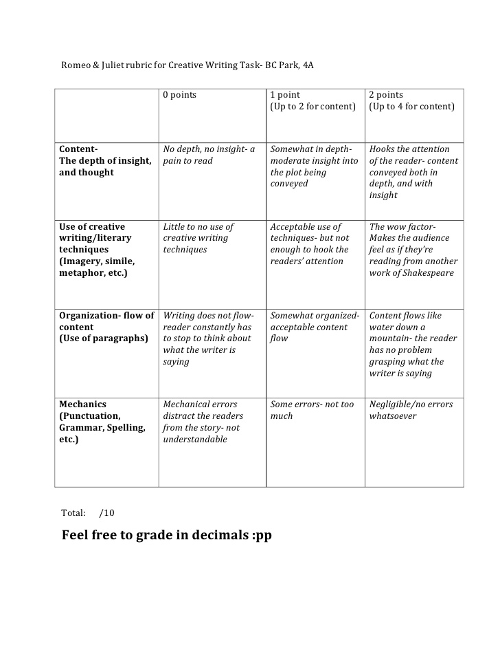
10 |  | minutes
4.7 Assignment |  |  | Preparing for the new lesson |  | Read in advance about "Reader's Theater"
2 |  | minutes
4.8 Concluding Activity |  |  | 
2 |  | minutes
5. Remarks
6. Reflections
A. No. of learners who earned 80% in the evaluation. |  |  |  |  | C. Did the remedial lessons work? No. of learners who have caught up with the lesson.
B. No. of learners who require additional activities for remediation. |  |  |  |  | D. No. of learners who continue to require remediation.
E. Which of my learning strategies worked well? Why did these work?
F. What difficulties did I encounter which my principal or supervisor can help me solve?
G. What innovation or localized materials did I use/discover which I wish to share with other teachers?

Prepared by:
Name: | JENNIFER P. SUYCANO |  |  |  | School: | OSLOB SECONDARY SCHOOLS
Position/ Designation: | T1 |  |  |  | Division: | CEBU
Contact Number: | 9186299514 |  |  |  | Email address: | suycanojennifer@yahoo.com

 |  |  |  |  |  |  |  |  | attitude
 |  |  |  |  |  |  |  |  | Receiving Phenomena
 |  |  |  |  |  |  |  |  | Responding to Phenomena
 |  |  |  |  |  |  |  |  | Valuing
 |  |  |  |  |  |  |  |  | Organization
 |  |  |  |  |  |  |  |  | Internalizing values
 |  |  |  |  |  |  |  |  | assignment
 |  |  |  |  |  |  |  |  | Reinforcing / strengthening the day’s lesson
 |  |  |  |  |  |  |  |  | Enriching / inspiring the day’s lesson
 |  |  |  |  |  |  |  |  | Enhancing / improving the day’s lesson
 |  |  |  |  |  |  |  |  | Preparing for the new lesson

 |  |  |  |  |  |  |  |  | assessment
 |  |  |  |  |  |  |  |  | Observation
 |  |  |  |  |  |  |  |  | Talking to Learners/ Conferencing
 |  |  |  |  |  |  |  |  | Anlysis of Learners' Products
 |  |  |  |  |  |  |  |  | Tests

