1
Instructional Planning
 |  | (The process of systematically planning, developing, evaluating and managing the instructional process by using principles of teaching and learning - D.O. 42, s. 2016)

Detailed Lesson Plan (DLP) Format

DLP No.: | Learning Area: |  |  | Grade Level: | Quarter: | Duration: |  | Date:
1 | Music |  |  | VII | 1 | 60 |  | 2017-06-05
Learning Competency/ies: |  |  | The learner identifies the musical characteristics of representative music selections from the lowlands of Luzon after listening. |  |  |  | Code:
(Taken from the Curriculum Guide) |  |  |  |  |  |  | MU7LU-Ia-1
Key Concepts / Understandings to be Developed |  |  | Musical characteristics of representative music from the lowlands of Luzon.
Domain |  | Adapted Cognitive Process Dimensions (D.O. No. 8, s. 2015) |  | OBJECTIVES:
Knowledge The fact or condition of knowing something with familiarity gained through experience or association |  | Remembering |  | Identify the musical characteristics of the folk songs from the lowlands of Luzon.
 |  | Understanding
Skills The ability and capacity acquired through deliberate, systematic, and sustained effort to smoothly and adaptively carryout complex activities or the ability, coming from one's knowledge, practice, aptitude, etc., to do something |  | Applying
 |  | Analyzing |  | Distinguished the musical chracteristics of the folk songs from the lowlands of Luzon.
 |  | Evaluating
 |  | Creating
Attitude |  | Valuing |  | Recognize the importance of knowing the music of the lowlands from Luzon.
Values |  | Valuing |  | Listen critically and purposively.
2. Content |  |  |  | FOLK SONGS OF THE LUZON (LOWLANDS)
3. Learning Resources |  |  |  | Music and Arts Learner Material
4. Procedures
4.1 Introductory Activity |  |  | Activity 1: Picture Analysis The students will show pictures about the culture the Lowland of Luzon (see attachment), the students are given two minutes to observe and analyze what they have seen on the pictures. And three minutes of sharing their thoughts and ideas. Guide Questions: * What can you say about the Lowland Luzon? * What do you know about the Lowland Luzon? * What do you want to know about the music of Lowland Luzon?
5 |  | minutes
4.2 Activity |  |  | Music analysis (Lowland Song) Instruction: Let the students listen to the Lowland music and let them describe the following by checking. Dynamics A. Dynamics ___ soft ___ moderate ___ loud B. tempo ___ fast (allegro) ___ moderate (moderato) ___ slow (lento) Timbre light ___ bright ___ dark___ Pitch high ___ low ___ neutral ___ Form strophic ___ binary ___ Ternary ___ Rondo
10 |  | minutes
4.3 Analysis |  |  | Call some students to share their ideas about the given questions. * How do you feel after hearing the music of the Lowland Luzon? * What instrument was used in this particular music? * Described the musical elements used. What is the instrument made of?
10 |  | minutes
4.4 Abstraction |  |  | 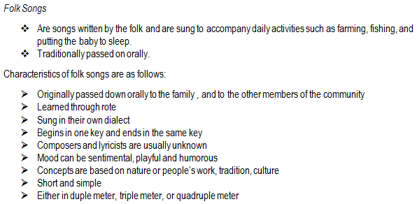 * What are the musical characteristics of folk songs from the Lowland of Luzon? * How were the varied musical elements (timbre, dynamics, rhythm, pitch, form) used in bringing about the message of the music? Possible Answers:
10 |  | minutes
4.5 Application |  |  |  Listening Activity Tell the students read first the instructions/questions below. Let them choose a song to work on. 1. From the folk songs listed below, select two and listen to both. * Atin Cu Pung Singsing * Pamulenawen * O Naraiyag A Bulan * Magtanim Ay Di Biro * Santa Clara * Sarung Banggi 2. Compare and contrast the characteristics of the two songs according to their musical elements. Student's rubric in getting their points:
10 |  | minutes
4.6 Assessment |  |  | Analysis of Learners' Products
10 |  | minutes
4.7 Assignment |  |  | Enriching the day's lesson |  | Search a the lyric of the song intitled "Lagkaw".
2 |  | minutes
4.8 Concluding Activity |  |  | “Music is a piece of art that goes in the ears straight to the heart”
3 |  | minutes
5. Remarks
6. Reflections
A. No. of learners who earned 80% in the evaluation. |  |  |  |  | C. Did the remedial lessons work? No. of learners who have caught up with the lesson.
B. No. of learners who require additional activities for remediation. |  |  |  |  | D. No. of learners who continue to require remediation.
E. Which of my learning strategies worked well? Why did these work?
F. What difficulties did I encounter which my principal or supervisor can help me solve?
G. What innovation or localized materials did I use/discover which I wish to share with other teachers?

Prepared by:
Name: | Liezel M. Cañete |  |  |  | School: | Juan Pamplona National High School
Position/ Designation: | Teacher 1 |  |  |  | Division: | Cebu Province
Contact Number: | 09321754915 |  |  |  | Email address: | canete.liezel@yahoo.com

 |  |  |  |  |  |  |  |  | attitude
 |  |  |  |  |  |  |  |  | Receiving Phenomena
 |  |  |  |  |  |  |  |  | Responding to Phenomena
 |  |  |  |  |  |  |  |  | Valuing
 |  |  |  |  |  |  |  |  | Organization
 |  |  |  |  |  |  |  |  | Internalizing values
 |  |  |  |  |  |  |  |  | assignment
 |  |  |  |  |  |  |  |  | Reinforcing / strengthening the day’s lesson
 |  |  |  |  |  |  |  |  | Enriching / inspiring the day’s lesson
 |  |  |  |  |  |  |  |  | Enhancing / improving the day’s lesson
 |  |  |  |  |  |  |  |  | Preparing for the new lesson

 |  |  |  |  |  |  |  |  | assessment
 |  |  |  |  |  |  |  |  | Observation
 |  |  |  |  |  |  |  |  | Talking to Learners/ Conferencing
 |  |  |  |  |  |  |  |  | Anlysis of Learners' Products
 |  |  |  |  |  |  |  |  | Tests

4
Instructional Planning
 |  | (The process of systematically planning, developing, evaluating and managing the instructional process by using principles of teaching and learning - D.O. 42, s. 2016)

Detailed Lesson Plan (DLP) Format

DLP No.: | Learning Area: |  |  | Grade Level: | Quarter: | Duration: |  | Date:
4 | Music |  |  | VII | 1 | 60 |  | 2017-06-26
Learning Competency/ies: |  |  | Explores way of producing sounds on a variety of sources that is similar to the instrument being studied. |  |  |  | Code:
(Taken from the Curriculum Guide) |  |  |  |  |  |  | MU7LU-Ib-f-4
Key Concepts / Understandings to be Developed |  |  | Variety of sources that is similar to the instrument of various provinces in the Philippines.
Domain |  | Adapted Cognitive Process Dimensions (D.O. No. 8, s. 2015) |  | OBJECTIVES:
Knowledge The fact or condition of knowing something with familiarity gained through experience or association |  | Remembering |  | Name the different musical instruments used in producing sounds.
 |  | Understanding
Skills The ability and capacity acquired through deliberate, systematic, and sustained effort to smoothly and adaptively carryout complex activities or the ability, coming from one's knowledge, practice, aptitude, etc., to do something |  | Applying |  | Demonstrate ways of using the musical instrument as an accompaniment of their choosen song from the previous lesson.
 |  | Analyzing
 |  | Evaluating
 |  | Creating
Attitude |  | Valuing |  | Develop one's talent in musical and rhythmic intellegence.
Values |  | Valuing |  | Promote civic consciousness
2. Content |  |  |  | Instrumental Music
3. Learning Resources |  |  |  | Music and Arts Learner's Material, Music and Arts Teacher's Guide, Video from the youtube ,cartolina, pentel pen
4. Procedures
4.1 Introductory Activity |  |  | Activity 1: Video Watching The students will watch a videos of the Musikong Bumbong and Pangkat Kawayan, Pamulinawen, Atin Cu Pung Singsing and Sarung Banggi. Compare the kind of instruments being used, the sound quality, and the way they play the instruments.
10 |  | minutes
4.2 Activity |  |  | Activity 2: We Got It! The class will be devided into two.Each group were given strips of cartolina and pentel pen. The group will receive a yellow cartolina they going to identify the kind of music they have heard and in white cartolina name the different musical intruments being used in producing a sound. The group who can post their answers on the board first and got the correct answer will get the points.
10 |  | minutes
4.3 Analysis |  |  | Activity: Group Think Share The teacher will call some volunteers to share. More calarifications about the activity must be processed by the teachers.The activity must be done in ten minutes. * How will you describe the quality of the sound heard and the way they play the instruments in the music of lowland Luzon?
5 |  | minutes
4.4 Abstraction |  |  | 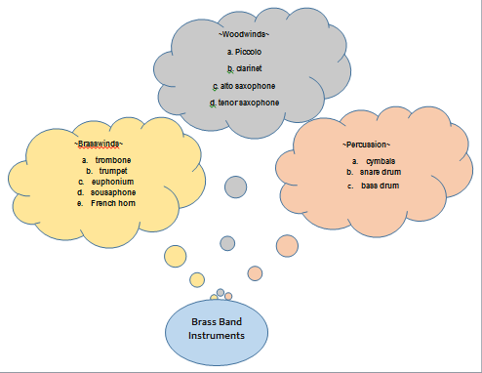 Based on the video shown a while ago the students will share their ideas about the different musical instruments from the Lowland of Luzon. * What are the musical instruments from the lowlands of Luzon? * What is the material used in their instruments?
10 |  | minutes
4.5 Application |  |  | Activity: Sing a Song Using the same group in the previous lesson they are going to present again their choosen song but this time with musical instrument available in our place already .
15 |  | minutes
4.6 Assessment |  |  | Anlysis of Learners' Products |  | 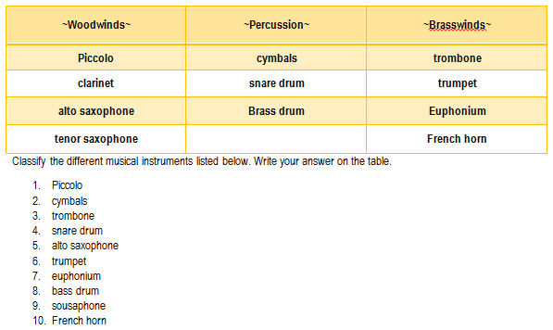
5 |  | minutes
4.7 Assignment |  |  | Preparing for the new lesson |  | The teacher will let the students choose a song from the lowland of Luzon and create their own rhythmic/melodic accompaniments to selected music from the lowlands of Luzon.
2 |  | minutes
4.8 Concluding Activity |  |  | Next to the word of God, the noble art of music is the greatest treasure in the world.
3 |  | minutes
5. Remarks
6. Reflections
A. No. of learners who earned 80% in the evaluation. |  |  |  |  | C. Did the remedial lessons work? No. of learners who have caught up with the lesson.
B. No. of learners who require additional activities for remediation. |  |  |  |  | D. No. of learners who continue to require remediation.
E. Which of my learning strategies worked well? Why did these work?
F. What difficulties did I encounter which my principal or supervisor can help me solve?
G. What innovation or localized materials did I use/discover which I wish to share with other teachers?

Prepared by:
Name: | Liezel M. Cañete |  |  |  | School: | Juan Pamplona National High School
Position/ Designation: | Teacher 1 |  |  |  | Division: | Cebu Province
Contact Number: | 09321754915 |  |  |  | Email address: | canete.liezel@yahoo.com

 |  |  |  |  |  |  |  |  | attitude
 |  |  |  |  |  |  |  |  | Receiving Phenomena
 |  |  |  |  |  |  |  |  | Responding to Phenomena
 |  |  |  |  |  |  |  |  | Valuing
 |  |  |  |  |  |  |  |  | Organization
 |  |  |  |  |  |  |  |  | Internalizing values
 |  |  |  |  |  |  |  |  | assignment
 |  |  |  |  |  |  |  |  | Reinforcing / strengthening the day’s lesson
 |  |  |  |  |  |  |  |  | Enriching / inspiring the day’s lesson
 |  |  |  |  |  |  |  |  | Enhancing / improving the day’s lesson
 |  |  |  |  |  |  |  |  | Preparing for the new lesson

 |  |  |  |  |  |  |  |  | assessment
 |  |  |  |  |  |  |  |  | Observation
 |  |  |  |  |  |  |  |  | Talking to Learners/ Conferencing
 |  |  |  |  |  |  |  |  | Anlysis of Learners' Products
 |  |  |  |  |  |  |  |  | Tests

5
Instructional Planning
 |  | (The process of systematically planning, developing, evaluating and managing the instructional process by using principles of teaching and learning - D.O. 42, s. 2016)

Detailed Lesson Plan (DLP) Format

DLP No.: | Learning Area: |  |  | Grade Level: | Quarter: | Duration: |  | Date:
5 | Music |  |  | VII | 1 | 60 |  | 2017-07-03
Learning Competency/ies: |  |  | Improvises simple rhythmic/melodic accompaniments to selected music from the lowlands of Luzon. |  |  |  | Code:
(Taken from the Curriculum Guide) |  |  |  |  |  |  | MU7LU-Ic-f-5
Key Concepts / Understandings to be Developed |  |  | Simple rhythmic/melodic accompaniments provides support for the melody or main themes of a song or instrumental piece.
Domain |  | Adapted Cognitive Process Dimensions (D.O. No. 8, s. 2015) |  | OBJECTIVES:
Knowledge The fact or condition of knowing something with familiarity gained through experience or association |  | Remembering |  | Identify the simple rhythmic/melodic accompaniments to selected music from the lowland of Luzon.
 |  | Understanding
Skills The ability and capacity acquired through deliberate, systematic, and sustained effort to smoothly and adaptively carryout complex activities or the ability, coming from one's knowledge, practice, aptitude, etc., to do something |  | Applying
 |  | Analyzing
 |  | Evaluating
 |  | Creating |  | Improvise simple rhythmic/melodic accompaniments to selected music from the lowland of Luzon.
Attitude |  | Valuing |  | Give the importance of improvising rhythmic/melodic accompaniments.
Values |  | Valuing |  | Demonstrate willingness in performing simple rhythmic/melodic accompaniments.
2. Content |  |  |  | Musical Instruments
3. Learning Resources |  |  |  | Music and Arts Learner Material, Video from the youtube
4. Procedures
4.1 Introductory Activity |  |  | Activity 1: Let's Sing The students will stay with their group they will sing their choosen song from the Lowland of Luzon. The group should see to it that while singing they will not disturb other groups. They will do that in two minutes. Another three minutes in singing while other groups were listening to the melody of their choosen song. Each group has a chance to sing.
5 |  | minutes
4.2 Activity |  |  | 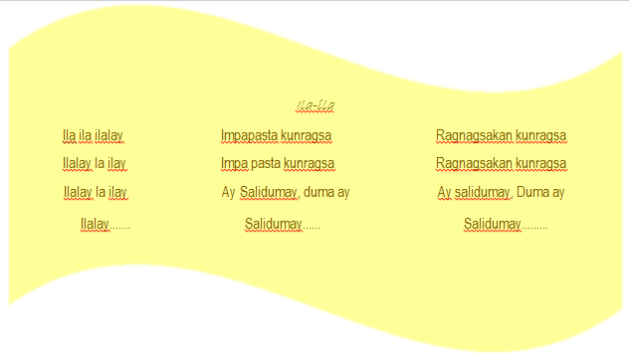 Activity 2: I Can Do That! Let the students sing a song entitled "Ila-Ila-Illalay". Each group will sing the song using different rhythm and melody with the help of the teacher. This is the Lyrics of the song:
10 |  | minutes
4.3 Analysis |  |  | Activity: Group Think Share The teacher will call some volunteers to share. More clarifications about the activity must be processed by the teachers.The activity must be done in ten minutes. * What can you say about the activity? * Can we make our own melody in singing a song? Why? Why not?
10 |  | minutes
4.4 Abstraction |  |  | 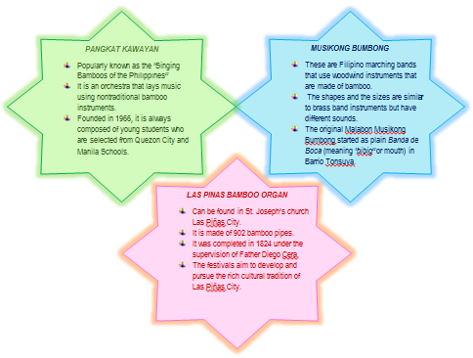 The students will be ask by the teacher. * What are the different band group/ensemble from the Lowland of Luzon? Describe each.
10 |  | minutes
4.5 Application |  |  | Activity: Sing a Song Using the same group in the previous lesson they are going to present again their choosen song using their own simple rhythm/ melody.
15 |  | minutes
4.6 Assessment |  |  | Anlysis of Learners' Products |  | * What is the importance of improvising rhythmic/melodic accompaniments in the music of lowland Luzon?
5 |  | minutes
4.7 Assignment |  |  | Preparing for the new lesson |  | Bring any materials that they can be found at home which can be used as musical instruments like those in the lowlands of Luzon.
2 |  | minutes
4.8 Concluding Activity |  |  | Next to the word of God, the noble art of music is the greatest treasure in the world.
3 |  | minutes
5. Remarks
6. Reflections
A. No. of learners who earned 80% in the evaluation. |  |  |  |  | C. Did the remedial lessons work? No. of learners who have caught up with the lesson.
B. No. of learners who require additional activities for remediation. |  |  |  |  | D. No. of learners who continue to require remediation.
E. Which of my learning strategies worked well? Why did these work?
F. What difficulties did I encounter which my principal or supervisor can help me solve?
G. What innovation or localized materials did I use/discover which I wish to share with other teachers?

Prepared by:
Name: | Liezel M. Cañete |  |  |  | School: | Juan Pamplona National High School
Position/ Designation: | Teacher 1 |  |  |  | Division: | Cebu Province
Contact Number: | 09321754915 |  |  |  | Email address: | canete.liezel@yahoo.com

 |  |  |  |  |  |  |  |  | attitude
 |  |  |  |  |  |  |  |  | Receiving Phenomena
 |  |  |  |  |  |  |  |  | Responding to Phenomena
 |  |  |  |  |  |  |  |  | Valuing
 |  |  |  |  |  |  |  |  | Organization
 |  |  |  |  |  |  |  |  | Internalizing values
 |  |  |  |  |  |  |  |  | assignment
 |  |  |  |  |  |  |  |  | Reinforcing / strengthening the day’s lesson
 |  |  |  |  |  |  |  |  | Enriching / inspiring the day’s lesson
 |  |  |  |  |  |  |  |  | Enhancing / improving the day’s lesson
 |  |  |  |  |  |  |  |  | Preparing for the new lesson

 |  |  |  |  |  |  |  |  | assessment
 |  |  |  |  |  |  |  |  | Observation
 |  |  |  |  |  |  |  |  | Talking to Learners/ Conferencing
 |  |  |  |  |  |  |  |  | Anlysis of Learners' Products
 |  |  |  |  |  |  |  |  | Tests

6
Instructional Planning
 |  | (The process of systematically planning, developing, evaluating and managing the instructional process by using principles of teaching and learning - D.O. 42, s. 2016)

Detailed Lesson Plan (DLP) Format

DLP No.: | Learning Area: |  |  | Grade Level: | Quarter: | Duration: |  | Date:
6 | Music |  |  | VII | 1 | 60 |  | 2017-07-10
Learning Competency/ies: |  |  | Performs instruments/improvised instruments from Luzon lowlands. |  |  |  | Code:
(Taken from the Curriculum Guide) |  |  |  |  |  |  | MU7LU-Ig-h-5
Key Concepts / Understandings to be Developed |  |  | Playing improvised musical instruments out of recyclable materials that will look and sound similar to the musical instrument of Pangkat Kawayan Instrument.
Domain |  | Adapted Cognitive Process Dimensions (D.O. No. 8, s. 2015) |  | OBJECTIVES:
Knowledge The fact or condition of knowing something with familiarity gained through experience or association |  | Remembering
 |  | Understanding |  | Discuss the different musical instruments that can be made using the available materials in their place.
Skills The ability and capacity acquired through deliberate, systematic, and sustained effort to smoothly and adaptively carryout complex activities or the ability, coming from one's knowledge, practice, aptitude, etc., to do something |  | Applying |  | Perform selected music using their own rhythm and improvised musical instrument that is quite similar from the lowland of Luzon.
 |  | Analyzing
 |  | Evaluating
 |  | Creating
Attitude |  | Valuing |  | Recognize the importance of bieng resourceful and initiative.
Values |  | Valuing |  | Develop one's resourcefulness and initiative.
2. Content |  |  |  | Musical Instruments
3. Learning Resources |  |  |  | Music and Arts Learner Material, Video from the youtube
4. Procedures
4.1 Introductory Activity |  |  | Activity 1: Tapping Game The teacher will let the students play the tapping game. The teacher will prepare the rhythm for each group. Group 1 will tap on the chairs using their hands, group 2 will tap on the chairs using a pen, and group 3 will tap on their lap using their hands. And the teacher will give signals who will be first, second and last to present.. Finish the activity in five minutes.
8 |  | minutes
4.2 Activity |  |  | Let the students stay with their groups and show their improvised musical instruments like those in Luzon. Let them create sound using their improvised instruments. Each group is given 1 minute to play their musical instruments.
7 |  | minutes
4.3 Analysis |  |  | The teacher will ask the students. The activity will be done in ten minutes * What have you experienced in preparing your improvised musical instruments? * What can you say about the activity? * Do you find any difficulty in playing your musical instrument? Why or Why not?
10 |  | minutes
4.4 Abstraction |  |  | 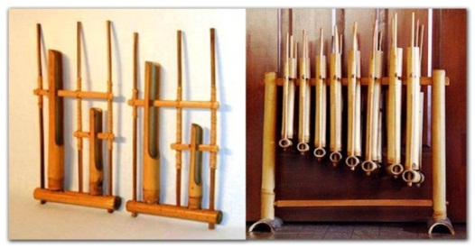 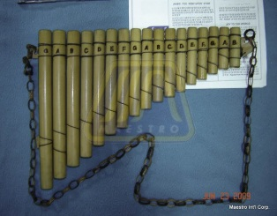 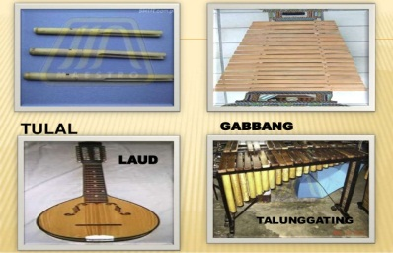 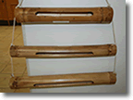 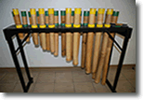 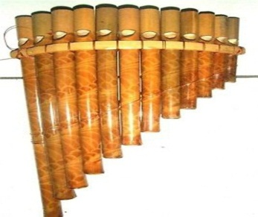 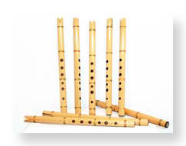 Discuss the different instruments of Pangkat Kawayan.
10 |  | minutes
4.5 Application |  |  | 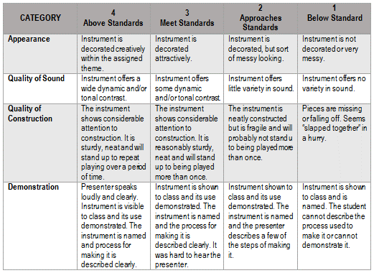 Let the students get their prepared improvised musical instruments like those in lowlands of Luzon. Student must stay with their groups. Using their previous activity they are going to perform it with their improvised musical instruments.Rubric in giving points is shown below.
15 |  | minutes
4.6 Assessment |  |  | Anlysis of Learners' Products |  | * Name your improvised musical instruments and share to the class how they produced their musical instruments? * How will you describe the quality of the sound heard and the way they play the instruments in the music of lowland Luzon?
5 |  | minutes
4.7 Assignment |  |  | Preparing for the new lesson |  | Group Activity Choose one visayan folksong search it from the youtube or old tapes from your parents and prepare for a group presentation next meeting with your improvised musical instrument.
2 |  | minutes
4.8 Concluding Activity |  |  | "It's easy to play any musical instrument: all you have to do is touch the right key at the right time and the instrument will play itself." (Johann Sebastian Bach)
3 |  | minutes
5. Remarks
6. Reflections
A. No. of learners who earned 80% in the evaluation. |  |  |  |  | C. Did the remedial lessons work? No. of learners who have caught up with the lesson.
B. No. of learners who require additional activities for remediation. |  |  |  |  | D. No. of learners who continue to require remediation.
E. Which of my learning strategies worked well? Why did these work?
F. What difficulties did I encounter which my principal or supervisor can help me solve?
G. What innovation or localized materials did I use/discover which I wish to share with other teachers?

Prepared by:
Name: | Liezel M. Cañete-Comendador |  |  |  | School: | Juan Pamplona National High School
Position/ Designation: | Teacher 1 |  |  |  | Division: | Cebu Province
Contact Number: | 09321754915 |  |  |  | Email address: | canete.liezel@yahoo.com

 |  |  |  |  |  |  |  |  | attitude
 |  |  |  |  |  |  |  |  | Receiving Phenomena
 |  |  |  |  |  |  |  |  | Responding to Phenomena
 |  |  |  |  |  |  |  |  | Valuing
 |  |  |  |  |  |  |  |  | Organization
 |  |  |  |  |  |  |  |  | Internalizing values
 |  |  |  |  |  |  |  |  | assignment
 |  |  |  |  |  |  |  |  | Reinforcing / strengthening the day’s lesson
 |  |  |  |  |  |  |  |  | Enriching / inspiring the day’s lesson
 |  |  |  |  |  |  |  |  | Enhancing / improving the day’s lesson
 |  |  |  |  |  |  |  |  | Preparing for the new lesson

 |  |  |  |  |  |  |  |  | assessment
 |  |  |  |  |  |  |  |  | Observation
 |  |  |  |  |  |  |  |  | Talking to Learners/ Conferencing
 |  |  |  |  |  |  |  |  | Anlysis of Learners' Products
 |  |  |  |  |  |  |  |  | Tests

7
Instructional Planning
 |  | (The process of systematically planning, developing, evaluating and managing the instructional process by using principles of teaching and learning - D.O. 42, s. 2016)

Detailed Lesson Plan (DLP) Format

DLP No.: | Learning Area: |  |  | Grade Level: | Quarter: | Duration: |  | Date:
7 | Music |  |  | VII | 1 | 60 |  | 2017-07-17
Learning Competency/ies: |  |  | Sings folksongs from the Lowlands of Luzon. |  |  |  | Code:
(Taken from the Curriculum Guide) |  |  |  |  |  |  | MU7LU-Ig-h-5
Key Concepts / Understandings to be Developed |  |  | Preserve and promote the folksongs from the Lowlands of Luzon.
Domain |  | Adapted Cognitive Process Dimensions (D.O. No. 8, s. 2015) |  | OBJECTIVES:
Knowledge The fact or condition of knowing something with familiarity gained through experience or association |  | Remembering |  | Cite some examples of different folksongs from the lowlands of Luzon.
 |  | Understanding
Skills The ability and capacity acquired through deliberate, systematic, and sustained effort to smoothly and adaptively carryout complex activities or the ability, coming from one's knowledge, practice, aptitude, etc., to do something |  | Applying |  | Sing folksongs from the lowlands of Luzon.
 |  | Analyzing
 |  | Evaluating
 |  | Creating
Attitude |  | Valuing |  | Appreciate the advantage of knowing the different folksongs of other places
Values |  | Valuing |  | Preservations of one's culture
2. Content |  |  |  | Folksongs from the Lowland of Luzon
3. Learning Resources |  |  |  | Music and Arts Learner Material, Video from the youtube
4. Procedures
4.1 Introductory Activity |  |  | Activity 1: Singing Bee The students will play a singing bee about the different folk songs from the Visayas . Each group must prepare one (1) song. The teacher will select a group who will play first. When the teacher point at the other group, the first group will stop and the next group will sing another song they will be choosen randomly. The group who will sing the same song will be disqualified. Finish the activity in 5 minutes. Guide questions: * How did you feel about the activity? * After feeling that way, what are your realizations about the visayan folk songs?
5 |  | minutes
4.2 Activity |  |  | Group Activity The group write the different folksongs from lowland of Luzon in the manila paper using their assignment last meeting. Each group will choose one reporter who will share their output. They will be given 5 minutes to finish their activity.
5 |  | minutes
4.3 Analysis |  |  | The students will share using the guide questions below. * Give some examples of folksongs in Luzon. * Upon listening to their folk songs how what and how did you feel about their music? * What can you say about the tune and the lyrics of the song?
15 |  | minutes
4.4 Abstraction |  |  | 
10 |  | minutes
4.5 Application |  |  | 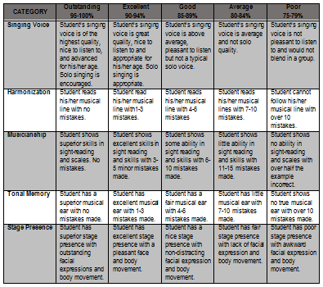 The group will choose one folksong from the lowland of Luzon and sing it by group. Each group is given six minutes to practice and three minutes to sing the song.
15 |  | minutes
4.6 Assessment |  |  | Anlysis of Learners' Products |  | Let the students answer the question. Ask some volunteers to share their thougts. Finish the activity in five minutes. * The way you look at things around you, how does it influence your views in life? Note: Anwers must be process right after sharing his/her idea.
5 |  | minutes
4.7 Assignment |  |  | Preparing for the new lesson |  | Group Activity On their choosen song they are to prepare a song presentation with choreography.
2 |  | minutes
4.8 Concluding Activity |  |  | "The greatest musical instrument given to a human being is the voice."
3 |  | minutes
5. Remarks
6. Reflections
A. No. of learners who earned 80% in the evaluation. |  |  |  |  | C. Did the remedial lessons work? No. of learners who have caught up with the lesson.
B. No. of learners who require additional activities for remediation. |  |  |  |  | D. No. of learners who continue to require remediation.
E. Which of my learning strategies worked well? Why did these work?
F. What difficulties did I encounter which my principal or supervisor can help me solve?
G. What innovation or localized materials did I use/discover which I wish to share with other teachers?

Prepared by:
Name: | Liezel M. Cañete-Comendador |  |  |  | School: | Juan Pamplona National High School
Position/ Designation: | Teacher 1 |  |  |  | Division: | Cebu Province
Contact Number: | 09321754915 |  |  |  | Email address: | canete.liezel@yahoo.com

 |  |  |  |  |  |  |  |  | attitude
 |  |  |  |  |  |  |  |  | Receiving Phenomena
 |  |  |  |  |  |  |  |  | Responding to Phenomena
 |  |  |  |  |  |  |  |  | Valuing
 |  |  |  |  |  |  |  |  | Organization
 |  |  |  |  |  |  |  |  | Internalizing values
 |  |  |  |  |  |  |  |  | assignment
 |  |  |  |  |  |  |  |  | Reinforcing / strengthening the day’s lesson
 |  |  |  |  |  |  |  |  | Enriching / inspiring the day’s lesson
 |  |  |  |  |  |  |  |  | Enhancing / improving the day’s lesson
 |  |  |  |  |  |  |  |  | Preparing for the new lesson

 |  |  |  |  |  |  |  |  | assessment
 |  |  |  |  |  |  |  |  | Observation
 |  |  |  |  |  |  |  |  | Talking to Learners/ Conferencing
 |  |  |  |  |  |  |  |  | Anlysis of Learners' Products
 |  |  |  |  |  |  |  |  | Tests

8
Instructional Planning
 |  | (The process of systematically planning, developing, evaluating and managing the instructional process by using principles of teaching and learning - D.O. 42, s. 2016)

Detailed Lesson Plan (DLP) Format

DLP No.: | Learning Area: |  |  | Grade Level: | Quarter: | Duration: |  | Date:
8 | Music |  |  | VII | 1 | 60 |  | 2017-07-24
Learning Competency/ies: |  |  | Creates appropriate movements and gestures to accompany the music selections of the Lowlands of Luzon. |  |  |  | Code:
(Taken from the Curriculum Guide) |  |  |  |  |  |  | MU7LU-Ia-h-8
Key Concepts / Understandings to be Developed |  |  | Appropriate movements and gestures used in accompanying the musical selections of the Lowlands of Luzon.
Domain |  | Adapted Cognitive Process Dimensions (D.O. No. 8, s. 2015) |  | OBJECTIVES:
Knowledge The fact or condition of knowing something with familiarity gained through experience or association |  | Remembering |  | Describe the movements or gestures depicted in the activity shown.
 |  | Understanding
Skills The ability and capacity acquired through deliberate, systematic, and sustained effort to smoothly and adaptively carryout complex activities or the ability, coming from one's knowledge, practice, aptitude, etc., to do something |  | Applying |  | Create appropriate movements or gestures suited to the music from the Lowland Luzon.
 |  | Analyzing
 |  | Evaluating
 |  | Creating
Attitude |  | Valuing |  | Realize that actions and songs enhance the transfer of messages.
Values |  | Valuing |  | Songs and actions convey accurate messages.
8 |  |  |  | Folksongs from the Lowland of Luzon
3. Learning Resources |  |  |  | Music and Arts Learner Material, Video from the youtube
4. Procedures
4.1 Introductory Activity |  |  | Activity 1: Re Act Let the students close their eyes and listen to the music, as the music plays the students will make some movements. Showing their interpretation with the message of the music. In three minutes they will listen to the music and make some movements. After listening and making some movement the teacher will ask the students process the answers in two minutes. Processing Questions: * How do you feel upon listening to the music? * What makes you move or react that way while listening to the music?
5 |  | minutes
4.2 Activity |  |  | Activity 2: Video Presentation The teacher will show a video presentation of the music in the Lowland of Luzon the way how the performers perform gives meaning through actions/ movement/gestures on their music. They will be given five minutes to watch and observe on the video presentation. Students may be able to witness the creativity of the performers in the Lowland of Luzon.
5 |  | minutes
4.3 Analysis |  |  | * What can you say about the video? * How will you describe the action/movements/gestures of the performers? * What is the message of the music that the performer want to share to the viewers?
15 |  | minutes
4.4 Abstraction |  |  | 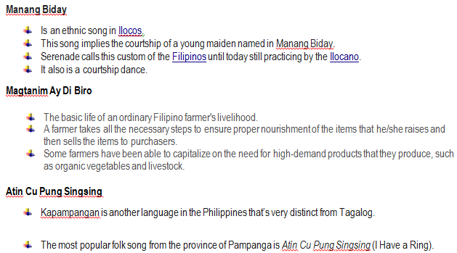
10 |  | minutes
4.5 Application |  |  | 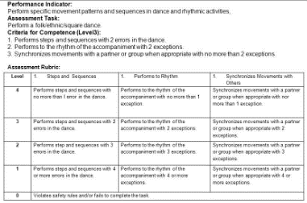 Activity:Let's Dance! The group will choose one folksong from the lowland of Luzon and sing it by group with movements. Each group is given six minutes to practice and three minutes to sing the song. Students must show accurate movement on the song they are going to present.
15 |  | minutes
4.6 Assessment |  |  | Anlysis of Learners' Products |  | Activity 3: Triad SharIng The teacher will let students share their thought or ideas about the given question. They will be given three minutes to share with their partner and seven minutes to discuss in class. * Why is it important for the performer to have an accurate movements/gestures/actions while performing?
5 |  | minutes
4.7 Assignment |  |  | Preparing for the new lesson |  | Group Activity Bring any musical instrument/improvised musical instrument that is similar to the musical instruments and practice their choosen song from the Lowland of Luzon.
2 |  | minutes
4.8 Concluding Activity |  |  | "The greatest musical instrument given to a human being is the voice."
3 |  | minutes
5. Remarks
6. Reflections
A. No. of learners who earned 80% in the evaluation. |  |  |  |  | C. Did the remedial lessons work? No. of learners who have caught up with the lesson.
B. No. of learners who require additional activities for remediation. |  |  |  |  | D. No. of learners who continue to require remediation.
E. Which of my learning strategies worked well? Why did these work?
F. What difficulties did I encounter which my principal or supervisor can help me solve?
G. What innovation or localized materials did I use/discover which I wish to share with other teachers?

Prepared by:
Name: | Liezel M. Cañete-Comendador |  |  |  | School: | Juan Pamplona National High School
Position/ Designation: | Teacher 1 |  |  |  | Division: | Cebu Province
Contact Number: | 09321754915 |  |  |  | Email address: | canete.liezel@yahoo.com

 |  |  |  |  |  |  |  |  | attitude
 |  |  |  |  |  |  |  |  | Receiving Phenomena
 |  |  |  |  |  |  |  |  | Responding to Phenomena
 |  |  |  |  |  |  |  |  | Valuing
 |  |  |  |  |  |  |  |  | Organization
 |  |  |  |  |  |  |  |  | Internalizing values
 |  |  |  |  |  |  |  |  | assignment
 |  |  |  |  |  |  |  |  | Reinforcing / strengthening the day’s lesson
 |  |  |  |  |  |  |  |  | Enriching / inspiring the day’s lesson
 |  |  |  |  |  |  |  |  | Enhancing / improving the day’s lesson
 |  |  |  |  |  |  |  |  | Preparing for the new lesson

 |  |  |  |  |  |  |  |  | assessment
 |  |  |  |  |  |  |  |  | Observation
 |  |  |  |  |  |  |  |  | Talking to Learners/ Conferencing
 |  |  |  |  |  |  |  |  | Anlysis of Learners' Products
 |  |  |  |  |  |  |  |  | Tests

9
Instructional Planning
 |  | (The process of systematically planning, developing, evaluating and managing the instructional process by using principles of teaching and learning - D.O. 42, s. 2016)

Detailed Lesson Plan (DLP) Format

DLP No.: | Learning Area: |  |  | Grade Level: | Quarter: | Duration: |  | Date:
9 | Music |  |  | VII | 1 | 60 |  | 2017-07-31
Learning Competency/ies: |  |  | Provides harmonic accompaniment to selected music of the Lowlands of Luzon. Evaluates Music and music performances applying knowledge of musical elements and styles. |  |  |  | Code:
(Taken from the Curriculum Guide) |  |  |  |  |  |  | MU7LU-Id-c-h-9-10
Key Concepts / Understandings to be Developed |  |  | Harmonic accompaniment a musical part (vocal or instrumental) that supports or provides background for other musical parts. Music and music performances step in the musical process during which musical ideas are realized and transmitted to a listener.
Domain |  | Adapted Cognitive Process Dimensions (D.O. No. 8, s. 2015) |  | OBJECTIVES:
Knowledge The fact or condition of knowing something with familiarity gained through experience or association |  | Remembering
 |  | Understanding |  | Explain the musical elements and styles usind the harmonic accompaniment to selected music of the Lowlands of Luzon.
Skills The ability and capacity acquired through deliberate, systematic, and sustained effort to smoothly and adaptively carryout complex activities or the ability, coming from one's knowledge, practice, aptitude, etc., to do something |  | Applying
 |  | Analyzing
 |  | Evaluating |  | Critique the music performances, musical elements and styles presented by the group.
 |  | Creating
Attitude |  | Valuing |  | Show self confidence in sharing one's talent(s).
Values |  | Valuing |  | Love of one's culture
8 |  |  |  | Folksongs from the Lowland of Luzon
3. Learning Resources |  |  |  | Music and Arts Learner Material, Video from the youtube
4. Procedures
4.1 Introductory Activity |  |  | Activity 1: Sing a Song The students will sing some lines in the music of the Lowland of Luzon. Each students must recall any songs from the Lowland Luzon based their previous discussions. When the teacher point a particular student meaning he/she is the on who will sing a song. When the pointing finger point other student meaning the fist student who sing will stop and the next to sing is the student pointed by the teacher so on and so fort. Finish the activity in five minutes.
5 |  | minutes
4.2 Activity |  |  | Activity 2: Sing Me The students will stay with their group in one minute they will go to their group area. They will be given four minutes to practice of their choosen song. Always remind students to prepare be ready and have self confidence in sharing their talents.
5 |  | minutes
4.3 Analysis |  |  | The teacher will ask the students. * What can you say about your choosen music? * What is the feeling while singing the song?
5 |  | minutes
4.4 Abstraction |  |  | The teacher will ask the students. * How can you explain the musical elements and styles using the harmonic accompaniment to the selected music of the Lowland of Luzon?
5 |  | minutes
4.5 Application |  |  | 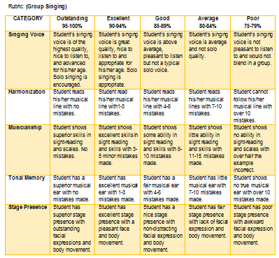 The teacher will let the students present their song to the class. And let other group critique or give comments to the presentation from the other group based on their learnings about their music performances , musical elements and styles in the music of the Lowlands of Luzon? (Note: Critiquing should be done right after the presentation.)
30 |  | minutes
4.6 Assessment |  |  | Anlysis of Learners' Products |  | What are the importance of evaluating the works or presentation from the other group?
5 |  | minutes
4.7 Assignment |  |  | Preparing for the new lesson |  | Prepare for the summative test next meeting.
2 |  | minutes
4.8 Concluding Activity |  |  | "The greatest musical instrument given to a human being is the voice."
3 |  | minutes
5. Remarks
6. Reflections
A. No. of learners who earned 80% in the evaluation. |  |  |  |  | C. Did the remedial lessons work? No. of learners who have caught up with the lesson.
B. No. of learners who require additional activities for remediation. |  |  |  |  | D. No. of learners who continue to require remediation.
E. Which of my learning strategies worked well? Why did these work?
F. What difficulties did I encounter which my principal or supervisor can help me solve?
G. What innovation or localized materials did I use/discover which I wish to share with other teachers?

Prepared by:
Name: | Liezel M. Cañete-Comendador |  |  |  | School: | Juan Pamplona National High School
Position/ Designation: | Teacher 1 |  |  |  | Division: | Cebu Province
Contact Number: | 09321754915 |  |  |  | Email address: | canete.liezel@yahoo.com

 |  |  |  |  |  |  |  |  | attitude
 |  |  |  |  |  |  |  |  | Receiving Phenomena
 |  |  |  |  |  |  |  |  | Responding to Phenomena
 |  |  |  |  |  |  |  |  | Valuing
 |  |  |  |  |  |  |  |  | Organization
 |  |  |  |  |  |  |  |  | Internalizing values
 |  |  |  |  |  |  |  |  | assignment
 |  |  |  |  |  |  |  |  | Reinforcing / strengthening the day’s lesson
 |  |  |  |  |  |  |  |  | Enriching / inspiring the day’s lesson
 |  |  |  |  |  |  |  |  | Enhancing / improving the day’s lesson
 |  |  |  |  |  |  |  |  | Preparing for the new lesson

 |  |  |  |  |  |  |  |  | assessment
 |  |  |  |  |  |  |  |  | Observation
 |  |  |  |  |  |  |  |  | Talking to Learners/ Conferencing
 |  |  |  |  |  |  |  |  | Anlysis of Learners' Products
 |  |  |  |  |  |  |  |  | Tests

