Appendix 1
Appendix 1
 | Answer Key:
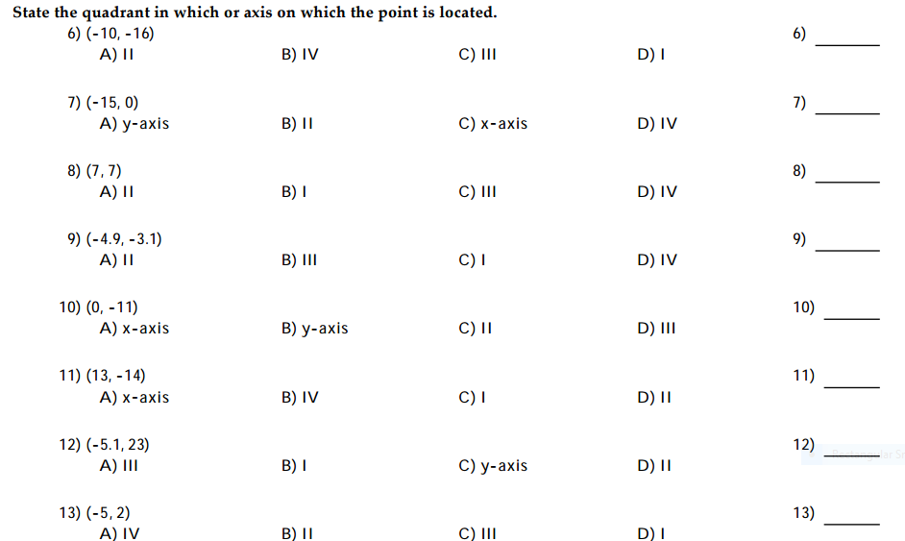
1 | 1. C

 | 2. C
2
 | 3. B

 | 4. B
3
 | 5. B

4 | 6. B

 | 7.D

5

6

7

8

