Appendix 1

Appendix 1

Appendix 2
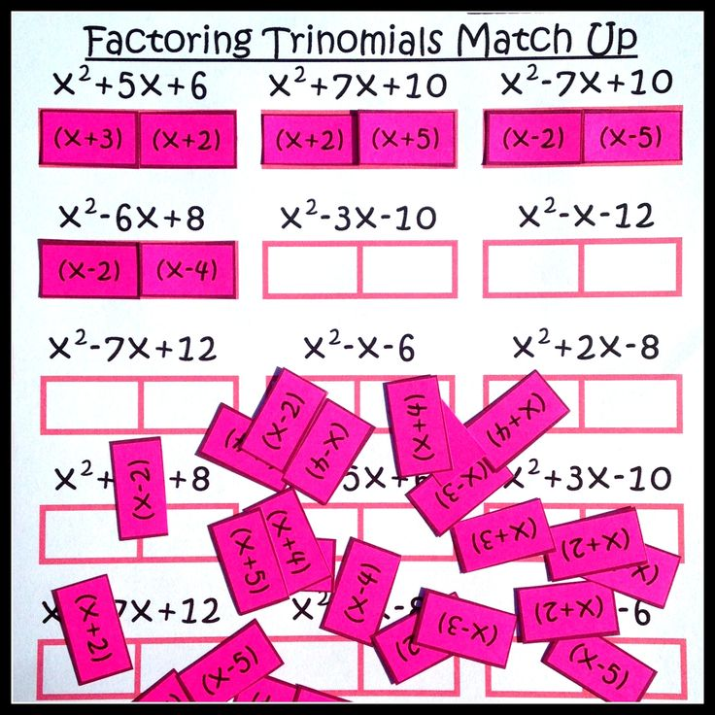
Appendix 2

