attachment 1
Attachment 1 ---- Give the meanings of the words through pictures and contxt clues.

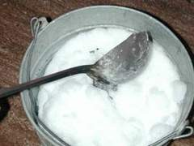
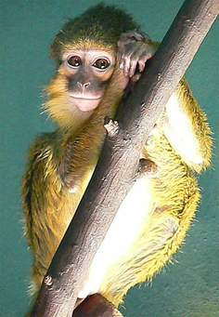

Monkey loves to climb the branches of trees. | The chef always has his laddle when cooking.


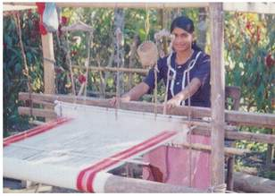

Do you believe in stories about fairy/fairies? | Cloth are made by weaving.

attachment 3
ATTACHMENT # 3



In triad, complete the comic strips by supplying the speaking lines with the following idiomatic
expressions. Be creative. Give your strip an appropriate title.

 | Idiomatic Expressions | Meanings
 | 1. Catch on | To understand
 | 2. Look over | To examine
 | 3. Hand in | To submit
 | 4. Pick out | To choose
 | 5. Cope with | To adaptt

