intro Attachment 1
Instructional Planning
 |  | (The process of systematically planning, developing, evaluating and managing the instructional process by using principles of teaching and learning - D.O. 42, s. 2016)

Detailed Lesson Plan (DLP) Format

DLP No.: | Learning Area: |  |  | Grade Level: | Quarter: | Duration: |  | Date:
22 | SCIENCE |  |  | 9 | 1 | 60 |  | 2017-07-06
Learning Competency/ies: |  |  | Relate species extinction to the failure of populations of organisms to adapt to abrupt changes in the environment. |  |  |  | Code:
(Taken from the Curriculum Guide) |  |  |  |  |  |  | S9LT-Ie-f-30
Key Concepts / Understandings to be Developed |  |  | Population sizes vary among organisms.They change with the number of births and when they move into an ecosystem. They also change when members die or move out of an ecosytem.Limiting factors are environmental conditions that keep a population from increasing in size and help balance ecosystems.
Domain |  | Adapted Cognitive Process Dimensions (D.O. No. 8, s. 2015) |  | OBJECTIVES:
Knowledge The fact or condition of knowing something with familiarity gained through experience or association |  | Remembering
 |  | Understanding |  | Compare the distribution patterns of the different populations.

Skills The ability and capacity acquired through deliberate, systematic, and sustained effort to smoothly and adaptively carryout complex activities or the ability, coming from one's knowledge, practice, aptitude, etc., to do something |  | Applying |  | Solve the given data by calculating the density of each population.
 |  | Analyzing
 |  | Evaluating
 |  | Creating

Attitude |  | Valuing |  | Show cooperation in presenting the data being performed.
Values |  | Valuing |  | Show appreciation of God's creation.
2. Content |  |  |  | Biodiversity and Evolution - Measuring Population Density
3. Learning Resources |  |  |  | LM pp. 68-69, TG pp. 51-52,pen, activity notebook, worksheets
4. Procedures
4.1 Introductory Activity |  |  | Words for Pinoy Henyo:
flowers
Mechanics:
1.A group will consist of 2 members
2.Groups are composed of 2 members: the one who will guess the word/phrase and theother is the one who will respond to the guesser.
3.The group’s name will be called and must go in front of the class. They will pick a number and that number corresponds to a word that they will be guessing.
4.The guesser will be blindfolded furthermore the group must sit three meters away fromeach other to avoid cheating.
5.They will be given strictly 2 minutes only to guess the word/ Phrase. The timer will startautomatically after the word/phrase is seen.
6. The one who will respond must only say:YES,NO, and MAYBE. There will beno other words to answer or else 5 seconds will be added to their time.
cat
giraffe
trees
forest
water
river
zoo
10 |  | minutes
4.2 Activity
10 |  | minutes
4.3 Analysis
5 |  | minutes
4.4 Abstraction
5 |  | minutes
4.5 Application
10 |  | minutes
4.6 Assessment |  |  | Anlysis of Learners' Products
10 |  | minutes
4.7 Assignment |  |  | Preparing for the new lesson
5 |  | minutes
4.8 Concluding Activity |  |  | Quotation: "Survival of the fittest, elimination of the unfit."
5 |  | minutes
5. Remarks
6. Reflections
A. No. of learners who earned 80% in the evaluation. |  |  |  |  | C. Did the remedial lessons work? No. of learners who have caught up with the lesson.
B. No. of learners who require additional activities for remediation. |  |  |  |  | D. No. of learners who continue to require remediation.
E. Which of my learning strategies worked well? Why did these work?
F. What difficulties did I encounter which my principal or supervisor can help me solve?
G. What innovation or localized materials did I use/discover which I wish to share with other teachers?

Prepared by:
Name: | MA. ASTRED T. CASTRO |  |  |  | School: | LAMAC NATIONAL HIGH SCHOOL
Position/ Designation: | TEACHER 1 |  |  |  | Division: | CEBU PROVINCE
Contact Number: | 9365228737 |  |  |  | Email address: | mileyshal17@yahoo.com

 |  |  |  |  |  |  |  |  | attitude
 |  |  |  |  |  |  |  |  | Receiving Phenomena
 |  |  |  |  |  |  |  |  | Responding to Phenomena
 |  |  |  |  |  |  |  |  | Valuing
 |  |  |  |  |  |  |  |  | Organization
 |  |  |  |  |  |  |  |  | Internalizing values
 |  |  |  |  |  |  |  |  | assignment
 |  |  |  |  |  |  |  |  | Reinforcing / strengthening the day’s lesson
 |  |  |  |  |  |  |  |  | Enriching / inspiring the day’s lesson
 |  |  |  |  |  |  |  |  | Enhancing / improving the day’s lesson
 |  |  |  |  |  |  |  |  | Preparing for the new lesson

 |  |  |  |  |  |  |  |  | assessment
 |  |  |  |  |  |  |  |  | Observation
 |  |  |  |  |  |  |  |  | Talking to Learners/ Conferencing
 |  |  |  |  |  |  |  |  | Anlysis of Learners' Products
 |  |  |  |  |  |  |  |  | Tests

activity Attachment 2
Instructional Planning
 |  | (The process of systematically planning, developing, evaluating and managing the instructional process by using principles of teaching and learning - D.O. 42, s. 2016)

Detailed Lesson Plan (DLP) Format

DLP No.: | Learning Area: |  |  | Grade Level: | Quarter: | Duration: |  | Date:
22 | SCIENCE |  |  | 9 | 1 | 60 |  | 2017-07-06
Learning Competency/ies: |  |  | Relate species extinction to the failure of populations of organisms to adapt to abrupt changes in the environment. |  |  |  | Code:
(Taken from the Curriculum Guide) |  |  |  |  |  |  | S9LT-Ie-f-30
Key Concepts / Understandings to be Developed |  |  | Population sizes vary among organisms.They change with the number of births and when they move into an ecosystem. They also change when members die or move out of an ecosytem.Limiting factors are environmental conditions that keep a population from increasing in size and help balance ecosystems.
Domain |  | Adapted Cognitive Process Dimensions (D.O. No. 8, s. 2015) |  | OBJECTIVES:
Knowledge The fact or condition of knowing something with familiarity gained through experience or association |  | Remembering
 |  | Understanding |  | Compare the distribution patterns of the different populations.

Skills The ability and capacity acquired through deliberate, systematic, and sustained effort to smoothly and adaptively carryout complex activities or the ability, coming from one's knowledge, practice, aptitude, etc., to do something |  | Applying |  | Solve the given data by calculating the density of each population.
 |  | Analyzing
 |  | Evaluating
 |  | Creating

Attitude |  | Valuing |  | Show cooperation in presenting the data being performed.
Values |  | Valuing |  | Show appreciation of God's creation.
2. Content |  |  |  | Biodiversity and Evolution - Measuring Population Density
3. Learning Resources |  |  |  | LM pp. 68-69, TG pp. 51-52,pen, activity notebook, worksheets
4. Procedures
4.1 Introductory Activity
4.2 Activity |  |  | 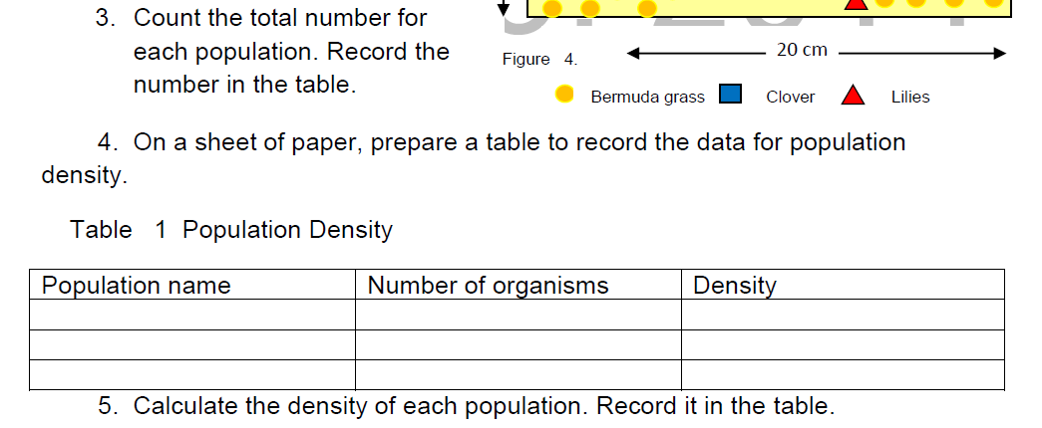 Procedures and table to record data:
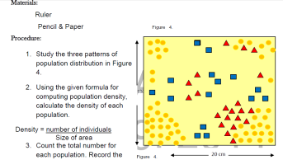 10 |  | minutes
4.3 Analysis
4.4 Abstraction
4.5 Application
4.6 Assessment |  |  | Anlysis of Learners' Products
10 |  | minutes
4.7 Assignment |  |  | Preparing for the new lesson
5 |  | minutes
4.8 Concluding Activity |  |  | Quotation: "Survival of the fittest, elimination of the unfit."
5 |  | minutes
5. Remarks
6. Reflections
A. No. of learners who earned 80% in the evaluation. |  |  |  |  | C. Did the remedial lessons work? No. of learners who have caught up with the lesson.
B. No. of learners who require additional activities for remediation. |  |  |  |  | D. No. of learners who continue to require remediation.
E. Which of my learning strategies worked well? Why did these work?
F. What difficulties did I encounter which my principal or supervisor can help me solve?
G. What innovation or localized materials did I use/discover which I wish to share with other teachers?

Prepared by:
Name: | MA. ASTRED T. CASTRO |  |  |  | School: | LAMAC NATIONAL HIGH SCHOOL
Position/ Designation: | TEACHER 1 |  |  |  | Division: | CEBU PROVINCE
Contact Number: | 9365228737 |  |  |  | Email address: | mileyshal17@yahoo.com

 |  |  |  |  |  |  |  |  | attitude
 |  |  |  |  |  |  |  |  | Receiving Phenomena
 |  |  |  |  |  |  |  |  | Responding to Phenomena
 |  |  |  |  |  |  |  |  | Valuing
 |  |  |  |  |  |  |  |  | Organization
 |  |  |  |  |  |  |  |  | Internalizing values
 |  |  |  |  |  |  |  |  | assignment
 |  |  |  |  |  |  |  |  | Reinforcing / strengthening the day’s lesson
 |  |  |  |  |  |  |  |  | Enriching / inspiring the day’s lesson
 |  |  |  |  |  |  |  |  | Enhancing / improving the day’s lesson
 |  |  |  |  |  |  |  |  | Preparing for the new lesson

 |  |  |  |  |  |  |  |  | assessment
 |  |  |  |  |  |  |  |  | Observation
 |  |  |  |  |  |  |  |  | Talking to Learners/ Conferencing
 |  |  |  |  |  |  |  |  | Anlysis of Learners' Products
 |  |  |  |  |  |  |  |  | Tests

analysis Attachment 3
Instructional Planning
 |  | (The process of systematically planning, developing, evaluating and managing the instructional process by using principles of teaching and learning - D.O. 42, s. 2016)

Detailed Lesson Plan (DLP) Format

DLP No.: | Learning Area: |  |  | Grade Level: | Quarter: | Duration: |  | Date:
22 | SCIENCE |  |  | 9 | 1 | 60 |  | 2017-07-06
Learning Competency/ies: |  |  | Relate species extinction to the failure of populations of organisms to adapt to abrupt changes in the environment. |  |  |  | Code:
(Taken from the Curriculum Guide) |  |  |  |  |  |  | S9LT-Ie-f-30
Key Concepts / Understandings to be Developed |  |  | Population sizes vary among organisms.They change with the number of births and when they move into an ecosystem. They also change when members die or move out of an ecosytem.Limiting factors are environmental conditions that keep a population from increasing in size and help balance ecosystems.
Domain |  | Adapted Cognitive Process Dimensions (D.O. No. 8, s. 2015) |  | OBJECTIVES:
Knowledge The fact or condition of knowing something with familiarity gained through experience or association |  | Remembering
 |  | Understanding |  | Compare the distribution patterns of the different populations.

Skills The ability and capacity acquired through deliberate, systematic, and sustained effort to smoothly and adaptively carryout complex activities or the ability, coming from one's knowledge, practice, aptitude, etc., to do something |  | Applying |  | Solve the given data by calculating the density of each population.
 |  | Analyzing
 |  | Evaluating
 |  | Creating

Attitude |  | Valuing |  | Show cooperation in presenting the data being performed.
Values |  | Valuing |  | Show appreciation of God's creation.
2. Content |  |  |  | Biodiversity and Evolution - Measuring Population Density
3. Learning Resources |  |  |  | LM pp. 68-69, TG pp. 51-52,pen, activity notebook, worksheets
4. Procedures
4.1 Introductory Activity
10 |  | minutes
4.2 Activity
10 |  | minutes
4.3 Analysis |  |  |  Answers to Guide Questions:
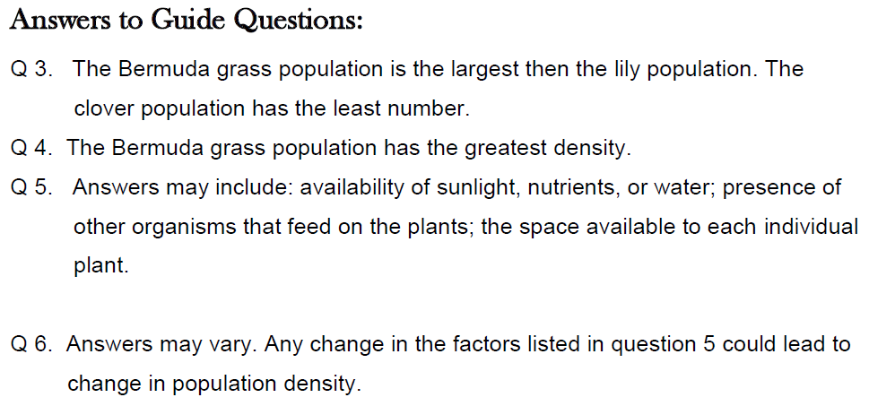 5 |  | minutes
4.4 Abstraction
5 |  | minutes
4.5 Application
10 |  | minutes
4.6 Assessment |  |  | Anlysis of Learners' Products
10 |  | minutes
4.7 Assignment |  |  | Preparing for the new lesson
5 |  | minutes
4.8 Concluding Activity
5 |  | minutes
5. Remarks
6. Reflections
A. No. of learners who earned 80% in the evaluation. |  |  |  |  | C. Did the remedial lessons work? No. of learners who have caught up with the lesson.
B. No. of learners who require additional activities for remediation. |  |  |  |  | D. No. of learners who continue to require remediation.
E. Which of my learning strategies worked well? Why did these work?
F. What difficulties did I encounter which my principal or supervisor can help me solve?
G. What innovation or localized materials did I use/discover which I wish to share with other teachers?

Prepared by:
Name: | MA. ASTRED T. CASTRO |  |  |  | School: | LAMAC NATIONAL HIGH SCHOOL
Position/ Designation: | TEACHER 1 |  |  |  | Division: | CEBU PROVINCE
Contact Number: | 9365228737 |  |  |  | Email address: | mileyshal17@yahoo.com

 |  |  |  |  |  |  |  |  | attitude
 |  |  |  |  |  |  |  |  | Receiving Phenomena
 |  |  |  |  |  |  |  |  | Responding to Phenomena
 |  |  |  |  |  |  |  |  | Valuing
 |  |  |  |  |  |  |  |  | Organization
 |  |  |  |  |  |  |  |  | Internalizing values
 |  |  |  |  |  |  |  |  | assignment
 |  |  |  |  |  |  |  |  | Reinforcing / strengthening the day’s lesson
 |  |  |  |  |  |  |  |  | Enriching / inspiring the day’s lesson
 |  |  |  |  |  |  |  |  | Enhancing / improving the day’s lesson
 |  |  |  |  |  |  |  |  | Preparing for the new lesson

 |  |  |  |  |  |  |  |  | assessment
 |  |  |  |  |  |  |  |  | Observation
 |  |  |  |  |  |  |  |  | Talking to Learners/ Conferencing
 |  |  |  |  |  |  |  |  | Anlysis of Learners' Products
 |  |  |  |  |  |  |  |  | Tests

application Attachment 4
Instructional Planning
 |  | (The process of systematically planning, developing, evaluating and managing the instructional process by using principles of teaching and learning - D.O. 42, s. 2016)

Detailed Lesson Plan (DLP) Format

DLP No.: | Learning Area: |  |  | Grade Level: | Quarter: | Duration: |  | Date:
22 | SCIENCE |  |  | 9 | 1 | 60
Learning Competency/ies: |  |  | Relate species extinction to the failure of populations of organisms to adapt to abrupt changes in the environment. |  |  |  | Code:
(Taken from the Curriculum Guide) |  |  |  |  |  |  | S9LT-Ie-f-30
Key Concepts / Understandings to be Developed |  |  | Population sizes vary among organisms.They change with the number of births and when they move into an ecosystem. They also change when members die or move out of an ecosytem.Limiting factors are environmental conditions that keep a population from increasing in size and help balance ecosystems.
Domain |  | Adapted Cognitive Process Dimensions (D.O. No. 8, s. 2015) |  | OBJECTIVES:
Knowledge The fact or condition of knowing something with familiarity gained through experience or association |  | Remembering
 |  | Understanding |  | Compare the distribution patterns of the different populations.

Skills The ability and capacity acquired through deliberate, systematic, and sustained effort to smoothly and adaptively carryout complex activities or the ability, coming from one's knowledge, practice, aptitude, etc., to do something |  | Applying |  | Solve the given data by calculating the density of each population.
 |  | Analyzing
 |  | Evaluating
 |  | Creating

Attitude |  | Valuing |  | Show cooperation in presenting the data being performed.
Values |  | Valuing |  | Show appreciation of God's creation.
2. Content |  |  |  | Biodiversity and Evolution - Measuring Population Density
3. Learning Resources |  |  |  | LM pp. 68-69, TG pp. 51-52,pen, activity notebook, worksheets
4. Procedures
4.1 Introductory Activity
4.2 Activity
10 |  | minutes
4.3 Analysis
4.4 Abstraction
5 |  | minutes
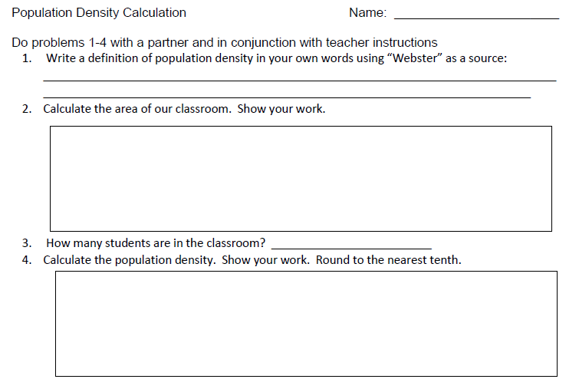
4.5 Application
10 |  | minutes
4.6 Assessment |  |  | Anlysis of Learners' Products
10 |  | minutes
4.7 Assignment |  |  | Preparing for the new lesson |  | Define the meaning of extinct and endangered species
5 |  | minutes
4.8 Concluding Activity |  |  | "Survival of the fittest, elimination of the unfit"
5 |  | minutes
5. Remarks
6. Reflections
A. No. of learners who earned 80% in the evaluation. |  |  |  |  | C. Did the remedial lessons work? No. of learners who have caught up with the lesson.
B. No. of learners who require additional activities for remediation. |  |  |  |  | D. No. of learners who continue to require remediation.
E. Which of my learning strategies worked well? Why did these work?
F. What difficulties did I encounter which my principal or supervisor can help me solve?
G. What innovation or localized materials did I use/discover which I wish to share with other teachers?

Prepared by:
Name: | MA. ASTRED T. CASTRO |  |  |  | School: | LAMAC NATIONAL HIGH SCHOOL
Position/ Designation: | TEACHER 1 |  |  |  | Division: | CEBU PROVINCE
Contact Number: | 9365228737 |  |  |  | Email address: | mileyshal17@yahoo.com

 |  |  |  |  |  |  |  |  | attitude
 |  |  |  |  |  |  |  |  | Receiving Phenomena
 |  |  |  |  |  |  |  |  | Responding to Phenomena
 |  |  |  |  |  |  |  |  | Valuing
 |  |  |  |  |  |  |  |  | Organization
 |  |  |  |  |  |  |  |  | Internalizing values
 |  |  |  |  |  |  |  |  | assignment
 |  |  |  |  |  |  |  |  | Reinforcing / strengthening the day’s lesson
 |  |  |  |  |  |  |  |  | Enriching / inspiring the day’s lesson
 |  |  |  |  |  |  |  |  | Enhancing / improving the day’s lesson
 |  |  |  |  |  |  |  |  | Preparing for the new lesson

 |  |  |  |  |  |  |  |  | assessment
 |  |  |  |  |  |  |  |  | Observation
 |  |  |  |  |  |  |  |  | Talking to Learners/ Conferencing
 |  |  |  |  |  |  |  |  | Anlysis of Learners' Products
 |  |  |  |  |  |  |  |  | Tests

assessment Attachment 5
Instructional Planning
 |  | (The process of systematically planning, developing, evaluating and managing the instructional process by using principles of teaching and learning - D.O. 42, s. 2016)

Detailed Lesson Plan (DLP) Format

DLP No.: | Learning Area: |  |  | Grade Level: | Quarter: | Duration: |  | Date:
22 | SCIENCE |  |  | 9 | 1 | 60 |  | 2017-07-06
Learning Competency/ies: |  |  | Relate species extinction to the failure of populations of organisms to adapt to abrupt changes in the environment. |  |  |  | Code:
(Taken from the Curriculum Guide) |  |  |  |  |  |  | S9LT-Ie-f-30
Key Concepts / Understandings to be Developed |  |  | Population sizes vary among organisms.They change with the number of births and when they move into an ecosystem. They also change when members die or move out of an ecosytem.Limiting factors are environmental conditions that keep a population from increasing in size and help balance ecosystems.
Domain |  | Adapted Cognitive Process Dimensions (D.O. No. 8, s. 2015) |  | OBJECTIVES:
Knowledge The fact or condition of knowing something with familiarity gained through experience or association |  | Remembering
 |  | Understanding |  | Compare the distribution patterns of the different populations.

Skills The ability and capacity acquired through deliberate, systematic, and sustained effort to smoothly and adaptively carryout complex activities or the ability, coming from one's knowledge, practice, aptitude, etc., to do something |  | Applying |  | Solve the given data by calculating the density of each population.
 |  | Analyzing
 |  | Evaluating
 |  | Creating

Attitude |  | Valuing |  | Show cooperation in presenting the data being performed.
Values |  | Valuing |  | Show appreciation of God's creation.
2. Content |  |  |  | Biodiversity and Evolution - Measuring Population Density
3. Learning Resources |  |  |  | LM pp. 68-69, TG pp. 51-52,pen, activity notebook, worksheets
4. Procedures
4.1 Introductory Activity
4.2 Activity
10 |  | minutes
4.3 Analysis
4.4 Abstraction
5 |  | minutes
4.5 Application
10 |  | minutes
4.6 Assessment |  |  | 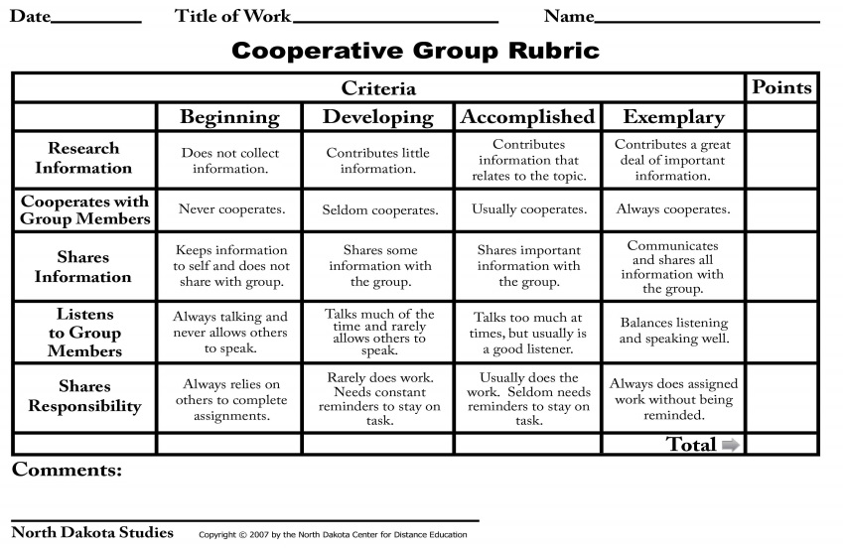 Anlysis of Learners' Products
10 |  | minutes
4.7 Assignment |  |  | Preparing for the new lesson
5 |  | minutes
4.8 Concluding Activity
5 |  | minutes
5. Remarks
6. Reflections
A. No. of learners who earned 80% in the evaluation. |  |  |  |  | C. Did the remedial lessons work? No. of learners who have caught up with the lesson.
B. No. of learners who require additional activities for remediation. |  |  |  |  | D. No. of learners who continue to require remediation.
E. Which of my learning strategies worked well? Why did these work?
F. What difficulties did I encounter which my principal or supervisor can help me solve?
G. What innovation or localized materials did I use/discover which I wish to share with other teachers?

Prepared by:
Name: | MA. ASTRED T. CASTRO |  |  |  | School: | LAMAC NATIONAL HIGH SCHOOL
Position/ Designation: | TEACHER 1 |  |  |  | Division: | CEBU PROVINCE
Contact Number: | 9365228737 |  |  |  | Email address: | mileyshal17@yahoo.com

 |  |  |  |  |  |  |  |  | attitude
 |  |  |  |  |  |  |  |  | Receiving Phenomena
 |  |  |  |  |  |  |  |  | Responding to Phenomena
 |  |  |  |  |  |  |  |  | Valuing
 |  |  |  |  |  |  |  |  | Organization
 |  |  |  |  |  |  |  |  | Internalizing values
 |  |  |  |  |  |  |  |  | assignment
 |  |  |  |  |  |  |  |  | Reinforcing / strengthening the day’s lesson
 |  |  |  |  |  |  |  |  | Enriching / inspiring the day’s lesson
 |  |  |  |  |  |  |  |  | Enhancing / improving the day’s lesson
 |  |  |  |  |  |  |  |  | Preparing for the new lesson

 |  |  |  |  |  |  |  |  | assessment
 |  |  |  |  |  |  |  |  | Observation
 |  |  |  |  |  |  |  |  | Talking to Learners/ Conferencing
 |  |  |  |  |  |  |  |  | Anlysis of Learners' Products
 |  |  |  |  |  |  |  |  | Tests

