Attachment 1
Instructional Planning
 |  | (The process of systematically planning, developing, evaluating and managing the instructional process by using principles of teaching and learning - D.O. 42, s. 2016)

Detailed Lesson Plan (DLP) Format

DLP No.: | Learning Area: |  |  | Grade Level: | Quarter: | Duration: |  | Date:
24 | SCIENCE |  |  | 9 | 1 | 60 |  | 2017-07-10
Learning Competency/ies: |  |  | Relate species extinction to the failure of populations of organisms to adapt to abrupt changes in the environment. |  |  |  | Code:
(Taken from the Curriculum Guide) |  |  |  |  |  |  | S9LT-Ie-f-30
Key Concepts / Understandings to be Developed |  |  | Human actions have resulted inhabitat loss and degradation that have accelerated the rate of extinction.
Domain |  | Adapted Cognitive Process Dimensions (D.O. No. 8, s. 2015) |  | OBJECTIVES:
Knowledge The fact or condition of knowing something with familiarity gained through experience or association |  | Remembering |  | Recognize the effects of human actions to the rate of extinction.
 |  | Understanding |  | Infer the differences between the two hypthetical islands.

Skills The ability and capacity acquired through deliberate, systematic, and sustained effort to smoothly and adaptively carryout complex activities or the ability, coming from one's knowledge, practice, aptitude, etc., to do something |  | Applying
 |  | Analyzing
 |  | Evaluating |  | Evaluate the changes made by man in the environment.
 |  | Creating

Attitude |  | Organization |  | Participate actively in class discussion and recognize the role of every members of the group.
Values |  | Valuing
2. Content |  |  |  | Biodiversity and Evolution - Making Predictions
3. Learning Resources |  |  |  | LM pp.73-74 , TG pp. 55-56,paper, pencil
4. Procedures
4.1 Introductory Activity |  |  | Teacher will conduct the Pre-laboratory activity.
5 |  | minutes
4.2 Activity |  |  | 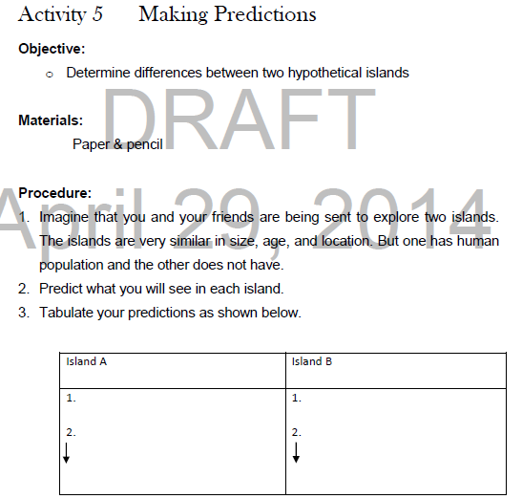 Activity 4 Procedures:
4.3 Analysis |  |  | Compare the difference between the two hypothetical islands.
4.4 Abstraction |  |  | The teacher will give emphasis on the following: The rising of human population and increasing reliance on and consumption of resources have taken toll on biodiversity. The primary cause of biodiversity loss is habitat distruction. Habitat fragmentation occurs when humans break larger habitats into smaller, isolated, scattered places. For example, building a road in the middle of the forest or even constructing houses in the middle of the mountain can disrupt the ecosystem and its inhabitats; trees can be vulnerable to wind damage, and plants may have difficulty dispersing their seeds. Large mammals may also have a hard time finding a mate or food. But many changes that man has done to the environment were made by accident.
10 |  | minutes
4.5 Application |  |  | Make a poster -slogan on how human affects biodiversity. (see attach rubrics for poster-slogan)
15 |  | minutes
4.6 Assessment |  |  | Anlysis of Learners' Products |  | Rate the students using rubrics based on observation or performance of the group activity.(see attach rubrics)
5 |  | minutes
4.7 Assignment |  |  | Preparing for the new lesson |  | The teacher will assign the students to research on some human activities that can affect biodiversity.
5 |  | minutes
4.8 Concluding Activity |  |  | Quotation: "Humans can greatly affects the environment, the biodiversity in general."
5 |  | minutes
5. Remarks
6. Reflections
A. No. of learners who earned 80% in the evaluation. |  |  |  |  | C. Did the remedial lessons work? No. of learners who have caught up with the lesson.
B. No. of learners who require additional activities for remediation. |  |  |  |  | D. No. of learners who continue to require remediation.
E. Which of my learning strategies worked well? Why did these work?
F. What difficulties did I encounter which my principal or supervisor can help me solve?
G. What innovation or localized materials did I use/discover which I wish to share with other teachers?

Prepared by:
Name: | AVANEZA A. RANOCO |  |  |  | School: | LAMAC NATIONAL HIGH SCHOOL
Position/ Designation: | TEACHER 1 |  |  |  | Division: | CEBU PROVINCE
Contact Number: |  |  |  |  | Email address: | petswar1003@gmail.com

 |  |  |  |  |  |  |  |  | attitude
 |  |  |  |  |  |  |  |  | Receiving Phenomena
 |  |  |  |  |  |  |  |  | Responding to Phenomena
 |  |  |  |  |  |  |  |  | Valuing
 |  |  |  |  |  |  |  |  | Organization
 |  |  |  |  |  |  |  |  | Internalizing values
 |  |  |  |  |  |  |  |  | assignment
 |  |  |  |  |  |  |  |  | Reinforcing / strengthening the day’s lesson
 |  |  |  |  |  |  |  |  | Enriching / inspiring the day’s lesson
 |  |  |  |  |  |  |  |  | Enhancing / improving the day’s lesson
 |  |  |  |  |  |  |  |  | Preparing for the new lesson

 |  |  |  |  |  |  |  |  | assessment
 |  |  |  |  |  |  |  |  | Observation
 |  |  |  |  |  |  |  |  | Talking to Learners/ Conferencing
 |  |  |  |  |  |  |  |  | Anlysis of Learners' Products
 |  |  |  |  |  |  |  |  | Tests

Attachment 2
Instructional Planning
 |  | (The process of systematically planning, developing, evaluating and managing the instructional process by using principles of teaching and learning - D.O. 42, s. 2016)

Detailed Lesson Plan (DLP) Format

DLP No.: | Learning Area: |  |  | Grade Level: | Quarter: | Duration: |  | Date:
24 | SCIENCE |  |  | 9 | 1 | 60 |  | 2017-07-10
Learning Competency/ies: |  |  | Relate species extinction to the failure of populations of organisms to adapt to abrupt changes in the environment. |  |  |  | Code:
(Taken from the Curriculum Guide) |  |  |  |  |  |  | S9LT-Ie-f-30
Key Concepts / Understandings to be Developed |  |  | Human actions have resulted inhabitat loss and degradation that have accelerated the rate of extinction.
Domain |  | Adapted Cognitive Process Dimensions (D.O. No. 8, s. 2015) |  | OBJECTIVES:
Knowledge The fact or condition of knowing something with familiarity gained through experience or association |  | Remembering |  | Recognize the effects of human actions to the rate of extinction.
 |  | Understanding |  | Infer the differences between the two hypthetical islands.

Skills The ability and capacity acquired through deliberate, systematic, and sustained effort to smoothly and adaptively carryout complex activities or the ability, coming from one's knowledge, practice, aptitude, etc., to do something |  | Applying
 |  | Analyzing
 |  | Evaluating |  | Evaluate the changes made by man in the environment.
 |  | Creating

Attitude |  | Organization |  | Participate actively in class discussion and recognize the role of every members of the group.
Values |  | Valuing
2. Content |  |  |  | Biodiversity and Evolution - Making Predictions
3. Learning Resources |  |  |  | LM pp.73-74 , TG pp. 55-56,paper, pencil
4. Procedures
4.1 Introductory Activity |  |  | Teacher will conduct the Pre-laboratory activity.
5 |  | minutes
4.2 Activity |  |  | Within 20 minutes, students will perform Activity 4: Making Predictions by Group. (see attachment for procedures.)
4.3 Analysis |  |  |  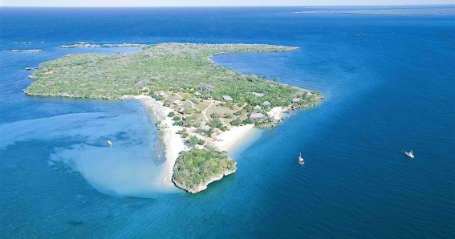 A. B.
4.4 Abstraction |  |  | The teacher will give emphasis on the following: The rising of human population and increasing reliance on and consumption of resources have taken toll on biodiversity. The primary cause of biodiversity loss is habitat distruction. Habitat fragmentation occurs when humans break larger habitats into smaller, isolated, scattered places. For example, building a road in the middle of the forest or even constructing houses in the middle of the mountain can disrupt the ecosystem and its inhabitats; trees can be vulnerable to wind damage, and plants may have difficulty dispersing their seeds. Large mammals may also have a hard time finding a mate or food. But many changes that man has done to the environment were made by accident.
10 |  | minutes
4.5 Application |  |  | 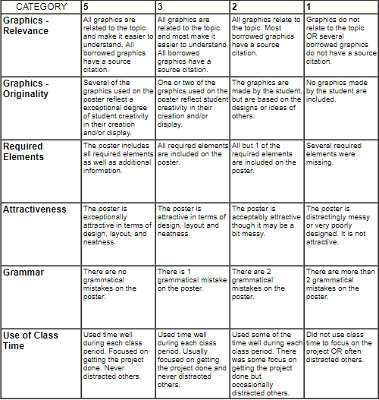
15 |  | minutes
4.6 Assessment |  |  | Anlysis of Learners' Products |  | 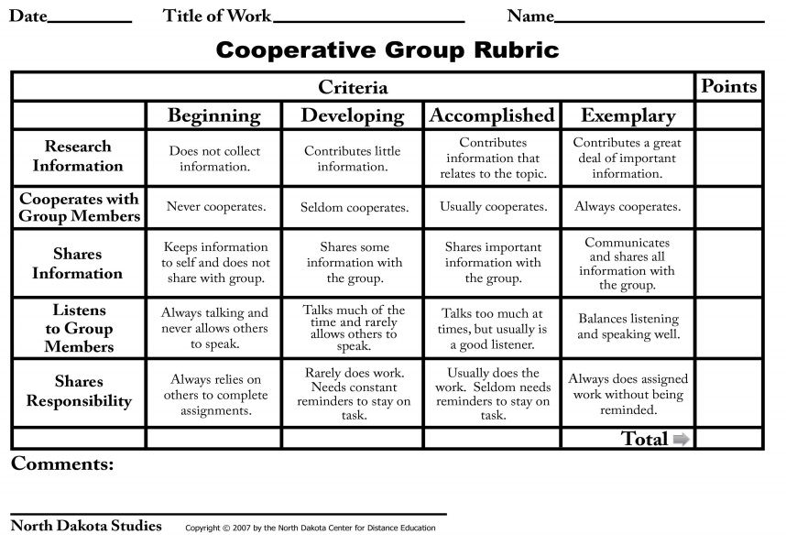
5 |  | minutes
4.7 Assignment |  |  | Preparing for the new lesson |  | The teacher will assign the students to research on some human activities that can affect biodiversity.
5 |  | minutes
4.8 Concluding Activity |  |  | Quotation: "Humans can greatly affects the environment, the biodiversity in general."
5 |  | minutes
5. Remarks
6. Reflections
A. No. of learners who earned 80% in the evaluation. |  |  |  |  | C. Did the remedial lessons work? No. of learners who have caught up with the lesson.
B. No. of learners who require additional activities for remediation. |  |  |  |  | D. No. of learners who continue to require remediation.
E. Which of my learning strategies worked well? Why did these work?
F. What difficulties did I encounter which my principal or supervisor can help me solve?
G. What innovation or localized materials did I use/discover which I wish to share with other teachers?

Prepared by:
Name: | AVANEZA A. RANOCO |  |  |  | School: | LAMAC NATIONAL HIGH SCHOOL
Position/ Designation: | TEACHER 1 |  |  |  | Division: | CEBU PROVINCE
Contact Number: |  |  |  |  | Email address: | petswar1003@gmail.com

 |  |  |  |  |  |  |  |  | attitude
 |  |  |  |  |  |  |  |  | Receiving Phenomena
 |  |  |  |  |  |  |  |  | Responding to Phenomena
 |  |  |  |  |  |  |  |  | Valuing
 |  |  |  |  |  |  |  |  | Organization
 |  |  |  |  |  |  |  |  | Internalizing values
 |  |  |  |  |  |  |  |  | assignment
 |  |  |  |  |  |  |  |  | Reinforcing / strengthening the day’s lesson
 |  |  |  |  |  |  |  |  | Enriching / inspiring the day’s lesson
 |  |  |  |  |  |  |  |  | Enhancing / improving the day’s lesson
 |  |  |  |  |  |  |  |  | Preparing for the new lesson

 |  |  |  |  |  |  |  |  | assessment
 |  |  |  |  |  |  |  |  | Observation
 |  |  |  |  |  |  |  |  | Talking to Learners/ Conferencing
 |  |  |  |  |  |  |  |  | Anlysis of Learners' Products
 |  |  |  |  |  |  |  |  | Tests

