Attachment 1
Instructional Planning
 |  | (The process of systematically planning, developing, evaluating and managing the instructional process by using principles of teaching and learning - D.O. 42, s. 2016)

Detailed Lesson Plan (DLP) Format

DLP No.: | Learning Area: |  |  | Grade Level: | Quarter: | Duration: |  | Date:
25 | SCIENCE |  |  | 9 | 1 | 60 |  | 2017-07-11
Learning Competency/ies: |  |  | Relate species extinction to the failure of populations of organisms to adapt to abrupt changes in the environment. |  |  |  | Code:
(Taken from the Curriculum Guide) |  |  |  |  |  |  | S9LT-Ie-f-30
Key Concepts / Understandings to be Developed |  |  | Deforestation is one of the country's environmental problem. Kaingin system of farming, Illegal logging, conversion of agricultural lands to housing projects and typhoons are some of the cuases of deforestation.
Domain |  | Adapted Cognitive Process Dimensions (D.O. No. 8, s. 2015) |  | OBJECTIVES:
Knowledge The fact or condition of knowing something with familiarity gained through experience or association |  | Remembering |  | Describe the difference between the mountains today with the mountain of yesterday.
 |  | Understanding |  | Explain the causes of deforestation of our mountains.

Skills The ability and capacity acquired through deliberate, systematic, and sustained effort to smoothly and adaptively carryout complex activities or the ability, coming from one's knowledge, practice, aptitude, etc., to do something |  | Applying
 |  | Analyzing |  | Distinguish the consequences of deforestation.
 |  | Evaluating
 |  | Creating

Attitude |  | Organization |  | Appreciate the importance of forest for the survival of mankind.
Values |  | Valuing
2. Content |  |  |  | Biodiversity and Evolution - Deforestation
3. Learning Resources |  |  |  | LM pp.74-75 , TG p. 57
4. Procedures
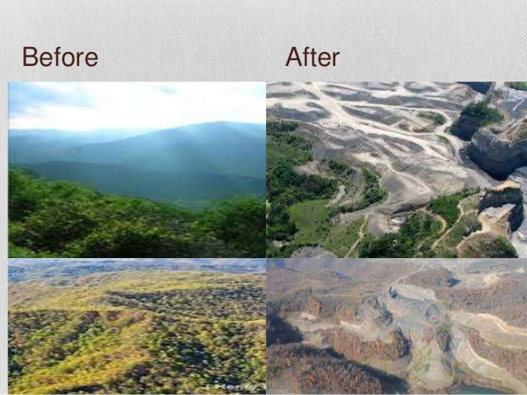
4.1 Introductory Activity
Yesterday
Today
5 |  | minutes
4.2 Activity
4.3 Analysis
4.4 Abstraction
10 |  | minutes
4.5 Application
15 |  | minutes
4.6 Assessment |  |  | Anlysis of Learners' Products
5 |  | minutes
4.7 Assignment |  |  | Preparing for the new lesson
5 |  | minutes
4.8 Concluding Activity |  |  | Quotation: "Forests,jungles,trees,plants…produce the oxygen we breathe.They are the lungs of the Earth…if we destroy them, we destroy ourselves."
5 |  | minutes
5. Remarks
6. Reflections
A. No. of learners who earned 80% in the evaluation. |  |  |  |  | C. Did the remedial lessons work? No. of learners who have caught up with the lesson.
B. No. of learners who require additional activities for remediation. |  |  |  |  | D. No. of learners who continue to require remediation.
E. Which of my learning strategies worked well? Why did these work?
F. What difficulties did I encounter which my principal or supervisor can help me solve?
G. What innovation or localized materials did I use/discover which I wish to share with other teachers?

Prepared by:
Name: | AVANEZA A. RANOCO |  |  |  | School: | LAMAC NATIONAL HIGH SCHOOL
Position/ Designation: | TEACHER 1 |  |  |  | Division: | CEBU PROVINCE
Contact Number: |  |  |  |  | Email address: | petswar1003@gmail.com

 |  |  |  |  |  |  |  |  | attitude
 |  |  |  |  |  |  |  |  | Receiving Phenomena
 |  |  |  |  |  |  |  |  | Responding to Phenomena
 |  |  |  |  |  |  |  |  | Valuing
 |  |  |  |  |  |  |  |  | Organization
 |  |  |  |  |  |  |  |  | Internalizing values
 |  |  |  |  |  |  |  |  | assignment
 |  |  |  |  |  |  |  |  | Reinforcing / strengthening the day’s lesson
 |  |  |  |  |  |  |  |  | Enriching / inspiring the day’s lesson
 |  |  |  |  |  |  |  |  | Enhancing / improving the day’s lesson
 |  |  |  |  |  |  |  |  | Preparing for the new lesson

 |  |  |  |  |  |  |  |  | assessment
 |  |  |  |  |  |  |  |  | Observation
 |  |  |  |  |  |  |  |  | Talking to Learners/ Conferencing
 |  |  |  |  |  |  |  |  | Anlysis of Learners' Products
 |  |  |  |  |  |  |  |  | Tests

