attachment
Instructional Planning
 |  | (The process of systematically planning, developing, evaluating and managing the instructional process by using principles of teaching and learning - D.O. 42, s. 2016)

Detailed Lesson Plan (DLP) Format

DLP No.: | Learning Area: |  |  | Grade Level: | Quarter: | Duration: |  | Date:
27 | SCIENCE |  |  | 9 | 1 | 60 |  | 2017-07-13
Learning Competency/ies: |  |  | Relate species extinction to the failure of populations of organisms to adapt to abrupt changes in the environment. |  |  |  | Code:
(Taken from the Curriculum Guide) |  |  |  |  |  |  | S9-LT-Ia-b-26
Key Concepts / Understandings to be Developed |  |  | The learners are able to explain water pollution; its cause and effects, as well as the process of euthrophication, which is the major problem in lakes, rivers and ponds.
Domain |  | Adapted Cognitive Process Dimensions (D.O. No. 8, s. 2015) |  | OBJECTIVES:
Knowledge The fact or condition of knowing something with familiarity gained through experience or association |  | Remembering
 |  | Understanding |  | Explain the process of eutrophication as one of the causes of water pollution.

Skills The ability and capacity acquired through deliberate, systematic, and sustained effort to smoothly and adaptively carryout complex activities or the ability, coming from one's knowledge, practice, aptitude, etc., to do something |  | Applying
 |  | Analyzing
 |  | Evaluating
 |  | Creating |  | Produce a short advertisement on the causes of water pollution and how to reduce the problem of water pollution.

Attitude |  | Valuing |  | Show cooperation on the group activity.
Values |  | Valuing |  | Report well about the process of eutrophication as a rapid effect of water pollution.
2. Content |  |  |  | Module 3: Biodiversity and Evolution; Water Pollution
3. Learning Resources |  |  |  | SCI.9 Teacher's Guide and Learner's Module.
4. Procedures
4.1 Introductory Activity |  |  | *Possible answers:Pollution is the presence in or introduction into the environment of a substance or thing that has harmful or poisonous effects. *Examples:Land pollution, water pollution, air pollution, noise pollution, & light pollution
5 |  | minutes
4.2 Activity |  |  | The teacher will group the students into five groups. Each group will participate in a game "Paint Me A Picture" on the situations presented by the teacher. A. Throwing of garbage in the canals or lakes. C. Chemcal waste from factories B. Using of pest chemicals for farming contaminating water forms
5 |  | minutes
4.3 Analysis |  |  | *Possible answers: Water pollution is the contamination of water bodies (e.g. lakes, rivers, oceans, aquifers and groundwater). This form of environmental degradation occurs when pollutants are directly or indirectly discharged into water bodies without adequate treatment to remove harmful compounds. *Effects of water pollution; A. Death of aquatic (water) animals; B. Disruption of food-chains; C. Diseases; and Destruction of ecosystems.
10 |  | minutes
4.4 Abstraction |  |  | 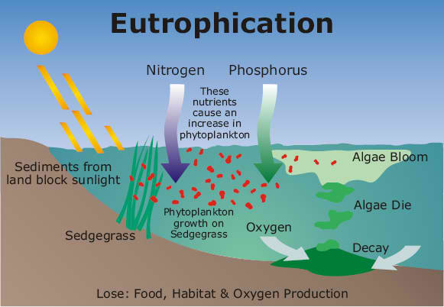
10 |  | minutes
4.5 Application |  |  | Having the same group, they will have to create a short advertisement about water pollution and how to help
10 |  | minutes
4.6 Assessment |  |  | Anlysis of Learners' Products |  | 
10 |  | minutes
4.7 Assignment |  |  | Enhancing / improving the day’s lesson |  | The teacher will let the students to write the cause and effect of air pollution.
5 |  | minutes
4.8 Concluding Activity |  |  | Masdan Mo Ang Kapaligiran Wala ka bang napapansin sa iyong mga kapaligiran? Kay dumi na ng hangin, pati na ang mga ilog natin. Refrain 1: hindi na masama ang pag-unlad at malayu-layo na rin ang ating narating ngunit masdan mo ang tubig sa dagat dati'y kulay asul ngayo'y naging itim ang mga duming ating ikinalat sa hangin sa langit huwag na nating paabutin upang kung tayo'y pumanaw man, sariwang hangin sa langit natin matitikman
5 |  | minutes
5. Remarks
6. Reflections |  |  | The students actively involved in activity.
A. No. of learners who earned 80% in the evaluation. |  |  |  |  | C. Did the remedial lessons work? No. of learners who have caught up with the lesson.
B. No. of learners who require additional activities for remediation. |  |  |  |  | D. No. of learners who continue to require remediation.
E. Which of my learning strategies worked well? Why did these work?
F. What difficulties did I encounter which my principal or supervisor can help me solve?
G. What innovation or localized materials did I use/discover which I wish to share with other teachers?

Prepared by:
Name: | DEBORAH T. BAGAHANSOL |  |  |  | School: | LAMAC NATIONAL HIGH SCHOOL
Position/ Designation: | TEACHER 1 |  |  |  | Division: | CEBU PROVINCE
Contact Number: | 9357949031 |  |  |  | Email address:

 |  |  |  |  |  |  |  |  | attitude
 |  |  |  |  |  |  |  |  | Receiving Phenomena
 |  |  |  |  |  |  |  |  | Responding to Phenomena
 |  |  |  |  |  |  |  |  | Valuing
 |  |  |  |  |  |  |  |  | Organization
 |  |  |  |  |  |  |  |  | Internalizing values
 |  |  |  |  |  |  |  |  | assignment
 |  |  |  |  |  |  |  |  | Reinforcing / strengthening the day’s lesson
 |  |  |  |  |  |  |  |  | Enriching / inspiring the day’s lesson
 |  |  |  |  |  |  |  |  | Enhancing / improving the day’s lesson
 |  |  |  |  |  |  |  |  | Preparing for the new lesson

 |  |  |  |  |  |  |  |  | assessment
 |  |  |  |  |  |  |  |  | Observation
 |  |  |  |  |  |  |  |  | Talking to Learners/ Conferencing
 |  |  |  |  |  |  |  |  | Anlysis of Learners' Products
 |  |  |  |  |  |  |  |  | Tests

