attachments
Instructional Planning
 |  | (The process of systematically planning, developing, evaluating and managing the instructional process by using principles of teaching and learning - D.O. 42, s. 2016)

Detailed Lesson Plan (DLP) Format

DLP No.: | Learning Area: |  |  | Grade Level: | Quarter: | Duration: |  | Date:
28 | SCIENCE |  |  | 9 | 1 | 60 |  | 2017-07-14
Learning Competency/ies: |  |  | Relate species extinction to the failure of populations of organisms to adapt to abrupt changes in the environment. |  |  |  | Code:
(Taken from the Curriculum Guide) |  |  |  |  |  |  | S9LT-Ie-f-30
Key Concepts / Understandings to be Developed |  |  | The learners are able to explain the different causes of air pollution that may also lead to global warming that are mostly from factories and vehicles.
Domain |  | Adapted Cognitive Process Dimensions (D.O. No. 8, s. 2015) |  | OBJECTIVES:
Knowledge The fact or condition of knowing something with familiarity gained through experience or association |  | Remembering |  | List down the causes of air pollution and its effects.
 |  | Understanding

Skills The ability and capacity acquired through deliberate, systematic, and sustained effort to smoothly and adaptively carryout complex activities or the ability, coming from one's knowledge, practice, aptitude, etc., to do something |  | Applying
 |  | Analyzing
 |  | Evaluating
 |  | Creating |  | Design a campaign on how to solve issues on global warming brought about by air pollution.

Attitude |  | Valuing |  | Study on the effects of air pollution brought about by global warming.
Values |  | Valuing |  | Share their thoughts on the causes of global warming.
2. Content |  |  |  | Module 3: Biodiversity and Evolution; Air Pollution
3. Learning Resources |  |  |  | SCI.9 Teacher's Guide pp. 60-61 and Learner's Module pp. 78-79
4. Procedures
4.1 Introductory Activity |  |  | The teacher will randomly call students to share their insights from yesterdays lesson about water pollution. The teacher will ask a question; What have you learned about eutrophication and what are its effects?
10 |  | minutes
4.2 Activity |  |  | 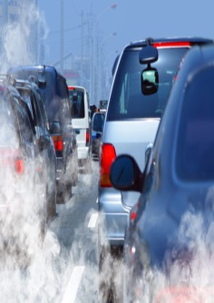 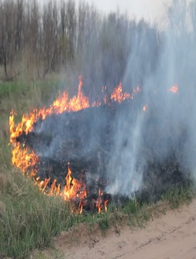 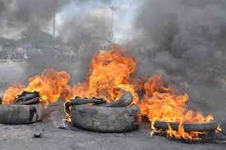 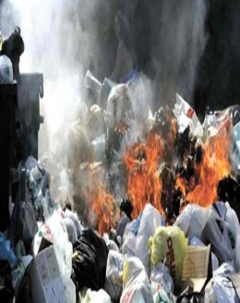
10 |  | minutes
4.3 Analysis |  |  | *Possible Answers:Air pollution is a mixture of natural and man-made substances in the air we breathe. *Ways to prevent Air Pollution: Always use recyclable products, Support Clean Air Programs, Prevent Indoor Pollution, & Save Energy.
5 |  | minutes
4.4 Abstraction |  |  | The teacher will elaborate through interactive discussion about air pollution, occurs when harmful substances including particulates and biological molecules are introduced into Earth's atmosphere. It may cause diseases, allergies or death of humans; it may also cause harm to other living organisms such as animals and food crops, and may damage the natural or built environment. Global Warming, a gradual increase in the overall temperature of the earth's atmosphere generally attributed to the greenhouse effect caused by increased levels of carbon dioxide, chlorofluorocarbons, and other pollutants.
5 |  | minutes
4.5 Application |  |  | The teacher will group the students into five group and each group will have to create a creative campaign that shows effecst of global warming and what ways to solve the problem. It can be a poster making, slogan making, or a jingle.
10 |  | minutes
4.6 Assessment |  |  | Anlysis of Learners' Products |  | 
10 |  | minutes
4.7 Assignment |  |  | Preparing for the new lesson |  | The teacher will let the students choose a pair to do an advance research on acid precipitation.
5 |  | minutes
4.8 Concluding Activity |  |  | Let the student share a one line sayings like, "Save Mother Earth for a Better Future".
5 |  | minutes
5. Remarks
6. Reflections
A. No. of learners who earned 80% in the evaluation. |  |  |  |  | C. Did the remedial lessons work? No. of learners who have caught up with the lesson.
B. No. of learners who require additional activities for remediation. |  |  |  |  | D. No. of learners who continue to require remediation.
E. Which of my learning strategies worked well? Why did these work?
F. What difficulties did I encounter which my principal or supervisor can help me solve?
G. What innovation or localized materials did I use/discover which I wish to share with other teachers?

Prepared by:
Name: | DEBORAH T. BAGAHANSOL |  |  |  | School: | LAMAC NATIONAL HIGH SCHOOL
Position/ Designation: | TEACHER 1 |  |  |  | Division: | CEBU PROVINCE
Contact Number: | 9357949031 |  |  |  | Email address:

 |  |  |  |  |  |  |  |  | attitude
 |  |  |  |  |  |  |  |  | Receiving Phenomena
 |  |  |  |  |  |  |  |  | Responding to Phenomena
 |  |  |  |  |  |  |  |  | Valuing
 |  |  |  |  |  |  |  |  | Organization
 |  |  |  |  |  |  |  |  | Internalizing values
 |  |  |  |  |  |  |  |  | assignment
 |  |  |  |  |  |  |  |  | Reinforcing / strengthening the day’s lesson
 |  |  |  |  |  |  |  |  | Enriching / inspiring the day’s lesson
 |  |  |  |  |  |  |  |  | Enhancing / improving the day’s lesson
 |  |  |  |  |  |  |  |  | Preparing for the new lesson

 |  |  |  |  |  |  |  |  | assessment
 |  |  |  |  |  |  |  |  | Observation
 |  |  |  |  |  |  |  |  | Talking to Learners/ Conferencing
 |  |  |  |  |  |  |  |  | Anlysis of Learners' Products
 |  |  |  |  |  |  |  |  | Tests

