Sheet3
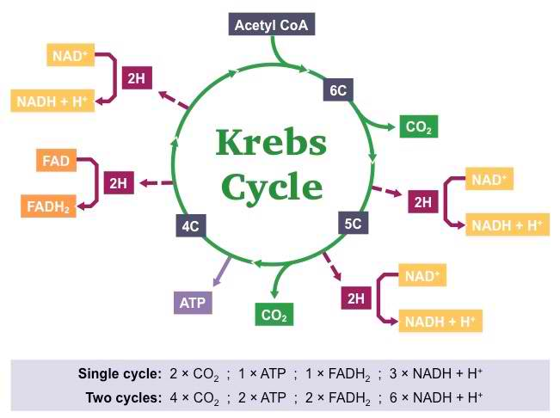
INTRODUCTORY ACTIVITY:

Lord Save Me From the Krebs Cycle, from http://www.teacherspayteachers.com/St…and http://www.sciencemusicvideos.com/ap-…
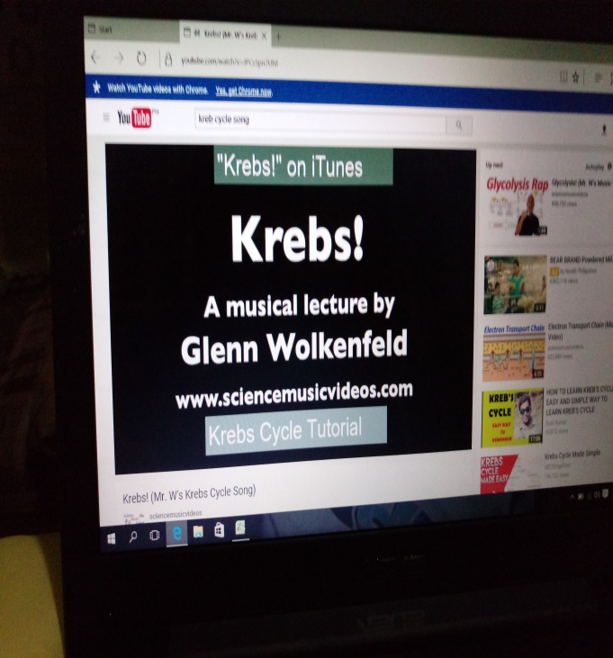

ACTIVITY:

 | "A" GROUP WORD LIST

 | PHOTOSYNTHESIS | GLUCOSE BROKEN DOWN
 | LIGHT ENERGY | ENERGY RELEASED
 | RESPIRATION | CHLOROPLAST
 | GLUCOSE CREATED | MITOCHONDRION
 | ENERGY STORED | CARBON DIOXIDE

 | "B" GROUP WORD LIST

 | STROMA | OXIDATIVE PHOSPHORYLATION
 | WATER | CYTOPLASM
 | KREBS CYCLE | GLYCOLYSIS
 | THYLAKOIDS | OXYGEN
 | CALVIN CYCLE | LIGHT-DEPENDENT REACTION

Sheet5
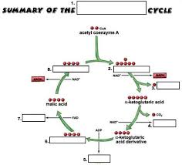
ABSTRACTION:
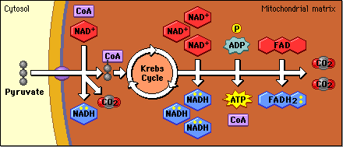

APPLICATION:

 | COMIC STRIP

 |  | MY TAKE ON KREBS CYCLE

 | Column1 | Column2 | Column3

Sheet6
ASSESSMENT:

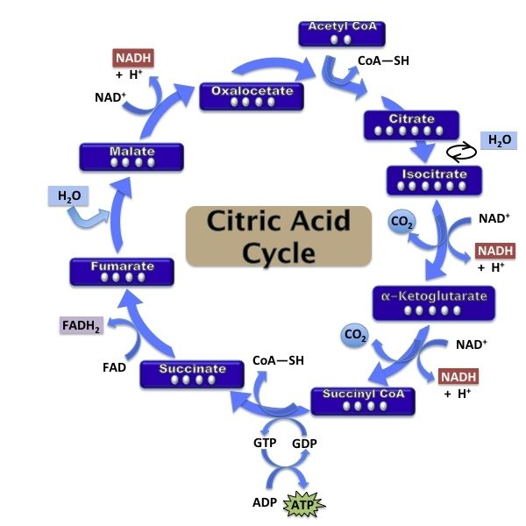

CONCLUDING ACTIVITY:

 | Journal entry from the point of view of a Krebs Cycle.

