Rubrics
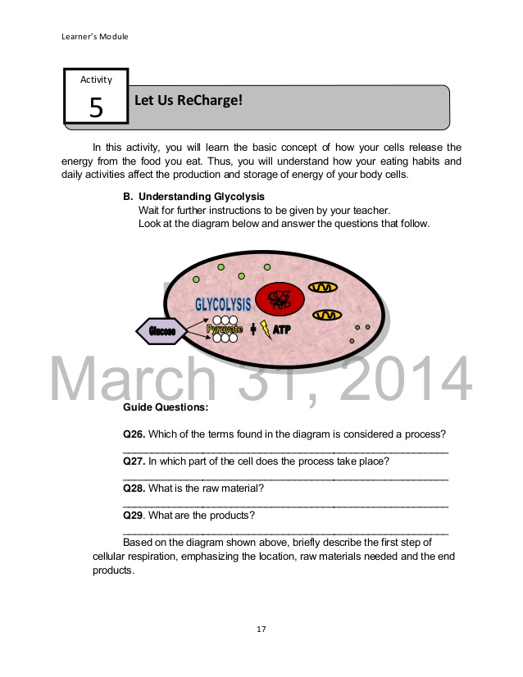
rubrics for application
RUBRICS
Task Checklist | 4 | 3 | 2 | 1
Category
Content:
States the raw materials and products of glycolysis
Tells specifically the location in the cell where it takes place
Ideas are presented in the right order
All words are spelled correctly
Task is arranged in proper sequence

Application
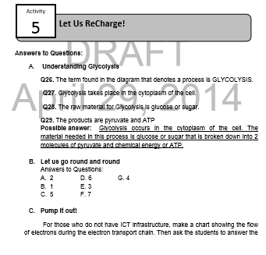
answer key

