Sheet1

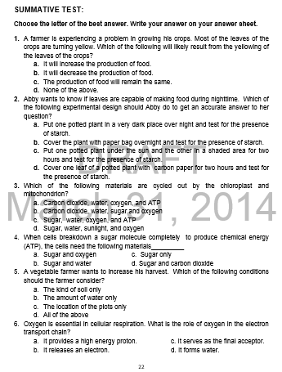

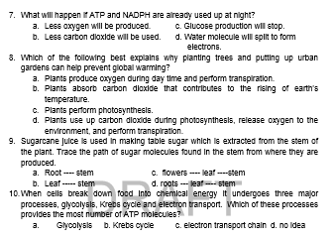

answer key

Rubrics for Apllication
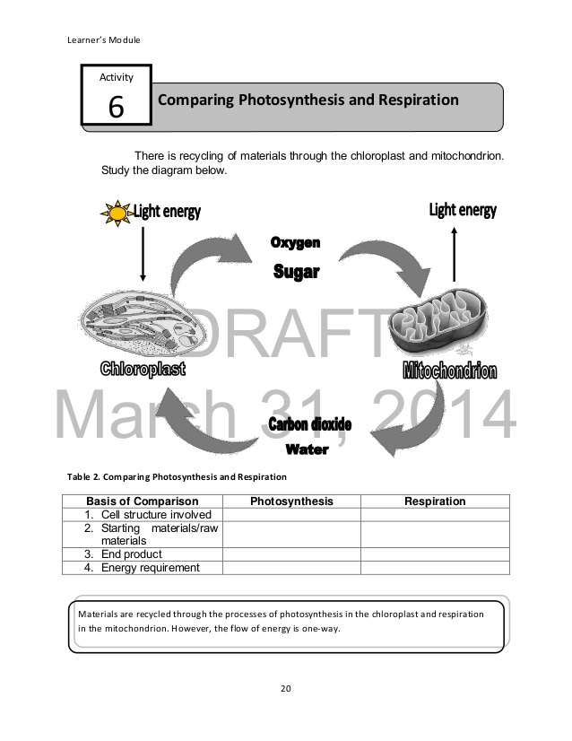
RUBRICS
Group Task Output

Category | 4 | 3 | 2 | 1
1. Understanding of the Task
2. Completion of Task
3. Communication of findings
4. Group Processes
5. Problem Solving

Pictures for Introductory Activ


